Front
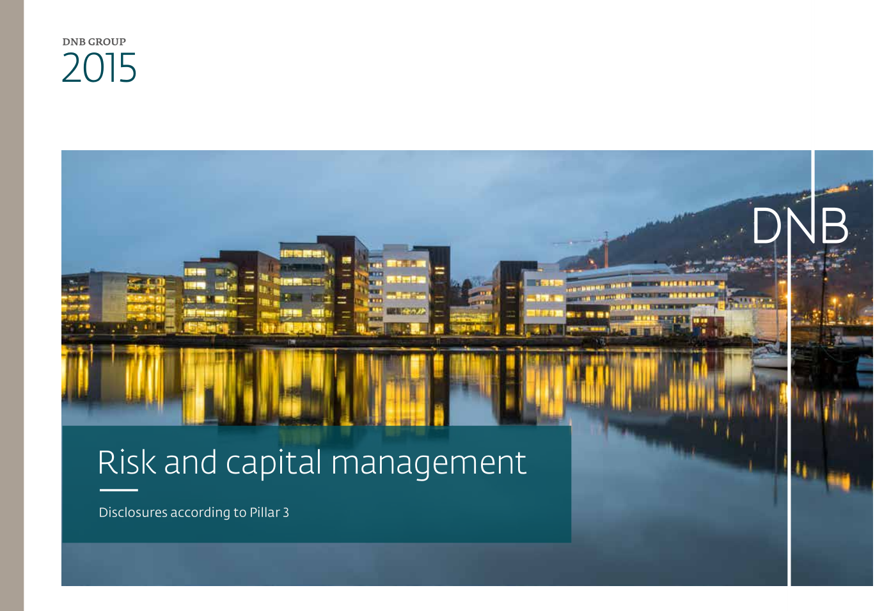

23
Back to contents page

Legal structure in 2015

In accordance with the requirements of the Norwegian regulatory authorities, the banking, asset management and insurance activities of the DNB Group are organised in separate limited companies under the holding company DNB ASA. Banking activities are organised in DNB Bank ASA and its subsidiaries. Asset management activities are organised under DNB Asset Management Holding AS. DNB Livsforsikring AS offers life insurance and pension saving products. DNB Forsikring AS offers non-life insurance products as part of a total product package for retail customers.

The chart below shows the legal structure of the DNB Group.
