EAD (1)
1.8.1 Exposure at default by customer segments as defined in DNB's management reporting 1) 2)

DNB Group 3)
 | 31 Dec. | 30 Sept. | 30 June | 31 March | 31 Dec. | 30 Sept. | 30 June | 31 March | 31 Dec.
Amounts in NOK billion | 2014 | 2014 | 2014 | 2014 | 2013 | 2013 | 2013 | 2013 | 2012
Commercial real estate | 207.2 | 208.5 | 206.7 | 204.6 | 195.1 | 193.6 | 191.6 | 188.0 | 191.8
Shipping | 135.5 | 116.6 | 109.4 | 108.9 | 112.7 | 117.2 | 118.0 | 118.8 | 116.6
Logistics | 26.3 | 21.9 | 20.1 | 17.5 | 18.2 | 18.8 | 20.5 | 18.4 | 18.7
Oil, gas and offshore | 133.7 | 121.6 | 116.4 | 106.3 | 110.7 | 106.6 | 108.8 | 108.9 | 103.7
Energy | 57.4 | 53.1 | 55.6 | 57.6 | 57.4 | 52.7 | 52.3 | 51.4 | 51.3
Other corporate customers | 107.3 | 118.3 | 98.7 | 90.0 | 113.2 | 106.0 | 108.5 | 102.5 | 100.2
Public sector | 32.3 | 29.1 | 27.9 | 26.5 | 26.8 | 27.1 | 27.7 | 27.0 | 26.9
Fishing and fish farming | 40.4 | 38.8 | 42.2 | 41.9 | 38.0 | 41.5 | 39.3 | 40.9 | 39.4
Trade | 52.7 | 44.8 | 48.8 | 46.7 | 44.4 | 44.0 | 43.3 | 42.7 | 41.5
Manufacturing | 90.5 | 83.3 | 81.1 | 79.2 | 80.8 | 75.9 | 73.3 | 71.4 | 69.6
Telecom and media | 33.7 | 30.6 | 31.3 | 29.3 | 32.5 | 31.0 | 27.4 | 25.6 | 24.5
Services | 42.2 | 41.3 | 39.9 | 37.4 | 37.0 | 35.5 | 37.9 | 32.9 | 30.8
Residential mortgages | 805.7 | 785.5 | 784.1 | 770.0 | 757.3 | 759.3 | 757.2 | 752.4 | 741.5
Private individuals | 116.1 | 114.2 | 110.8 | 111.2 | 111.0 | 110.7 | 107.6 | 107.8 | 106.1
Total customers | 1,881.1 | 1,807.4 | 1,773.0 | 1,727.1 | 1,735.1 | 1,719.9 | 1,713.3 | 1,688.7 | 1,662.4
Credit institutions | 28.5 | 26.4 | 31.0 | 28.6 | 25.9 | 26.2 | 27.6 | 26.9 | 26.2
Total net exposure at default | 1,909.6 | 1,833.8 | 1,804.0 | 1,755.6 | 1,761.0 | 1,746.1 | 1,740.9 | 1,715.6 | 1,688.6

1) Including net non-performing and net doubtful loans and guarantees.
2) Exposures at default are based on full implementation of IRB, i.e. some of the IRB reported portfolios are still subject to final IRB approval from the Norwegian FSA (Finanstilsynet).
3) For a breakdown of the different customer segments, see next page.

Percentage distribution as at 31 December 2014

1.8.2 Risk classification of portfolio 1)

 | 31 Dec. | 30 Sept. | 30 June | 31 March | 31 Dec. | 30 Sept. | 30 June | 31 March | 31 Dec.
Amounts in NOK billion | 2014 | 2014 | 2014 | 2014 | 2013 | 2013 | 2013 | 2013 | 2012
PD 0.01% -
Personal customers | 636.3 | 623.0 | 612.8 | 603.6 | 589.9 | 587.0 | 580.9 | 575.9 | 554.4
Small and medium-sized enterprises | 148.3 | 150.4 | 148.3 | 144.6 | 140.7 | 140.1 | 147.3 | 145.1 | 140.3
Large corporates and international customers 2) | 489.2 | 421.3 | 424.1 | 409.9 | 410.4 | 390.8 | 384.0 | 371.2 | 362.9
Total DNB Group *) | 1,273.8 | 1,194.7 | 1,185.1 | 1,158.1 | 1,141.0 | 1,117.8 | 1,112.2 | 1,092.3 | 1,057.5
PD 0.75% -
Personal customers | 164.5 | 169.8 | 168.2 | 163.5 | 165.2 | 169.5 | 172.4 | 173.6 | 179.1
Small and medium-sized enterprises | 98.0 | 91.7 | 95.0 | 97.7 | 99.7 | 103.8 | 102.2 | 101.2 | 104.0
Large corporates and international customers 2) | 279.3 | 286.9 | 263.5 | 245.0 | 256.1 | 245.7 | 245.3 | 240.5 | 238.6
Total DNB Group *) | 541.8 | 548.4 | 526.6 | 506.2 | 521.1 | 519.0 | 519.9 | 515.2 | 521.7
PD 3.00% -
Personal customers | 21.9 | 23.0 | 23.5 | 22.4 | 22.6 | 22.8 | 22.4 | 21.5 | 24.1
Small and medium-sized enterprises | 24.2 | 24.3 | 22.0 | 21.2 | 22.6 | 23.2 | 19.9 | 21.2 | 22.4
Large corporates and international customers 2) | 27.3 | 25.0 | 27.7 | 28.2 | 29.4 | 35.9 | 38.0 | 40.2 | 38.3
Total DNB Group *) | 73.4 | 72.4 | 73.3 | 71.8 | 74.6 | 81.9 | 80.3 | 83.0 | 84.8
Net non-performing and net doubtful commitments
Personal customers | 3.5 | 3.5 | 3.1 | 3.4 | 3.5 | 3.5 | 3.5 | 3.3 | 3.5
Small and medium-sized enterprises | 3.9 | 4.2 | 3.9 | 3.6 | 3.8 | 4.2 | 4.3 | 4.3 | 4.3
Large corporates and international customers 2) | 13.2 | 10.6 | 12.0 | 12.5 | 17.0 | 19.7 | 20.7 | 17.5 | 16.7
Total DNB Group *) | 20.6 | 18.3 | 19.0 | 19.5 | 24.2 | 27.4 | 28.5 | 25.1 | 24.6
Total Personal customers | 826.2 | 819.3 | 807.6 | 792.9 | 781.2 | 782.8 | 779.3 | 774.4 | 761.1
Total Small and medium-sized enterprises | 274.4 | 270.7 | 269.2 | 267.1 | 266.8 | 271.3 | 273.7 | 271.7 | 271.0
Total Large corporates and international customers 2) | 809.0 | 743.9 | 727.2 | 695.6 | 713.0 | 692.1 | 687.9 | 669.4 | 656.5
Total risk classification of portfolio - DNB Group | 1,909.6 | 1,833.8 | 1,804.0 | 1,755.6 | 1,761.0 | 1,746.1 | 1,740.9 | 1,715.6 | 1,688.6

 | 31 Dec. | 30 Sept. | 30 June | 31 March | 31 Dec. | 30 Sept. | 30 June | 31 March | 31 Dec.
Amounts in NOK billion | 2014 | 2014 | 2014 | 2014 | 2013 | 2013 | 2013 | 2013 | 2012
*) of which international portfolio
PD 0.01% - | 301.4 | 258.8 | 240.4 | 233.1 | 231.7 | 212.5 | 207.3 | 192.2 | 183.0
PD 0.75% - | 166.2 | 161.0 | 147.5 | 138.6 | 146.2 | 143.6 | 141.6 | 148.5 | 149.9
PD 3.00% - | 17.7 | 16.7 | 18.8 | 18.0 | 20.8 | 25.9 | 28.2 | 30.8 | 29.0
Net non-performing and net doubtful commitments | 11.0 | 9.0 | 10.4 | 10.8 | 14.1 | 16.4 | 18.0 | 14.4 | 14.0
Total international portfolio | 496.4 | 445.4 | 417.1 | 400.5 | 412.8 | 398.4 | 395.0 | 385.9 | 375.9
*) of which commercial real estate
PD 0.01% - | 135.6 | 124.3 | 124.4 | 119.0 | 106.8 | 104.3 | 103.5 | 107.2 | 112.0
PD 0.75% - | 58.7 | 69.6 | 68.7 | 73.2 | 77.1 | 76.1 | 76.1 | 68.4 | 67.6
PD 3.00% - | 9.7 | 11.3 | 10.2 | 8.9 | 7.4 | 9.2 | 7.6 | 7.9 | 7.6
Net non-performing and net doubtful commitments | 3.3 | 3.3 | 3.4 | 3.5 | 3.8 | 4.0 | 4.4 | 4.6 | 4.6
Total commercial real estate | 207.2 | 208.5 | 206.7 | 204.6 | 195.1 | 193.6 | 191.6 | 188.0 | 191.8

1) Based on DNB's risk classification system. The volumes represent the expected outstanding amount in the event of default. PD = probability of default.
2) For a breakdown into sub-segments, see table 1.8.8.

1.8.3 Risk classification of portfolio - DNB Group 1) *)
 | 30 June 2013 | 30 Sept. 2013 | 31 Dec. 2013 | 31 March 2014 | 30 June 2014 | 30 Sept. 2014 | 31 Dec. 2014
Total DNB Group *) | 1,112.2 | 1,117.8 | 1,141.0 | 1,158.1 | 1,185.1 | 1,194.7 | 1,273.8
Total DNB Group *) | 519.9 | 519.0 | 521.1 | 506.2 | 526.6 | 548.4 | 541.8
Total DNB Group *) | 80.3 | 81.9 | 74.6 | 71.8 | 73.3 | 72.4 | 73.4
Total DNB Group *) | 28.5 | 27.4 | 24.2 | 19.5 | 19.0 | 18.3 | 20.6

*) of which international portfolio 1) 2) |  |  | *) of which commercial real estate 1)
 | 30 June 2013 | 30 Sept. 2013 | 31 Dec. 2013 | 31 March 2014 | 30 June 2014 | 30 Sept. 2014 | 31 Dec. 2014
PD 0.01% - | 207.3 | 212.5 | 231.7 | 233.1 | 240.4 | 258.8 | 301.4
PD 0.75% - | 141.6 | 143.6 | 146.2 | 138.6 | 147.5 | 161.0 | 166.2
PD 3.00% - | 28.2 | 25.9 | 20.8 | 18.0 | 18.8 | 16.7 | 17.7
Net non-performing and net doubtful commitments | 18.0 | 16.4 | 14.1 | 10.8 | 10.4 | 9.0 | 11.0
 | 30 June 2013 | 30 Sept. 2013 | 31 Dec. 2013 | 31 March 2014 | 30 June 2014 | 30 Sept. 2014 | 31 Dec. 2014
PD 0.01% - | 103.5 | 104.3 | 106.8 | 119.0 | 124.4 | 124.3 | 135.6
PD 0.75% - | 76.1 | 76.1 | 77.1 | 73.2 | 68.7 | 69.6 | 58.7
PD 3.00% - | 7.6 | 9.2 | 7.4 | 8.9 | 10.2 | 11.3 | 9.7
Net non-performing and net doubtful commitments | 4.4 | 4.0 | 3.8 | 3.5 | 3.4 | 3.3 | 3.3

1) Based on DNB's risk classification system. The volumes represent the expected outstanding amount in the event of default. PD = probability of default.
2) The international portfolio comprises business recorded outside Norway.

1.8.4 Segment areas - exposure at default according to sector 1) 2)

Personal customers
 | 31 Dec. | 30 Sept. | 30 June | 31 March | 31 Dec. | 30 Sept. | 30 June | 31 March | 31 Dec.
Amounts in NOK billion | 2014 | 2014 | 2014 | 2014 | 2013 | 2013 | 2013 | 2013 | 2012
Commercial real estate | - | - | - | - | - | - | - | - | -
Shipping | - | - | - | - | - | - | - | - | -
Logistics | - | - | - | - | - | - | - | - | -
Oil, gas and offshore | - | - | - | - | - | - | - | - | -
Energy | - | - | - | - | - | - | - | - | -
Public sector | - | - | - | - | - | - | - | - | -
Fishing and fish farming | - | - | - | - | - | - | - | - | -
Trade | - | - | - | - | - | - | - | - | -
Manufacturing | - | - | - | - | - | - | - | - | -
Telecom and media | - | - | - | - | - | - | - | - | -
Services | - | - | - | - | - | - | - | - | -
Residential mortgages | 711.2 | 706.1 | 696.7 | 681.7 | 670.3 | 672.0 | 671.6 | 666.6 | 655.0
Private individuals | 115.0 | 113.3 | 110.8 | 111.2 | 111.0 | 110.7 | 107.6 | 107.8 | 106.1
Other corporate customers | - | - | - | - | - | - | - | - | -
Total customers | 826.2 | 819.3 | 807.6 | 792.9 | 781.2 | 782.8 | 779.3 | 774.4 | 761.1
Credit institutions | - | - | - | - | - | - | - | - | -
Total net exposure at default | 826.2 | 819.3 | 807.6 | 792.9 | 781.2 | 782.8 | 779.3 | 774.4 | 761.1

Small and medium-sized enterprises
 | 31 Dec. | 30 Sept. | 30 June | 31 March | 31 Dec. | 30 Sept. | 30 June | 31 March | 31 Dec.
Amounts in NOK billion | 2014 | 2014 | 2014 | 2014 | 2013 | 2013 | 2013 | 2013 | 2012
Commercial real estate | 94.4 | 93.8 | 92.1 | 90.1 | 79.6 | 79.4 | 80.8 | 79.8 | 81.7
Shipping | 1.1 | 0.8 | 0.8 | 0.9 | 0.8 | 0.8 | 0.8 | 0.8 | 0.8
Logistics | 0.0 | 0.0 | 0.0 | 0.0 | 0.0 | 0.0 | 0.0 | 0.0 | 0.0
Oil, gas and offshore | 0.6 | 0.7 | 1.0 | 1.0 | 1.0 | 0.7 | 0.7 | 0.7 | 0.8
Energy | 6.4 | 7.0 | 7.0 | 8.6 | 8.8 | 8.6 | 9.2 | 9.5 | 9.4
Public sector | 15.5 | 13.7 | 13.9 | 13.2 | 12.8 | 13.1 | 13.3 | 13.6 | 13.7
Fishing and fish farming | 14.4 | 13.7 | 14.2 | 13.8 | 11.5 | 13.3 | 12.7 | 14.0 | 14.0
Trade | 20.8 | 17.3 | 21.3 | 20.6 | 19.1 | 20.5 | 20.7 | 20.6 | 20.3
Manufacturing | 19.3 | 20.4 | 19.0 | 18.5 | 17.8 | 18.3 | 18.1 | 18.1 | 17.2
Telecom and media | 2.7 | 2.1 | 2.5 | 2.4 | 2.6 | 2.4 | 2.4 | 2.6 | 2.6
Services | 13.8 | 11.9 | 13.4 | 12.8 | 11.9 | 11.0 | 11.7 | 11.5 | 11.5
Residential real estate and private individuals | 47.3 | 35.3 | 40.9 | 41.6 | 39.7 | 41.7 | 41.4 | 42.8 | 42.6
...
1.8.6 Exposure at default, geographic distribution of commercial real estate exposure 1) 2)
Oslo/ Akershus | 60.0 | 59.1 | 66.7 | 60.7 | 60.1 | 62.5 | 62.7 | 59.3 | 64.4
Eastern Norway excl. Oslo/ Akershus | 49.5 | 52.4 | 45.6 | 44.5 | 42.5 | 40.7 | 40.2 | 38.3 | 39.0
Western Norway | 41.3 | 42.2 | 41.2 | 39.7 | 39.3 | 41.2 | 40.1 | 40.0 | 39.8
Central/ Northern Norway | 36.7 | 37.1 | 36.6 | 38.0 | 29.9 | 30.4 | 30.3 | 29.9 | 31.2
Sweden | 6.8 | 7.6 | 6.0 | 8.9 | 9.5 | 7.0 | 6.7 | 7.7 | 8.3
Baltics and Poland | 9.2 | 8.0 | 7.2 | 9.2 | 9.7 | 7.7 | 7.6 | 8.9 | 9.0
Other Europe | 3.7 | 2.1 | 3.5 | 3.6 | 4.0 | 4.2 | 4.1 | 3.9 | 0.0
Total | 207.2 | 208.5 | 206.7 | 204.6 | 195.1 | 193.6 | 191.6 | 188.0 | 191.8

Exposure at default, breakdown of commercial real estate exposure 1) 2) |  |  | Exposure at default, geographic distribution of commercial real estate exposure 1) 2)
 | 31 Dec. 2014
Retail store facility building loans | 2.2
Hotel building loans | 4.2
Shopping centre building loans | 2.6
Office premises building loans | 5.3
Leasing of retail store facilities | 13.8
Leasing of hotels | 23.1
Leasing of shopping centres | 13.8
Leasing of office premises | 84.5
Leasing of warehouse/ logistics/ multi-purpose buildings | 23.6
Other | 34.2

1) Exposures at default are based on full implementation of IRB, i.e. some of the IRB reported portfolios are still subject to final IRB approval from the Norwegian FSA (Finanstilsynet).
2) The definition of these segments reflects the actual underlying commercial property risk.

1.8.7 Sub-segments in Large corporates and international customers - exposure at default according to sector 1)

Nordic Corporates Division | 31 Dec. | 30 Sept. | 30 June | 31 March | 31 Dec. | 30 Sept. | 30 June | 31 March | 31 Dec.
Amounts in NOK billion | 2014 | 2014 | 2014 | 2014 | 2013 | 2013 | 2013 | 2013 | 2012
Financial institutions | 17.1 | 16.2 | 21.4 | 18.3 | 18.9 | 18.6 | 19.3 | 17.7 | 16.5
...

Liq.&funding (2)
...
 | Subordinated loans 1) |  |  |  |  | 5.5 |  | 5.0
 | In addition: LTRO funding |  |  |  |  | 9.0 |  | 3.0

1) Callable after five years with a total maturity of ten years.

1.9.3 Redemption profile as at 31 December 2014

NOK billion | 2015 | 2016 | 2017 | 2018 | 2019 | 2020 | 2021 | 2022 | 2023 | 2024 | >2024
Senior unsecured bonds | 8.9 | 15.0 | 31.4 | 18.1 | 14.3 | 17.0 | 21.5 | 17.2 | 1.3 | 1.4 | 4.5
Covered bonds | 45.5 | 71.1 | 58.7 | 65.3 | 54.8 | 11.0 | 33.6 | 30.5 | 9.8 | 8.5 | 27.1
Total | 54.4 | 86.1 | 90.1 | 83.4 | 69.1 | 28.0 | 55.1 | 47.7 | 11.1 | 9.9 | 31.6
 | 54 | 86 | 90 | 83 | 69 | 28 | 55 | 48 | 11 | 10 | 32 | 0

Cap.adeq
...
 | 31 Dec. | 30 Sept. | 30 June | 31 March | 31 Dec. | 30 Sept. | 30 June | 31 March | 31 Dec.
Operational risk | 6,546 | 6,408 | 6,408 | 6,408 | 6,408 | 5,793 | 5,793 | 5,793 | 5,793
Net insurance, after eliminations | 6,828 | 7,113 | 7,008 | 7,253 | 6,982 | 7,170 | 7,350 | 7,485 | 7,563
Deductions | - | - | (52) | (57) | (60) | (56) | (13) | (33) | (27)
Total capital requirements according to Basel III | 82,119 | 77,898 | 77,936 | 78,317 | 79,840 | 81,477 | 83,535 | 82,573 | 81,972
Additional capital requirements according to transitional rules | 7,534 | 8,478 | 9,685 | 8,684 | 7,289 | 5,858 | 4,344 | 4,973 | 4,082
Total capital requirements according to transitional rules | 89,653 | 86,376 | 87,621 | 87,001 | 87,129 | 87,335 | 87,879 | 87,546 | 86,054

1) See next page for further details.

1.10.3 Common equity Tier 1 capital ratio, CRD IV from third quarter 1)
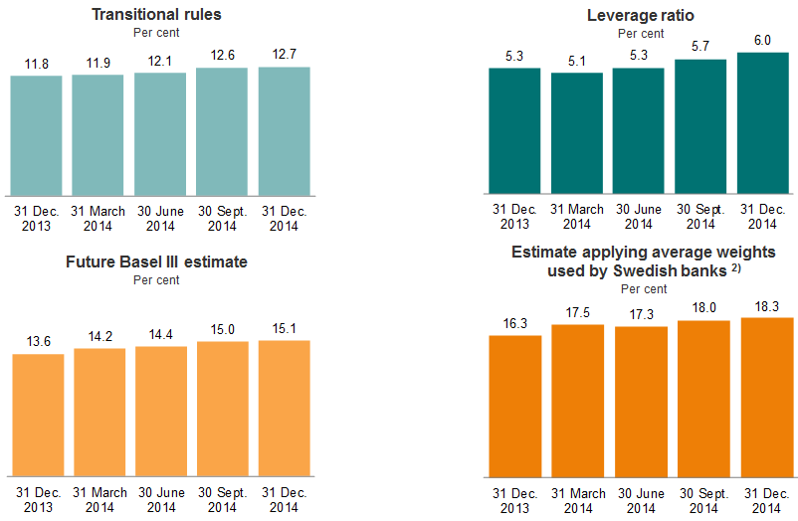

1) Common equity Tier 1 capital includes 50 per cent of interim profits in all quarters, apart from the Leverage Ratio figures. Annual figures are exclusive of dividend payments.
2) Average weights used by Swedish banks on corporate loans and loans secured by real estate.

1.10.4 Specification of capital requirements for credit risk

As at 31 December 2014 |  |  | Average
 |  | EAD, | risk | Risk- | Capital
 | Nominal | exposure | weights | weighted | require-
Amounts in NOK million | exposure | at default | (per cent) | volume | ments
IRB approach
...

Personal cust
...
Key figures in per cent:
Ratio of deposits to loans | 53.2 | 54.0 | 53.1 | 52.7 | 52.6 | 53.1 | 51.6 | 51.2 | 51.5
Return on allocated capital, annualised 1) | 24.7 | 25.5 | 24.0 | 21.4 | 43.0 | 40.1 | 32.1 | 29.5 | 32.4

1) Allocated capital corresponds to the external capital adequacy requirement (Basel II) which must be met by the Group. In consequence of stricter external capital requirements and the authorities’ signals of additional capital requirements for home mortgages, allocated capital to Personal customers were adjusted upwards in the first quarter of 2014. This resulted in a lower return on capital compared with the preceding quarters.
2) Including collective impairment.
3) Profits from repossessed operations which are fully consolidated in the DNB Group are presented net under ”Profit from repossessed operations” under the various segments.
4) Loans to customers include accrued interest and impairment. Correspondingly, deposits from customers include accrued interest.

2.2.2 Personal customers - Risk classification of portfolio 1)
 | 30 June 2013 | 30 Sept. 2013 | 31 Dec. 2013 | 31 March 2014 | 30 June 2014 | 30 Sept. 2014 | 31 Dec. 2014
Personal customers | 580.9 | 587.0 | 589.9 | 603.6 | 612.8 | 623.0 | 636.3
Personal customers | 172.4 | 169.5 | 165.2 | 163.5 | 168.2 | 169.8 | 164.5
Personal customers | 22.4 | 22.8 | 22.6 | 22.4 | 23.5 | 23.0 | 21.9
Personal customers | 3.5 | 3.5 | 3.5 | 3.4 | 3.1 | 3.5 | 3.5

1) Based on DNB's risk classification system. The volumes represent the expected outstanding amount in the event of default. PD = probability of default.

2.2.3 Personal customers - Exposure at default according to sector as at 31 Dec. 2014
 | 31 Dec.
Amounts in NOK billion | -
SME | 274.4
LCI | 809.0
Residential mortgages | 711.2
Private individuals | 115.0

2.2.4 Personal customers - Development in average volumes and interest rate spreads

 | 4Q14 | 3Q14 | 2Q14 | 1Q14 | 4Q13 | 3Q13 | 2Q13 | 1Q13 | 4Q12
Volumes (NOK billion):
Loans to customers 1) | 681 | 670 | 662 | 656 | 653 | 649 | 647 | 640 | 634
Deposits from customers 1) | 358 | 359 | 349 | 347 | 339 | 341 | 332 | 329 | 321
Spread income (NOK million):
...
Loan to value per risk grade as at 31 December 2014
40-60 | 26.1 % | 26.6 % | 25.7 % | 25.5 % | 26.0 % | 29.1 % | 29.4 % | 29.8 % | 28.7 %
60-75 | 34.6 % | 34.5 % | 34.3 % | 33.8 % | 33.3 % | 34.1 % | 34.0 % | 34.2 % | 34.1 %
75-85 | 16.4 % | 16.3 % | 16.7 % | 16.7 % | 16.1 % | 14.4 % | 13.8 % | 13.4 % | 13.8 %
>85 | 8.1 % | 7.6 % | 8.4 % | 9.2 % | 9.4 % | 5.9 % | 5.9 % | 5.7 % | 6.3 %
Total | 100.0 % | 100.0 % | 100.0 % | 100.0 % | 100.0 % | 100.0 % | 100.0 % | 100.0 % | 100.0 %
Total loans (NOK billion) | 664 | 657 | 646 | 637 | 629 | 622 | 613 | 600 | 593

1) Distribution of residential mortgages in the Personal customers segment within actual collateral categories. The volumes represent the IRB-approved mortgage portfolio and are the expected outstanding amount in the event of default.
2) Drawn residential mortgage volume: NOK 628 billion as at 31 December 2014, NOK 622 billion as at 30 September 2014, NOK 614 billion as at 30 June 2014 and NOK 601 billion as at 31 December 2013.
Development in loan to value
 | 30 June 2013 | 30 Sept. 2013 | 31 Dec. 2013 | 31 March 2014 | 30 June 2014 | 30 Sept. 2014 | 31 Dec. 2014
0-40 | 16.8 % | 16.6 % | 15.1 % | 14.8 % | 14.9 % | 15.1 % | 14.8 %
40-60 | 29.4 % | 29.1 % | 26.0 % | 25.5 % | 25.7 % | 26.6 % | 26.1 %
60-75 | 34.0 % | 34.1 % | 33.3 % | 33.8 % | 34.3 % | 34.5 % | 34.6 %
75-85 | 13.8 % | 14.4 % | 16.1 % | 16.7 % | 16.7 % | 16.3 % | 16.4 %
>85 | 5.9 % | 5.9 % | 9.4 % | 9.2 % | 8.4 % | 7.6 % | 8.1 %

2.2.7 DNB Boligkreditt - Average mortgage lending - volumes and spreads 1)

Amounts in NOK billion | 4Q14 | 3Q14 | 2Q14 | 1Q14 | 4Q13 | 3Q13 | 2Q13 | 1Q13 | 4Q12
Average loans to customers | 550 | 543 | 536 | 531 | 528 | 525 | 523 | 520 | 514
Spreads measured against actual funding costs (per cent) | 1.31 | 1.16 | 1.29 | 1.44 | 1.44 | 1.34 | 1.13 | 0.92 | 0.82

1) Residential mortgages in DNB Boligkreditt represented around 90 per cent of total residential mortgages to customers in Norway. The lending spreads measured against actual funding costs for the company are gross spreads before administrative expenses, risk cost and cost of capital.

2.2.8 DNB Eiendom - Residential real estate broking in Norway
...

SME
...
Key figures in per cent:
Cost/income ratio | 43.2 | 46.1 | 48.3 | 48.9 | 49.7 | 46.7 | 48.3 | 49.7 | 51.2
Ratio of deposits to loans | 77.4 | 76.0 | 71.4 | 71.7 | 71.4 | 71.9 | 70.3 | 70.5 | 71.8
Return on allocated capital, annualised 1) | 12.3 | 13.2 | 11.6 | 12.3 | 11.5 | 12.2 | 11.3 | 12.3 | 8.3

1) Allocated capital corresponds to the external capital adequacy requirement (Basel II) which must be met by the Group.
2) Including collective impairment.
3) Profits from repossessed operations which are fully consolidated in the DNB Group are presented net under "Profit from repossessed operations" under the various segments.
4) Loans to customers include accrued interest and impairment. Correspondingly, deposits from customers include accrued interest.

2.3.2 SME - Risk classification of portfolio 1)
 | 30 June 2013 | 30 Sept. 2013 | 31 Dec. 2013 | 31 March 2014 | 30 June 2014 | 30 Sept. 2014 | 31 Dec. 2014
Small and medium-sized enterprises | 147.3 | 140.1 | 140.7 | 144.6 | 148.3 | 150.4 | 148.3
Small and medium-sized enterprises | 102.2 | 103.8 | 99.7 | 97.7 | 95.0 | 91.7 | 98.0
Small and medium-sized enterprises | 19.9 | 23.2 | 22.6 | 21.2 | 22.0 | 24.3 | 24.2
Small and medium-sized enterprises | 4.3 | 4.2 | 3.8 | 3.6 | 3.9 | 4.2 | 3.9

1) Based on DNB's risk classification system. The volumes represent the expected outstanding amount in the event of default. PD = probability of default.

2.3.3 SME - Exposure at default according to sector as at 31 December 2014
 | 31 Dec.
Amounts in NOK billion | -
Per-sonal cus-tomers | 826.2
LCI | 809.0
Commercial real estate | 94.4
Shipping | 1.1
Logistics | 0.0
Oil, gas and offshore | 0.6
Energy | 6.4
Public sector | 15.5
Fishing and fish farming | 14.4
Trade | 20.8
Manufacturing | 19.3
Telecom and media | 2.7
Services | 13.8
Residential real estate and private individuals | 47.3
Other corporate customers | 33.8

2.3.4 SME - Development in average volumes and interest rate spreads

 | 4Q14 | 3Q14 | 2Q14 | 1Q14 | 4Q13 | 3Q13 | 2Q13 | 1Q13 | 4Q12
Volumes (NOK billion):
Loans to customers 1) | 216 | 213 | 212 | 209 | 206 | 204 | 203 | 201 | 201
Deposits from customers 1) | 168 | 163 | 153 | 152 | 148 | 147 | 144 | 144 | 145
...

LCI
...
Key figures in per cent:
Ratio of deposits to loans | 76.8 | 76.1 | 78.9 | 80.8 | 76.5 | 76.0 | 74.2 | 73.0 | 70.4
Return on allocated capital, annualised 1) | 13.8 | 15.3 | 12.3 | 13.9 | 14.6 | 12.7 | 10.7 | 10.2 | 9.0

1) Allocated capital corresponds to the external capital adequacy requirement (Basel II) which must be met by the Group.
2) Including collective impairment.
3) Profits from repossessed operations which are fully consolidated in the DNB Group are presented net under "Profit from repossessed operations" under the various segments.
4) Loans to customers include accrued interest and impairment. Correspondingly, deposits from customers include accrued interest.
5) Total operating expenses relative to total income. Total expenses exclude impairment losses for goodwill.

2.4.2 LCI - Risk classification of portfolio 1)
 | 30 June 2013 | 30 Sept. 2013 | 31 Dec. 2013 | 31 March 2014 | 30 June 2014 | 30 Sept. 2014 | 31 Dec. 2014
Large corporates and international customers 2) | 384.0 | 390.8 | 410.4 | 409.9 | 424.1 | 421.3 | 489.2
Large corporates and international customers 2) | 245.3 | 245.7 | 256.1 | 245.0 | 263.5 | 286.9 | 279.3
Large corporates and international customers 2) | 38.0 | 35.9 | 29.4 | 28.2 | 27.7 | 25.0 | 27.3
Large corporates and international customers 2) | 20.7 | 19.7 | 17.0 | 12.5 | 12.0 | 10.6 | 13.2

1) Based on DNB's risk classification system. The volumes represent the expected outstanding amount in the event of default. PD = probability of default.

2.4.3 LCI - Exposure at default according to sector as at 31 December 2014
 | 31 Dec.
Amounts in NOK billion | -
Per-sonal cus-tomers | 826.2
SME | 274.4
Commercial real estate | 112.9
Shipping | 134.4
Logistics | 26.3
Oil, gas and offshore | 133.1
Energy | 51.0
Public sector | 16.9
Fishing and fish farming | 26.0
Trade | 31.9
Manufacturing | 71.2
Telecom and media | 31.0
Services | 28.4
Residential real estate and private individuals | 48.3
Other corporate customers | 73.5

2.4.4 LCI - Average volumes

Amounts in NOK billion | 4Q14 | 3Q14 | 2Q14 | 1Q14 | 4Q13 | 3Q13 | 2Q13 | 1Q13 | 4Q12
Loans to customers 1)
Nordic Corporates Division | 156 | 157 | 155 | 153 | 152 | 150 | 146 | 145 | 150
International Corporates Division | 82 | 77 | 76 | 76 | 76 | 74 | 71 | 69 | 70
...
 | 4Q14 | 3Q14 | 2Q14 | 1Q14 | 4Q13 | 3Q13 | 2Q13 | 1Q13 | 4Q12
Lending spreads | 2,696 | 2,560 | 2,463 | 2,486 | 2,506 | 2,456 | 2,371 | 2,312 | 2,352
Deposit spreads | (104) | (128) | (151) | (153) | (151) | (168) | (164) | (142) | (128)
Spreads in per cent:
Lending spreads | 2.17 | 2.18 | 2.17 | 2.20 | 2.16 | 2.15 | 2.14 | 2.13 | 2.07
Deposit spreads | (0.11) | (0.14) | (0.17) | (0.16) | (0.17) | (0.19) | (0.19) | (0.17) | (0.16)

1) Loans to and deposits from customers. Nominal values, excluding impaired loans.

2.4.6 LCI - Nordic Corporates Division
Exposure at default according to sector |  |  | Risk classification of portfolio 1)
 | 31 Dec. 2014
Financial institutions | 17.1
Hotels and accomo-dation | 26.1
Commercial real estate | 75.0
Residential real estate | 17.4
Construction | 8.4
Services | 25.0
Public sector | 11.1
Trade | 23.2
Other corporate customers | 16.7
 | 30 June 2013 | 30 Sept. 2013 | 31 Dec. 2013 | 31 March 2014 | 30 June 2014 | 30 Sept. 2014 | 31 Dec. 2014
Nordic Corporates Division | 132.8 | 135.7 | 139.7 | 143.6 | 146.9 | 139.5 | 159.0
Nordic Corporates Division | 59.9 | 60.4 | 63.8 | 58.7 | 62.8 | 67.8 | 54.4
Nordic Corporates Division | 5.4 | 6.4 | 5.7 | 6.4 | 6.6 | 6.7 | 4.8
Nordic Corporates Division | 3.3 | 1.9 | 1.6 | 1.3 | 1.2 | 1.3 | 1.9

1) Based on DNB's risk classification system. The volumes represent the expected outstanding amount in the event of default. PD = probability of default.

2.4.7 LCI - International Corporates Division
Exposure at default according to sector |  |  | Risk classification of portfolio 1)
 | 31 Dec. 2014
Seafood and agriculture | 20.0
Healthcare | 35.8
Branded goods | 7.3
Forestry/ pulp and paper | 14.0
Other manu-facturing industries | 28.0
Technology, media and telecom | 27.6
Other business activities | 18.2
 | 30 June 2013 | 30 Sept. 2013 | 31 Dec. 2013 | 31 March 2014 | 30 June 2014 | 30 Sept. 2014 | 31 Dec. 2014
International Corporates Division | 71.7 | 77.8 | 79.1 | 76.6 | 80.4 | 82.7 | 98.7
International Corporates Division | 40.2 | 37.3 | 44.7 | 45.8 | 50.6 | 55.4 | 44.7
International Corporates Division | 2.4 | 4.6 | 2.1 | 3.1 | 4.5 | 3.4 | 6.3
International Corporates Division | 3.0 | 2.5 | 2.5 | 1.0 | 1.2 | 1.1 | 1.2

1) Based on DNB's risk classification system. The volumes represent the expected outstanding amount in the event of default. PD = probability of default.

2.4.8 LCI - Energy Division
Exposure at default according to sector |  |  | Risk classification of portfolio 1)
 | 31 Dec. 2014
Midstream | 17.7
Oil and gas | 55.5
Oilfield services | 26.4
Power and heat | 42.5
Other energy | 14.0
 | 30 June 2013 | 30 Sept. 2013 | 31 Dec. 2013 | 31 March 2014 | 30 June 2014 | 30 Sept. 2014 | 31 Dec. 2014
Energy Division | 98.4 | 98.7 | 107.7 | 108.8 | 111.9 | 113.4 | 129.5
Energy Division | 22.5 | 21.2 | 22.0 | 22.1 | 25.3 | 28.1 | 25.2
Energy Division | 0.7 | 0.5 | 0.4 | 0.8 | 0.8 | 0.8 | 1.3
Energy Division | 0.1 | 0.1 | 0.0 | 0.2 | 0.1 | 0.1 | 0.0

1) Based on DNB's risk classification system. The volumes represent the expected outstanding amount in the event of default. PD = probability of default.

2.4.9 LCI - Shipping, Offshore and Logistics Division
Exposure at default according to sector |  |  | Risk classification of portfolio 1)
 | 31 Dec. 2014
Chemical and product tankers | 15.0
Container | 24.3
Crude oil tankers | 22.3
Cruise | 11.0
Dry cargo | 24.4
Gas | 27.1
Logistics | 8.6
Offshore | 51.9
RoRo/PCC | 5.3
Other shipping | 5.7
Other non-shipping | 15.5
 | 30 June 2013 | 30 Sept. 2013 | 31 Dec. 2013 | 31 March 2014 | 30 June 2014 | 30 Sept. 2014 | 31 Dec. 2014
Shipping, Offshore and Logistics Division *) | 60.0 | 55.6 | 59.9 | 55.0 | 56.6 | 59.7 | 71.2
Shipping, Offshore and Logistics Division *) | 94.2 | 96.3 | 96.1 | 92.2 | 98.0 | 108.5 | 124.5
Shipping, Offshore and Logistics Division *) | 20.8 | 18.0 | 15.0 | 11.8 | 9.8 | 8.8 | 9.7
Shipping, Offshore and Logistics Division *) | 10.5 | 9.5 | 7.3 | 4.9 | 4.7 | 3.9 | 5.7

1) Based on DNB's risk classification system. The volumes represent the expected outstanding amount in the event of default. PD = probability of default.

2.4.10 LCI - Risk classification of portfolio according to sub-segments in the Shipping, Offshore and Logistics Division (SOL) 1)

 | 30 June 2013 | 30 Sept. 2013 | 31 Dec. 2013 | 31 March 2014 | 30 June 2014 | 30 Sept. 2014 | 31 Dec. 2014
Shipping portfolio - crude oil sector | 2.3 | 2.0 | 1.9 | 2.0 | 1.7 | 1.8 | 1.9
Shipping portfolio - crude oil sector | 9.0 | 10.4 | 11.9 | 10.8 | 13.8 | 16.3 | 17.7
Shipping portfolio - crude oil sector | 2.7 | 3.0 | 2.2 | 3.0 | 2.3 | 2.3 | 2.7
Shipping portfolio - crude oil sector | 2.6 | 2.4 | 1.6 | 0.2 | 0.0 | 0.0 | 0.0
 | 30 June 2013 | 30 Sept. 2013 | 31 Dec. 2013 | 31 March 2014 | 30 June 2014 | 30 Sept. 2014 | 31 Dec. 2014
Shipping portfolio - dry bulk sector | 1.0 | 0.8 | 1.7 | 1.6 | 1.6 | 1.6 | 0.6
Shipping portfolio - dry bulk sector | 10.9 | 10.4 | 11.1 | 10.6 | 11.3 | 16.3 | 19.8
Shipping portfolio - dry bulk sector | 4.8 | 4.4 | 4.4 | 4.1 | 3.9 | 2.3 | 2.5
Shipping portfolio - dry bulk sector | 4.3 | 4.0 | 1.4 | 1.4 | 1.3 | 1.3 | 1.4
The SOL portfolio - crude oil sector |  |  | The SOL portfolio - dry bulk sector

 | 30 June 2013 | 30 Sept. 2013 | 31 Dec. 2013 | 31 March 2014 | 30 June 2014 | 30 Sept. 2014 | 31 Dec. 2014
Shipping portfolio - container sector | 6.9 | 5.8 | 5.9 | 6.1 | 6.0 | 7.1 | 8.5
Shipping portfolio - container sector | 12.1 | 14.2 | 12.3 | 10.9 | 10.3 | 10.5 | 11.1
Shipping portfolio - container sector | 4.0 | 3.6 | 1.9 | 1.4 | 1.3 | 1.7 | 2.1
Shipping portfolio - container sector | 0.8 | 1.2 | 2.6 | 2.6 | 2.6 | 2.5 | 2.7
 | 30 June 2013 | 30 Sept. 2013 | 31 Dec. 2013 | 31 March 2014 | 30 June 2014 | 30 Sept. 2014 | 31 Dec. 2014
Other | 49.9 | 47.0 | 50.5 | 45.4 | 47.3 | 49.2 | 60.2
Other | 62.2 | 61.3 | 60.8 | 60.0 | 62.6 | 65.5 | 75.9
Other | 9.3 | 7.0 | 6.4 | 3.2 | 2.4 | 2.5 | 2.5
Other | 2.7 | 1.9 | 1.7 | 0.7 | 0.9 | 0.2 | 1.6
The SOL portfolio - container sector |  |  | The SOL portfolio - remaining sectors

1) Based on DNB's risk classification system. The volumes represent the expected outstanding amount in the event of default. PD = probability of default.

Norw.economy
...
4.1.2 Government net financial liabilities 2014

Per cent of GDP

Source: OECD Economic Outlook No. 96, November 2014

4.1.3 GDP growth mainland Norway and unemployment rate

Per cent |  |  |  |  |  | Per cent
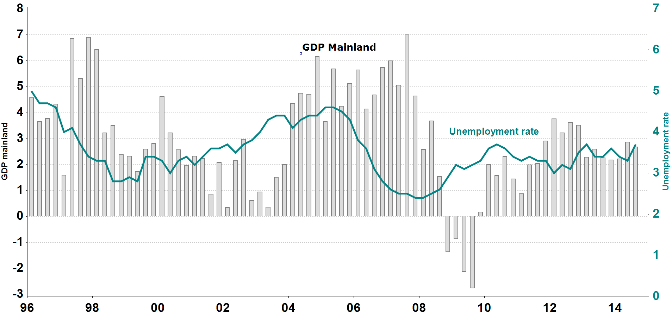
Source: Statistics Norway

4.1.4 Contribution to volume growth in GDP, mainland Norway

Per cent | 2013 | F 2014 | F 2015 | F 2016 | F 2017 | F 2018
Household demand | 1.5 | 0.9 | 0.7 | 1.0 | 1.3 | 1.5
Gross fixed capital formation, mainland companies | 0.2 | (0.1) | (0.1) | (0.0) | 0.0 | 0.2
Gross fixed capital formation, petroleum activity | (0.8) | (0.4) | (1.2) | (0.7) | (0.3) | 0.2
Public sector demand | 0.8 | 1.4 | 0.9 | 1.0 | 0.9 | 0.9
Exports, mainland Norway | 0.0 | 0.7 | 0.6 | 0.6 | 0.9 | 1.0
...
Per cent | 2012 | 2013 | F 2014 | F 2015 | F 2016
GDP | 2.0 | 1.7 | 3.3 | 3.3 | 3.6
Private consumption | 1.3 | 1.1 | 2.9 | 3.1 | 3.4
Gross fixed investments | (1.6) | (0.2) | 8.8 | 6.1 | 6.0
Inflation (CPI) | 3.7 | 0.9 | 0.0 | 0.4 | 1.9

Source: Consensus Economics Inc.

4.1.9 Credit market, 12 month percentage growth

Per cent
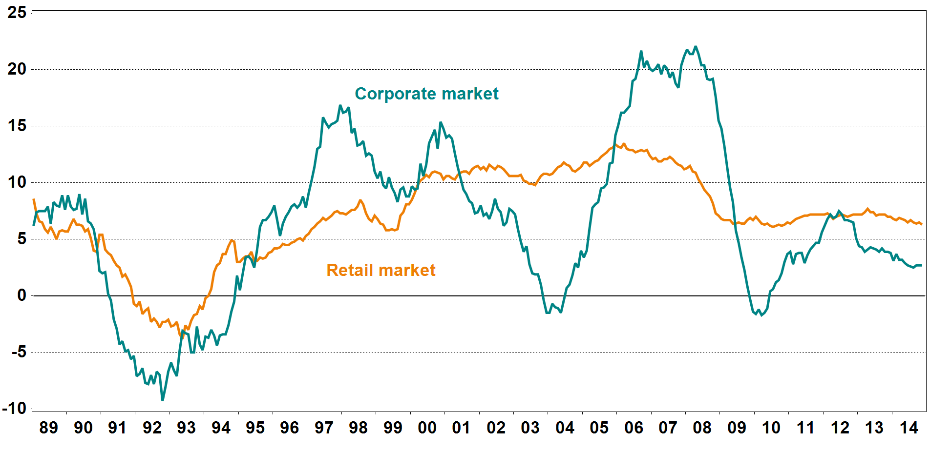
Source: Statistics Norway

4.1.10 Deposit market, 12 month percentage growth

Per cent
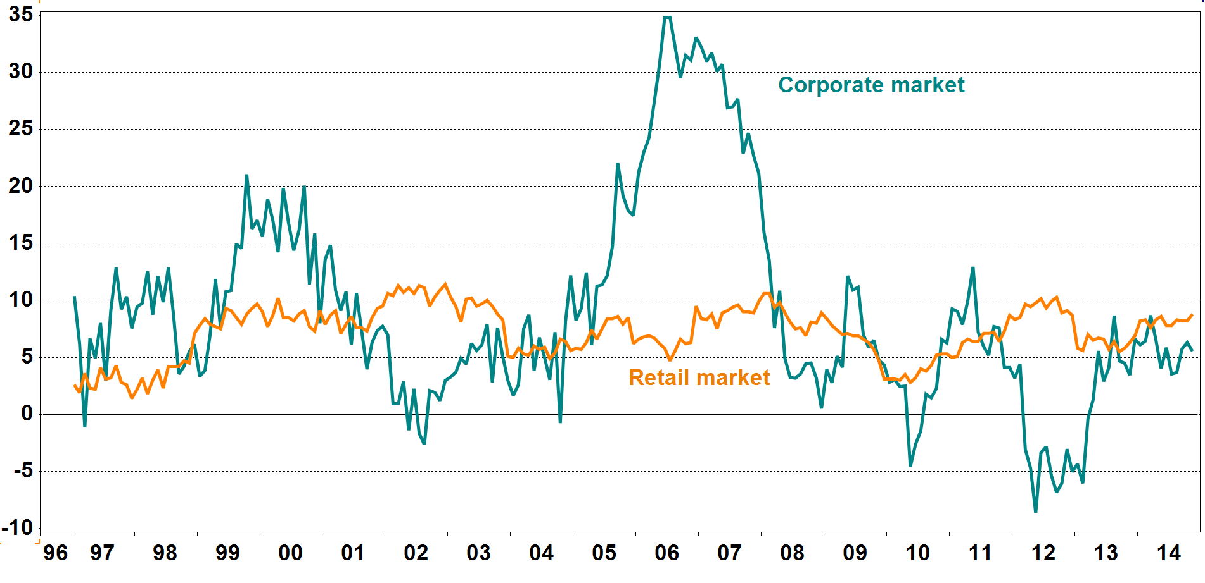
Source: Statistics Norway

4.1.11 House prices

Indices: 1985 = 100
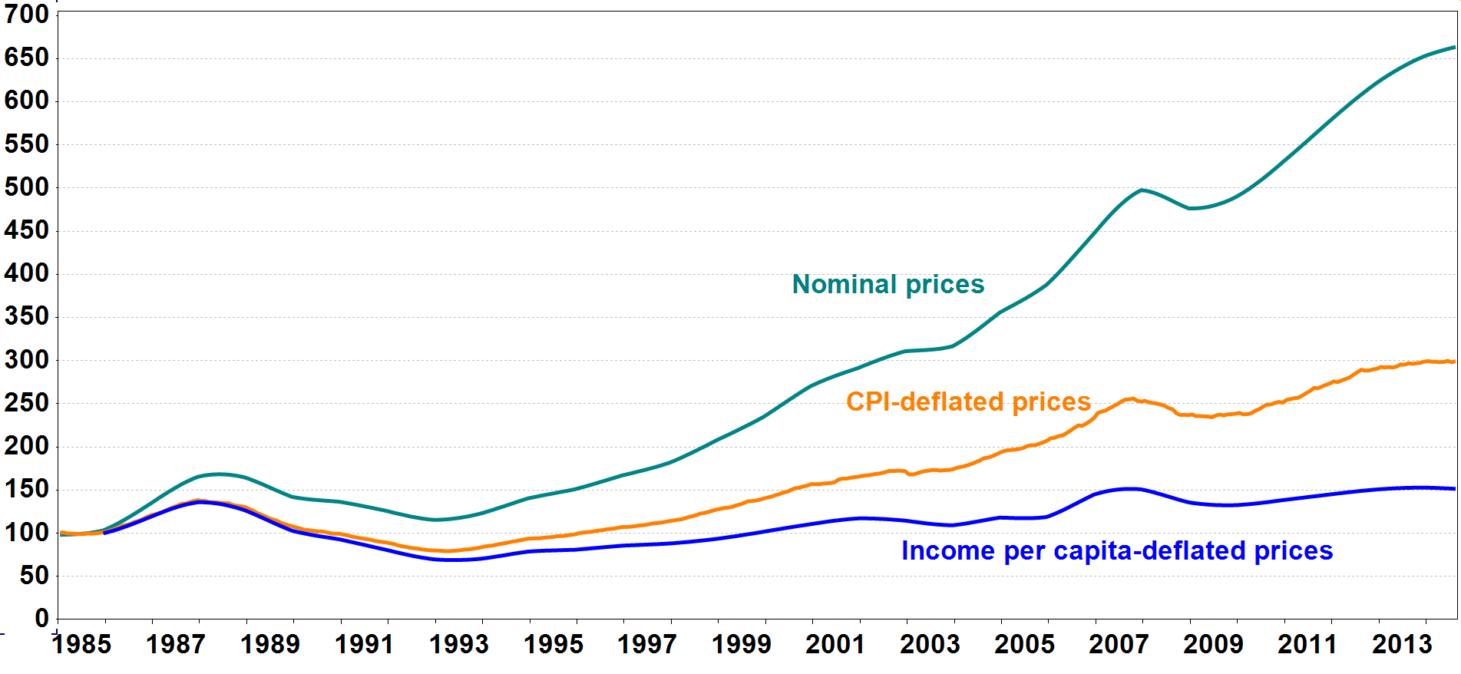
Source: Real Estate Norway, Finn.no, Eiendomsverdi AS and Statistics Norway

4.1.12 Household debt burden 1) and interest burden 2)

Per cent |  |  |  |  |  | Per cent
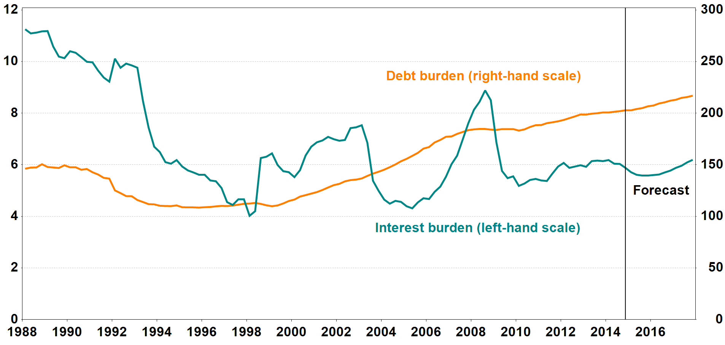
1) Loan debt as a percentage of disposable income.
2) Interest expenses after tax as a percentage of disposable income.

Source: Norges Bank

