Front
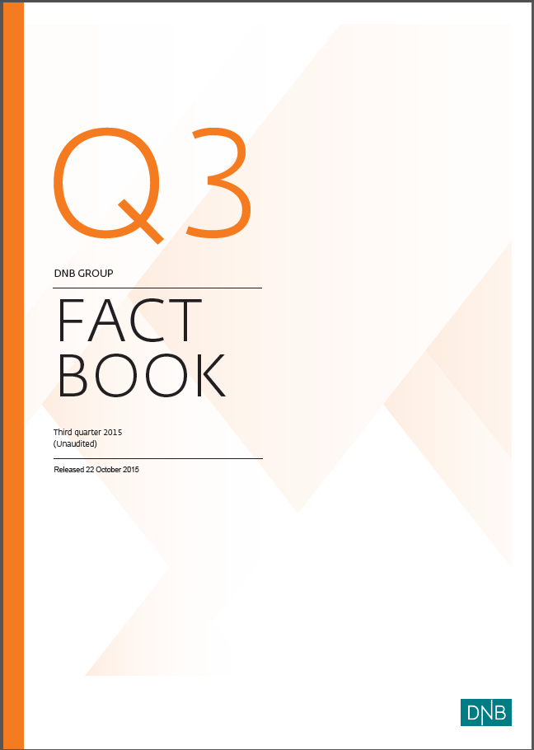

EAD (1)
1.8.1 Exposure at default by customer segments as defined in DNB's management reporting 1) 2)

DNB Group 3)
 | 30 Sept. | 30 June | 31 March | 31 Dec. | 30 Sept. | 30 June | 31 March | 31 Dec. | 30 Sept.
Amounts in NOK billion | 2015 | 2015 | 2015 | 2014 | 2014 | 2014 | 2014 | 2013 | 2013
Commercial real estate | 215.9 | 207.7 | 208.6 | 207.2 | 208.5 | 206.7 | 204.6 | 195.1 | 193.6
Shipping | 138.1 | 136.1 | 149.4 | 135.5 | 116.6 | 109.4 | 108.9 | 112.7 | 117.2
Logistics | 29.3 | 19.6 | 23.6 | 26.3 | 21.9 | 20.1 | 17.5 | 18.2 | 18.8
Oil, gas and offshore | 146.8 | 141.5 | 145.1 | 133.7 | 121.6 | 116.4 | 106.3 | 110.7 | 106.6
Energy | 53.3 | 51.8 | 55.5 | 57.4 | 53.1 | 55.6 | 57.6 | 57.4 | 52.7
Other corporate customers | 122.2 | 114.8 | 106.5 | 107.3 | 118.3 | 98.7 | 90.0 | 113.2 | 106.0
Public sector | 34.1 | 31.8 | 31.2 | 32.3 | 29.1 | 27.9 | 26.5 | 26.8 | 27.1
Fishing and fish farming | 37.6 | 35.3 | 37.6 | 40.4 | 38.8 | 42.2 | 41.9 | 38.0 | 41.5
Trade | 53.4 | 53.2 | 56.6 | 52.7 | 44.8 | 48.8 | 46.7 | 44.4 | 44.0
Manufacturing | 96.4 | 91.3 | 86.1 | 90.5 | 83.3 | 81.1 | 79.2 | 80.8 | 75.9
Telecom and media | 38.7 | 35.9 | 37.5 | 33.7 | 30.6 | 31.3 | 29.3 | 32.5 | 31.0
Services | 43.8 | 43.3 | 43.5 | 42.2 | 41.3 | 39.9 | 37.4 | 37.0 | 35.5
Residential mortgages | 827.6 | 821.1 | 807.0 | 805.7 | 785.5 | 784.1 | 770.0 | 757.3 | 759.3
Private individuals | 132.2 | 128.5 | 126.4 | 116.1 | 114.2 | 110.8 | 111.2 | 111.0 | 110.7
Total customers | 1,969.5 | 1,911.9 | 1,914.4 | 1,881.1 | 1,807.4 | 1,773.0 | 1,727.1 | 1,735.1 | 1,719.9
Credit institutions | 29.1 | 27.3 | 27.7 | 28.5 | 26.4 | 31.0 | 28.6 | 25.9 | 26.2
Total net exposure at default | 1,998.6 | 1,939.1 | 1,942.2 | 1,909.6 | 1,833.8 | 1,804.0 | 1,755.6 | 1,761.0 | 1,746.1

1) Including net non-performing and net doubtful loans and guarantees.
2) Exposures at default are based on full implementation of IRB, i.e. some of the IRB reported portfolios are still subject to final IRB approval from the Norwegian FSA (Finanstilsynet).
3) For a breakdown of the different customer segments, see next page.

Percentage distribution as at 30 September 2015

1.8.2 Risk classification of portfolio 1)

 | 30 Sept. | 30 June | 31 March | 31 Dec. | 30 Sept. | 30 June | 31 March | 31 Dec. | 30 Sept.
Amounts in NOK billion | 2015 | 2015 | 2015 | 2014 | 2014 | 2014 | 2014 | 2013 | 2013
PD 0.01% -
Personal customers | 661.7 | 655.3 | 646.4 | 636.3 | 623.0 | 612.8 | 603.6 | 589.9 | 587.0
Small and medium-sized enterprises | 147.5 | 139.3 | 139.0 | 148.3 | 150.4 | 148.3 | 144.6 | 140.7 | 140.1
Large corporates and international customers 2) | 537.3 | 497.8 | 504.8 | 489.2 | 421.3 | 424.1 | 409.9 | 410.4 | 390.8
Total DNB Group *) | 1,346.5 | 1,292.4 | 1,290.3 | 1,273.8 | 1,194.7 | 1,185.1 | 1,158.1 | 1,141.0 | 1,117.8
PD 0.75% -
Personal customers | 171.4 | 170.6 | 165.0 | 164.5 | 169.8 | 168.2 | 163.5 | 165.2 | 169.5
Small and medium-sized enterprises | 91.8 | 96.6 | 90.8 | 98.0 | 91.7 | 95.0 | 97.7 | 99.7 | 103.8
Large corporates and international customers 2) | 293.7 | 288.3 | 305.1 | 279.3 | 286.9 | 263.5 | 245.0 | 256.1 | 245.7
Total DNB Group *) | 556.8 | 555.4 | 560.9 | 541.8 | 548.4 | 526.6 | 506.2 | 521.1 | 519.0
PD 3.00% -
Personal customers | 20.3 | 21.0 | 20.8 | 21.9 | 23.0 | 23.5 | 22.4 | 22.6 | 22.8
Small and medium-sized enterprises | 21.2 | 20.1 | 21.8 | 24.2 | 24.3 | 22.0 | 21.2 | 22.6 | 23.2
Large corporates and international customers 2) | 35.2 | 32.4 | 30.2 | 27.3 | 25.0 | 27.7 | 28.2 | 29.4 | 35.9
Total DNB Group *) | 76.7 | 73.5 | 72.7 | 73.4 | 72.4 | 73.3 | 71.8 | 74.6 | 81.9
Net non-performing and net doubtful commitments
Personal customers | 3.2 | 3.5 | 3.4 | 3.5 | 3.5 | 3.1 | 3.4 | 3.5 | 3.5
Small and medium-sized enterprises | 4.3 | 4.3 | 3.4 | 3.9 | 4.2 | 3.9 | 3.6 | 3.8 | 4.2
Large corporates and international customers 2) | 11.0 | 10.0 | 11.5 | 13.2 | 10.6 | 12.0 | 12.5 | 17.0 | 19.7
Total DNB Group *) | 18.5 | 17.8 | 18.2 | 20.6 | 18.3 | 19.0 | 19.5 | 24.2 | 27.4
Total Personal customers | 856.6 | 850.4 | 835.5 | 826.2 | 819.3 | 807.6 | 792.9 | 781.2 | 782.8
Total Small and medium-sized enterprises | 264.8 | 260.2 | 255.0 | 274.4 | 270.7 | 269.2 | 267.1 | 266.8 | 271.3
Total Large corporates and international customers 2) | 877.2 | 828.6 | 851.6 | 809.0 | 743.9 | 727.2 | 695.6 | 713.0 | 692.1
Total risk classification of portfolio - DNB Group | 1,998.6 | 1,939.1 | 1,942.2 | 1,909.6 | 1,833.8 | 1,804.0 | 1,755.6 | 1,761.0 | 1,746.1

 | 30 Sept. | 30 June | 31 March | 31 March | 31 Dec. | 30 Sept. | 30 June | 31 March | 31 Dec.
Amounts in NOK billion | 2015 | 2015 | 2015 | 2015 | 2014 | 2014 | 2014 | 2014 | 2013
*) of which international portfolio
PD 0.01% - | 336.6 | 309.8 | 304.8 | 304.8 | 301.4 | 258.8 | 240.4 | 233.1 | 231.7
PD 0.75% - | 181.1 | 176.7 | 183.6 | 183.6 | 166.2 | 161.0 | 147.5 | 138.6 | 146.2
PD 3.00% - | 15.7 | 15.7 | 18.6 | 18.6 | 17.7 | 16.7 | 18.8 | 18.0 | 20.8
Net non-performing and net doubtful commitments | 8.9 | 7.9 | 8.9 | 8.9 | 11.0 | 9.0 | 10.4 | 10.8 | 14.1
Total international portfolio | 542.3 | 510.1 | 515.8 | 515.8 | 496.4 | 445.4 | 417.1 | 400.5 | 412.8
*) of which commercial real estate
PD 0.01% - | 143.6 | 136.3 | 139.1 | 139.1 | 135.6 | 124.3 | 124.4 | 119.0 | 106.8
PD 0.75% - | 60.7 | 59.9 | 56.7 | 56.7 | 58.7 | 69.6 | 68.7 | 73.2 | 77.1
PD 3.00% - | 8.7 | 8.7 | 9.8 | 9.8 | 9.7 | 11.3 | 10.2 | 8.9 | 7.4
Net non-performing and net doubtful commitments | 2.9 | 2.9 | 3.0 | 3.0 | 3.3 | 3.3 | 3.4 | 3.5 | 3.8
Total commercial real estate | 215.9 | 207.7 | 208.6 | 208.6 | 207.2 | 208.5 | 206.7 | 204.6 | 195.1

1) Based on DNB's risk classification system. The volumes represent the expected outstanding amount in the event of default. PD = probability of default.
2) For a breakdown into sub-segments, see table 1.8.8.

1.8.3 Risk classification of portfolio - DNB Group 1) *)
 | 31 March 2014 | 30 June 2014 | 30 Sept. 2014 | 31 Dec. 2014 | 31 March 2015 | 30 June 2015 | 30 Sept. 2015
Total DNB Group *) | 1158.0699675 | 1185.1440632 | 1194.7241933 | 1273.8026726 | 1290.2791279 | 1292.409005 | 1346.5448036
Total DNB Group *) | 506.24793127 | 526.60534867 | 548.39855966 | 541.79568514 | 560.91663925 | 555.39971741 | 556.83451106
Total DNB Group *) | 71.777096152 | 73.253556063 | 72.388576444 | 73.369144575 | 72.74986886 | 73.49655888 | 76.732694372
Total DNB Group *) | 19.529054321 | 19.027306293 | 18.326962243 | 20.614390553 | 18.217669721 | 17.834281498 | 18.488003966

*) of which international portfolio 1) 2) |  |  | *) of which commercial real estate 1)
 | 31 March 2014 | 30 June 2014 | 30 Sept. 2014 | 31 Dec. 2014 | 31 March 2015 | 30 June 2015 | 30 Sept. 2015
PD 0.01% - | 240.42135397 | 258.75177388 | 301.44498085 | 304.79033299 | 304.79033299 | 309.83482007 | 336.59928251
PD 0.75% - | 147.52078549 | 161.00568083 | 166.24535597 | 183.62804578 | 183.62804578 | 176.66163508 | 181.13935004
PD 3.00% - | 18.785357891 | 16.681745809 | 17.71336939 | 18.562617343 | 18.562617343 | 15.746566479 | 15.685932756
Net non-performing and net doubtful commitments | 10.382771665 | 8.978923599 | 11.023803703 | 8.8562351761 | 8.8562351761 | 7.8846756056 | 8.916274044
 | 31 March 2014 | 30 June 2014 | 30 Sept. 2014 | 31 Dec. 2014 | 31 March 2015 | 30 June 2015 | 30 Sept. 2015
PD 0.01% - | 124.40384833 | 124.31072403 | 135.56782764 | 139.14571933 | 139.14571933 | 136.26019526 | 143.59749624
PD 0.75% - | 68.730270841 | 69.566791736 | 58.697550242 | 56.669488594 | 56.669488594 | 59.91463974 | 60.735093888
PD 3.00% - | 10.177778277 | 11.301071061 | 9.6971461718 | 9.8021339393 | 9.8021339393 | 8.6584263363 | 8.6818854017
Net non-performing and net doubtful commitments | 3.4213062167 | 3.3120181054 | 3.2819055873 | 2.9851658802 | 2.9851658802 | 2.8660682518 | 2.9232196506

1) Based on DNB's risk classification system. The volumes represent the expected outstanding amount in the event of default. PD = probability of default.
2) The international portfolio comprises business recorded outside Norway.

1.8.4 Segment areas - exposure at default according to sector 1) 2)

Personal customers
 | 30 Sept. | 30 June | 31 March | 31 Dec. | 30 Sept. | 30 June | 31 March | 31 Dec. | 30 Sept.
Amounts in NOK billion | 2015 | 2015 | 2015 | 2014 | 2014 | 2014 | 2014 | 2013 | 2013
Commercial real estate
Shipping
Logistics
Oil, gas and offshore
Energy
Public sector
Fishing and fish farming
Trade
Manufacturing
Telecom and media
Services
Residential mortgages | 735.8 | 732.0 | 717.6 | 711.2 | 706.1 | 696.7 | 681.7 | 670.3 | 672.0
Private individuals | 120.8 | 118.4 | 118.0 | 115.0 | 113.3 | 110.8 | 111.2 | 111.0 | 110.7
Other corporate customers
Total customers | 856.6 | 850.4 | 835.5 | 826.2 | 819.3 | 807.6 | 792.9 | 781.2 | 782.8
Credit institutions
Total net exposure at default | 856.6 | 850.4 | 835.5 | 826.2 | 819.3 | 807.6 | 792.9 | 781.2 | 782.8

Small and medium-sized enterprises
 | 30 Sept. | 30 June | 31 March | 31 Dec. | 30 Sept. | 30 June | 31 March | 31 Dec. | 30 Sept.
Amounts in NOK billion | 2015 | 2015 | 2015 | 2014 | 2014 | 2014 | 2014 | 2013 | 2013
Commercial real estate | 98.9 | 97.5 | 94.1 | 94.4 | 93.8 | 92.1 | 90.1 | 79.6 | 79.4
Shipping | 1.2 | 2.1 | 2.2 | 1.1 | 0.8 | 0.8 | 0.9 | 0.8 | 0.8
Logistics | 0.0 | 0.0 | 0.0 | 0.0 | 0.0 | 0.0 | 0.0 | 0.0 | 0.0
Oil, gas and offshore | 0.7 | 0.5 | 0.5 | 0.6 | 0.7 | 1.0 | 1.0 | 1.0 | 0.7
Energy | 7.1 | 6.5 | 6.2 | 6.4 | 7.0 | 7.0 | 8.6 | 8.8 | 8.6
Public sector | 15.1 | 14.1 | 14.5 | 15.5 | 13.7 | 13.9 | 13.2 | 12.8 | 13.1
Fishing and fish farming | 14.0 | 14.0 | 14.3 | 14.4 | 13.7 | 14.2 | 13.8 | 11.5 | 13.3
Trade | 19.2 | 19.4 | 19.5 | 20.8 | 17.3 | 21.3 | 20.6 | 19.1 | 20.5
Manufacturing | 20.0 | 18.9 | 18.6 | 19.3 | 20.4 | 19.0 | 18.5 | 17.8 | 18.3
Telecom and media | 2.1 | 2.0 | 1.9 | 2.7 | 2.1 | 2.5 | 2.4 | 2.6 | 2.4
Services | 11.1 | 11.1 | 10.8 | 13.8 | 11.9 | 13.4 | 12.8 | 11.9 | 11.0
Residential real estate and private individuals | 45.3 | 44.9 | 44.1 | 47.3 | 35.3 | 40.9 | 41.6 | 39.7 | 41.7
Other corporate customers | 25.5 | 24.5 | 24.0 | 33.8 | 49.6 | 38.6 | 38.4 | 56.6 | 56.8
Total customers | 260.2 | 255.5 | 251.0 | 270.1 | 266.3 | 264.8 | 262.0 | 262.3 | 266.6
Credit institutions | 4.5 | 4.7 | 3.9 | 4.3 | 4.4 | 4.4 | 5.0 | 4.5 | 4.7
Total net exposure at default | 264.8 | 260.2 | 255.0 | 274.4 | 270.7 | 269.2 | 267.1 | 266.8 | 271.3

Large corporates and international customers 3)
 | 30 Sept. | 30 June | 31 March | 31 Dec. | 30 Sept. | 30 June | 31 March | 31 Dec. | 30 Sept.
...
1.8.6 Exposure at default, geographic distribution of commercial real estate exposure 1) 2)
Oslo/ Akershus | 63.0 | 59.1 | 59.7 | 60.0 | 59.1 | 66.7 | 60.7 | 60.1 | 62.5
Eastern Norway excl. Oslo/ Akershus | 52.0 | 50.7 | 50.5 | 49.5 | 52.4 | 45.6 | 44.5 | 42.5 | 40.7
Western Norway | 44.8 | 44.0 | 41.1 | 41.3 | 42.2 | 41.2 | 39.7 | 39.3 | 41.2
Central/ Northern Norway | 39.1 | 38.2 | 37.6 | 36.7 | 37.1 | 36.6 | 38.0 | 29.9 | 30.4
Sweden | 4.9 | 4.1 | 6.9 | 6.8 | 7.6 | 6.0 | 8.9 | 9.5 | 7.0
Baltics and Poland | 8.6 | 8.2 | 9.0 | 9.2 | 8.0 | 7.2 | 9.2 | 9.7 | 7.7
Other Europe | 3.6 | 3.5 | 3.8 | 3.7 | 2.1 | 3.5 | 3.6 | 4.0 | 4.2
Total | 215.9 | 207.7 | 208.6 | 207.2 | 208.5 | 206.7 | 204.6 | 195.1 | 193.6

Exposure at default, breakdown of commercial real estate exposure 1) 2) |  |  | Exposure at default, geographic distribution of commercial real estate exposure 1) 2)
 | 30 Sept. 2015
Retail store facility building loans | 1.7524664551
Hotel building loans | 5.5938765993
Shopping centre building loans | 2.1843169807
Office premises building loans | 4.5620404903
Leasing of retail store facilities | 12.021958034
Leasing of hotels | 17.360937883
Leasing of shopping centres | 12.011857476
Leasing of office premises | 97.906665444
Leasing of warehouse/ logistics/ multi-purpose buildings | 19.43104182
Other | 43.112534

1) Exposures at default are based on full implementation of IRB, i.e. some of the IRB reported portfolios are still subject to final IRB approval from the Norwegian FSA (Finanstilsynet).
2) The definition of these segments reflects the actual underlying commercial property risk.

1.8.7 Sub-segments in Large corporates and international customers - exposure at default according to sector 1)

Nordic Corporates Division | 30 Sept. | 30 June | 31 March | 31 Dec. | 30 Sept. | 30 June | 31 March | 31 Dec. | 30 Sept.
Amounts in NOK billion | 2015 | 2015 | 2015 | 2014 | 2014 | 2014 | 2014 | 2013 | 2013
Financial institutions | 17.8 | 14.2 | 17.9 | 17.1 | 16.2 | 20.3 | 18.3 | 18.9 | 18.6
...

Liq.&funding (2)
...
1) As of 19 October 2015
2) Callable after five years.

1.9.3 Redemption profile as at 30 September 2015

NOK billion | 2015 | 2016 | 2017 | 2018 | 2019 | 2020 | 2021 | 2022 | 2023 | 2024 | >2024
Senior unsecured bonds | 2.9 | 15.4 | 34.6 | 19.6 | 15.5 | 32.3 | 22.6 | 19.3 | 1.3 | 1.5 | 4.8
Covered bonds | 16.0 | 71.8 | 62.3 | 70.2 | 57.1 | 32.2 | 43.7 | 34.9 | 10.6 | 9.7 | 29.5
Total | 18.9 | 87.2 | 96.9 | 89.8 | 72.6 | 64.5 | 66.3 | 54.2 | 11.9 | 11.2 | 34.3

 | 19 | 87 | 97 | 90 | 73 | 64 | 66 | 54 | 12 | 11 | 34 | 0

A total overview of subordinated loans as at 30 September 2015 can be found in the appendix on page 94-97.

Cap.adeq
...
 | 30 Sept. | 30 June | 31 March | 31 Dec. | 30 Sept. | 30 June | 31 March | 31 Dec. | 30 Sept.
Operational risk | 6,546 | 6,546 | 6,546 | 6,546 | 6,408 | 6,408 | 6,408 | 6,408 | 5,793
Net insurance, after eliminations | 6,701 | 6,761 | 6,814 | 6,828 | 7,113 | 7,008 | 7,253 | 6,982 | 7,170
Deductions |  |  |  |  |  | (52) | (57) | (60) | (56)
Total capital requirements according to Basel III | 86,156 | 85,261 | 87,660 | 82,119 | 77,898 | 77,936 | 78,317 | 79,840 | 81,477
Additional capital requirements according to transitional rules | 7,148 | 6,046 | 4,469 | 7,534 | 8,478 | 9,685 | 8,684 | 7,289 | 5,858
Total capital requirements according to transitional rules | 93,303 | 91,306 | 92,128 | 89,653 | 86,376 | 87,621 | 87,001 | 87,129 | 87,335

1) See next page for further details.

1.10.3 Common equity Tier 1 capital ratio1)
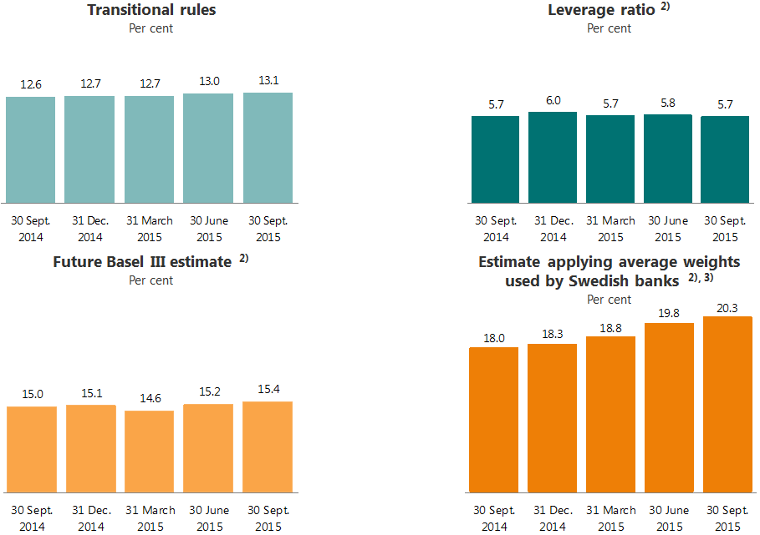

1) Common equity Tier 1 capital includes 50 per cent of interim profits in all quarters, apart from the leverage ratio figures. Annual figures are exclusive of dividend payments. A 10 percentage point change in retained earnings corresponds to a 15 basis point change in the CET1 ratio at end-September 2015.
2) The calculations from end-June 2015 have been altered in accordance with the proposed new rules.
3) Average weights used by Swedish banks on corporate loans and loans secured by real estate.

1.10.4 Specification of capital requirements for credit risk

As at 30 September 2015 |  |  | Average
 |  | EAD, | risk | Risk- | Capital
 | Nominal | exposure | weights | weighted | require-
Amounts in NOK million | exposure | at default | (per cent) | volume | ments
...

Personal cust
...
Key figures in per cent:
Ratio of deposits to loans | 56.0 | 54.6 | 54.2 | 53.9 | 54.7 | 53.7 | 53.7 | 53.4 | 53.8
Return on allocated capital, annualised 5) | 30.0 | 20.6 | 20.4 | 24.5 | 25.3 | 23.6 | 21.3 | 42.9 | 40.0

1) As of 1 January 2015, DNB Finans’ operations in Sweden are included in the Large corporates and international customers segment. Figures for previous periods have been adjusted correspondingly.
2) Including collective impairment.
3) Profits from repossessed operations which are fully consolidated in the DNB Group are presented net under ”Profit from repossessed operations” under the various segments.
4) Loans to customers include accrued interest and impairment. Correspondingly, deposits from customers include accrued interest.
5) Allocated capital corresponds to the external capital adequacy requirement (Basel III) which must be met by the Group. In consequence of stricter external capital requirements and the authorities’ signals of additional capital requirements for home mortgages, allocated capital to Personal customers were adjusted upwards in the first quarter of 2015. This resulted in a lower return on capital compared with the preceding quarters.

2.2.2 Personal customers - Risk classification of portfolio 1)
 | 31 March 2014 | 30 June 2014 | 30 Sept. 2014 | 31 Dec. 2014 | 31 March 2015 | 30 June 2015 | 30 Sept. 2015
Personal customers | 603.59405518 | 612.75861281 | 622.99588633 | 636.3429524 | 646.43850946 | 655.3310169 | 661.66443836
Personal customers | 163.53516008 | 168.1655349 | 169.81907529 | 164.51872961 | 164.98120174 | 170.55223508 | 171.40308444
Personal customers | 22.385485204 | 23.53952992 | 23.030289973 | 21.86452016 | 20.768645344 | 20.961269729 | 20.337964053
Personal customers | 3.4298805426 | 3.0929012543 | 3.4728764492 | 3.4733801363 | 3.3525331256 | 3.526402268 | 3.1985976033

1) Based on DNB's risk classification system. The volumes represent the expected outstanding amount in the event of default. PD = probability of default.

2.2.3 Personal customers - Exposure at default according to sector as at 30 Sept. 2015
 | 30 Sept.
Amounts in NOK billion | 0
SME | 264.75276535
LCI | 877.24316317
Residential mortgages | 735.84242535
Private individuals | 120.76165911

2.2.4 Personal customers - Development in average volumes and interest rate spreads 1)

 | 3Q15 | 2Q15 | 1Q15 | 4Q14 | 3Q14 | 2Q14 | 1Q14 | 4Q13 | 3Q13
Volumes (NOK billion):
Loans to customers 2) | 693 | 686 | 677 | 672 | 661 | 653 | 645 | 644 | 640
Deposits from customers 2) | 387 | 374 | 368 | 358 | 359 | 349 | 347 | 339 | 341
Spread income (NOK million):
...
Loan to value per risk grade as at 30 September 2015 - recalibrated
Total | 100.0 % | 100.0 % | 100.0 % | 100.0 % |  |  |  | 100.0 %
Average loan to value | 60.0 % | 60.8 % | 62.9 % | 62.9 % |  |  |  | 65.1 %
Total exposure at default (NOK billion) | 703 | 693 | 680 | 667 |  |  |  | 637
Total drawn amount (NOK billion) | 646 | 638 | 627 | 616 |  |  |  | 589

1) Distribution of residential mortgages, recalibrated, in the Personal customers segment within actual collateral categories. The volumes represent the IRB-approved mortgage portfolio and are the expected outstanding amount in the event of default.
2) The total commitment (EAD) is included within the actual collateral category.
See next page for a graphic depiction of Development in loan to value.

Development in loan to value
 | 31 March 2015 | 30 June 2015 | 30 Sept. 2015
0-40 | 0.14335976976 | 0.15820200861 | 0.16232124189
40-60 | 0.2690167235 | 0.29914593689 | 0.30647148601
60-75 | 0.3357207384 | 0.33476835448 | 0.33204421744
75-85 | 0.16317784862 | 0.1381585979 | 0.13196671156
>85 | 0.088724919728 | 0.069725102113 | 0.067196343099

2.2.6 Personal customers - Distribution of loan to value (continued)
Development in loan to value per risk grade - before recalibration
Discontinued table |  |  |  | 31 Dec. | 30 Sept. | 30 June | 31 March | 31 Dec. | 30 Sept.
 |  |  |  | 2014 | 2014 | 2014 | 2014 | 2013 | 2013
Loan to value in per cent:
0-40 |  |  |  | 14.8 % | 15.1 % | 14.9 % | 14.8 % | 15.1 % | 16.6 %
40-60 |  |  |  | 26.1 % | 26.6 % | 25.7 % | 25.5 % | 26.0 % | 29.1 %
60-75 |  |  |  | 34.6 % | 34.5 % | 34.3 % | 33.8 % | 33.3 % | 34.1 %
75-85 |  |  |  | 16.4 % | 16.3 % | 16.7 % | 16.7 % | 16.1 % | 14.4 %
...

SME
...
Key figures in per cent:
Ratio of deposits to loans | 80.5 | 79.5 | 78.9 | 80.8 | 79.3 | 74.4 | 74.8 | 74.6 | 75.0
Return on allocated capital, annualised 5) | 14.0 | 12.2 | 11.9 | 12.4 | 13.3 | 11.7 | 12.4 | 11.7 | 12.0

1) As of 1 January 2015, DNB Finans’ operations in Sweden and Denmark are included in the Large corporates and international customers segment. Figures for previous periods have been adjusted correspondingly.
2) Including collective impairment.
3) Profits from repossessed operations which are fully consolidated in the DNB Group are presented net under "Profit from repossessed operations" under the various segments.
4) Loans to customers include accrued interest and impairment. Correspondingly, deposits from customers include accrued interest.
5) Allocated capital corresponds to the external capital adequacy requirement (Basel III) which must be met by the Group.

2.3.2 SME - Risk classification of portfolio 1)
 | 31 March 2014 | 30 June 2014 | 30 Sept. 2014 | 31 Dec. 2014 | 31 March 2015 | 30 June 2015 | 30 Sept. 2015
Small and medium-sized enterprises | 144.57420742 | 148.28635977 | 150.42746073 | 148.25373665 | 139.01303153 | 139.25008812 | 147.53079347
Small and medium-sized enterprises | 97.698277848 | 94.98574877 | 91.655550511 | 98.009231278 | 90.841425649 | 96.550257198 | 91.772728541
Small and medium-sized enterprises | 21.169870126 | 22.042731639 | 24.342404578 | 24.231598709 | 21.752741506 | 20.111674041 | 21.156740337
Small and medium-sized enterprises | 3.634775017 | 3.9285756693 | 4.2262199193 | 3.9179119893 | 3.3654792923 | 4.2645622045 | 4.2925029966

1) Based on DNB's risk classification system. The volumes represent the expected outstanding amount in the event of default. PD = probability of default.

2.3.3 SME - Exposure at default according to sector as at 30 Sept. 2015
 | 30 Sept.
Amounts in NOK billion | 0
Per-sonal cus-tomers | 856.60408446
LCI | 877.24316317
Commercial real estate | 98.921079483
Shipping | 1.1943878464
Logistics | 0
Oil, gas and offshore | 0.69323644049
Energy | 7.0989700626
Public sector | 15.091441277
Fishing and fish farming | 13.973589582
Trade | 19.246213306
Manufacturing | 20.033734197
Telecom and media | 2.087997763
Services | 11.130177834
Residential real estate and private individuals | 45.275618576
Other corporate customers | 25.490934437

2.3.4 SME - Development in average volumes and interest rate spreads 1)

 | 3Q15 | 2Q15 | 1Q15 | 4Q14 | 3Q14 | 2Q14 | 1Q14 | 4Q13 | 3Q13
Volumes (NOK billion):
Loans to customers 2) | 214 | 212 | 209 | 207 | 204 | 203 | 200 | 197 | 195
Deposits from customers 2) | 175 | 170 | 167 | 168 | 163 | 153 | 152 | 148 | 147
Spread income (NOK million):
...

LCI
...
Key figures in per cent:
Ratio of deposits to loans | 70.2 | 67.9 | 68.8 | 74.1 | 73.4 | 76.1 | 77.9 | 73.7 | 73.2
Return on allocated capital, annualised 5) | 11.5 | 13.8 | 11.4 | 13.8 | 15.4 | 12.5 | 14.0 | 14.6 | 12.8

1) As of 1 January 2015, DNB Finans’ operations in Sweden and Denmark are included in the Large corporates and international customers segment. Previously, these operations were divided between the Small and medium-sized enterprises and Personal customer segments. Figures for previous periods have been adjusted correspondingly.
2) Including collective impairment.
3) Profits from repossessed operations which are fully consolidated in the DNB Group are presented net under "Profit from repossessed operations" under the various segments.
4) Loans to customers include accrued interest and impairment. Correspondingly, deposits from customers include accrued interest.
5) Allocated capital corresponds to the external capital adequacy requirement (Basel III) which must be met by the Group.

2.4.2 LCI - Risk classification of portfolio 1)
 | 31 March 2014 | 30 June 2014 | 30 Sept. 2014 | 31 Dec. 2014 | 31 March 2015 | 30 June 2015 | 30 Sept. 2015
Large corporates and international customers 2) | 409.90170491 | 424.09909063 | 421.30084627 | 489.20598357 | 504.82758696 | 497.82789999 | 537.34957175
Large corporates and international customers 2) | 245.01449335 | 263.45406499 | 286.92393386 | 279.26772426 | 305.09401186 | 288.29722513 | 293.65869808
Large corporates and international customers 2) | 28.221740822 | 27.671294504 | 25.015881893 | 27.273025706 | 30.22848201 | 32.42361511 | 35.237989981
Large corporates and international customers 2) | 12.464398762 | 12.005829369 | 10.627865875 | 13.223098428 | 11.499657303 | 10.043317026 | 10.996903366

1) Based on DNB's risk classification system. The volumes represent the expected outstanding amount in the event of default. PD = probability of default.

2.4.3 LCI - Exposure at default according to sector as at 30 September 2015
 | 30 Sept.
Amounts in NOK billion | 0
Per-sonal cus-tomers | 856.60408446
SME | 264.75276535
Commercial real estate | 117.0166157
Shipping | 136.86878989
Logistics | 29.348450962
Oil, gas and offshore | 146.09534192
Energy | 46.227927946
Public sector | 18.973789886
Fishing and fish farming | 23.596520957
Trade | 34.160574708
Manufacturing | 76.406933203
Telecom and media | 36.599357477
Services | 32.70804364
Residential real estate and private individuals | 57.93383363
Other corporate customers | 96.739284403

2.4.4 LCI - Average volumes

Amounts in NOK billion | 3Q15 | 2Q15 | 1Q15 | 4Q14 | 3Q14 | 2Q14 | 1Q14 | 4Q13 | 3Q13
Loans to customers 2)
Nordic Corporates Division | 157 | 156 | 154 | 156 | 157 | 155 | 153 | 152 | 150
International Corporates Division | 104 | 95 | 91 | 82 | 77 | 76 | 76 | 76 | 74
...
 | 3Q15 | 2Q15 | 1Q15 | 4Q14 | 3Q14 | 2Q14 | 1Q14 | 4Q13 | 3Q13
Spreads in per cent:
Lending spreads 3) | 2.18 | 2.17 | 2.18 | 2.20 | 2.19 | 2.18 | 2.22 | 2.21 | 2.18
Deposit spreads | (0.06) | (0.10) | (0.10) | (0.11) | (0.14) | (0.17) | (0.16) | (0.17) | (0.19)

1) As of 1 January 2015, DNB Finans’ operations in Sweden and Denmark are included in the Large corporates and international customers segment. Previously, these operations were divided between the Small and medium-sized enterprises and Personal customer segments. Figures for previous periods have been adjusted correspondingly.
2) Loans to and deposits from customers. Nominal values, excluding impaired loans.
3) Margin calculations for finance leases were adjusted in the third quarter of 2015. Figures for previous periods have been restated accordingly.

2.4.6 LCI - Nordic Corporates Division
Exposure at default according to sector |  |  | Risk classification of portfolio 1)
 | 30 Sept. 2015
Financial institutions | 17.762704273
Hotels and accomo-dation | 20.956616182
Commercial real estate | 86.784621199
Residential real estate | 14.187289924
Construction | 7.4780785375
Services | 27.48490113
Public sector | 12.777655791
Trade | 22.50156529
Other corporate customers | 11.859653237
 | 31 March 2014 | 30 June 2014 | 30 Sept. 2014 | 31 Dec. 2014 | 31 March 2015 | 30 June 2015 | 30 Sept. 2015
Nordic Corporates Division | 143.60150095 | 146.94492594 | 139.52355872 | 158.98146454 | 157.23709251 | 150.68679716 | 167.08010712
Nordic Corporates Division | 58.657240417 | 62.818207196 | 67.810252007 | 54.392921179 | 53.32062419 | 49.730020907 | 44.85523875
Nordic Corporates Division | 6.4015052386 | 6.5563825823 | 6.7128802399 | 4.8486641841 | 5.6893774917 | 6.9616884944 | 8.2612257504
Nordic Corporates Division | 1.3364132552 | 1.2120726784 | 1.2800779722 | 1.8914121889 | 2.2123124776 | 1.5389280009 | 1.5965139434

1) Based on DNB's risk classification system. The volumes represent the expected outstanding amount in the event of default. PD = probability of default.
2) The reduction is a consequence of improved segmentation quality, whereby some volumes have been transferred to other sectors.

 | 31 March 2014 | 30 June 2014 | 30 Sept. 2014 | 31 Dec. 2014 | 31 March 2015 | 30 June 2015 | 30 Sept. 2015
International Corporates Division | 76.633354346 | 80.437831433 | 82.704353154 | 98.729410903 | 103.0317678 | 113.1314396 | 125.49768464
International Corporates Division | 45.788234074 | 50.578682829 | 55.351333095 | 44.720380373 | 43.439817173 | 41.665505065 | 41.840150363
International Corporates Division | 3.1421104464 | 4.489825847 | 3.4173640546 | 6.3483201345 | 6.1880839366 | 4.7568163551 | 5.5235908389
International Corporates Division | 1.0119389536 | 1.2062372275 | 1.1142351468 | 1.2324233548 | 0.72151904265 | 0.72829382995 | 0.54125416398
2.4.7 LCI - International Corporates Division
Exposure at default according to sector |  |  | Risk classification of portfolio 1)
 | 30 Sept. 2015
Seafood and agriculture | 17.796456674
Healthcare | 50.611793456
Branded goods | 9.839143933
Forestry/ pulp and paper | 14.310786876
Other manu-facturing industries | 28.831152761
Technology, media and telecom | 33.608452385
Other business activities | 18.40489392

1) Based on DNB's risk classification system. The volumes represent the expected outstanding amount in the event of default. PD = probability of default.

2.4.8 LCI - Energy Division
Exposure at default according to sector |  |  | Risk classification of portfolio 1)
 | 30 Sept. 2015
Midstream | 20.27201201
Oil and gas | 60.832737118
Oilfield services | 23.94029447
Power and heat | 41.536997795
Other energy | 14.929586936
 | 31 March 2014 | 30 June 2014 | 30 Sept. 2014 | 31 Dec. 2014 | 31 March 2015 | 30 June 2015 | 30 Sept. 2015
Energy Division | 108.79476258 | 111.89576103 | 113.36371533 | 129.50461802 | 129.93165998 | 121.59564968 | 125.94863497
Energy Division | 22.10824769 | 25.310190905 | 28.134248372 | 25.233111627 | 30.73770329 | 30.96723543 | 29.140868268
Energy Division | 0.76638897811 | 0.82025183547 | 0.84442619546 | 1.3198447751 | 1.8844283434 | 3.4991554004 | 5.4101334379
Energy Division | 0.2059324407 | 0.07356246714 | 0.07442883781 | 0.02724944736 | 0.25692337369 | 0.20769147695 | 1.0119916568

1) Based on DNB's risk classification system. The volumes represent the expected outstanding amount in the event of default. PD = probability of default.

2.4.9 LCI - Shipping, Offshore and Logistics Division
Exposure at default according to sector |  |  | Risk classification of portfolio 1)
 | 30 Sept. 2015
Chemical and product tankers | 18.190781744
Container | 22.820459786
Crude oil tankers | 25.97089933
Cruise | 11.472004923
Dry cargo | 27.227538629
Gas | 24.106887966
Logistics | 9.076438951
Offshore | 63.017651203
RoRo/PCC | 5.7084519245
Other shipping | 11.058614152
Other non-shipping | 5.411974599
 | 31 March 2014 | 30 June 2014 | 30 Sept. 2014 | 31 Dec. 2014 | 31 March 2015 | 30 June 2015 | 30 Sept. 2015
Shipping, Offshore and Logistics Division *) | 55.035274135 | 56.58069061 | 59.665438062 | 71.167596336 | 70.746435857 | 65.969322411 | 67.498843634
Shipping, Offshore and Logistics Division *) | 92.240725706 | 97.984377673 | 108.53486559 | 124.53549374 | 143.45546703 | 132.52874075 | 142.61534398
Shipping, Offshore and Logistics Division *) | 11.759685046 | 9.8316422987 | 8.7500878803 | 9.7437899364 | 10.942443547 | 11.702758664 | 10.389786384
Shipping, Offshore and Logistics Division *) | 4.8954409144 | 4.6727522594 | 3.8823851614 | 5.7091574307 | 3.8622532745 | 3.3233991461 | 3.5577292118

1) Based on DNB's risk classification system. The volumes represent the expected outstanding amount in the event of default. PD = probability of default.

2.4.10 LCI - Risk classification of portfolio according to sub-segments in the Shipping, Offshore and Logistics Division (SOL) 1)

 | 31 March 2014 | 30 June 2014 | 30 Sept. 2014 | 31 Dec. 2014 | 31 March 2015 | 30 June 2015 | 30 Sept. 2015
Shipping portfolio - dry bulk sector | 1.5775102855 | 1.5696373141 | 1.5794966886 | 0.63569340022 | 0.67613658188 | 0.86644030816 | 0.92395509721
Shipping portfolio - dry bulk sector | 10.615358466 | 11.26361384 | 16.274018305 | 19.844188707 | 22.386190168 | 21.515677084 | 21.851965558
Shipping portfolio - dry bulk sector | 4.0903901763 | 3.8619215938 | 2.2877714403 | 2.547057359 | 2.7789051295 | 2.3329946575 | 2.9241978764
Shipping portfolio - dry bulk sector | 1.3583605869 | 1.2581711775 | 1.2554730773 | 1.3981462168 | 1.2404360146 | 1.1506613539 | 1.5274200967
The crude oil sector |  |  | The dry bulk sector
 | 31 March 2014 | 30 June 2014 | 30 Sept. 2014 | 31 Dec. 2014 | 31 March 2015 | 30 June 2015 | 30 Sept. 2015
Shipping portfolio - crude oil sector | 2.007982596 | 1.7477868595 | 1.8145650221 | 1.8863613882 | 1.827384927 | 1.1833088135 | 4.6855341927
Shipping portfolio - crude oil sector | 10.79099465 | 13.826548062 | 16.308971265 | 17.730771104 | 20.288789765 | 22.770572933 | 21.029596835
Shipping portfolio - crude oil sector | 3.0306459878 | 2.2842316309 | 2.3298102313 | 2.6500222018 | 1.7259227827 | 0.45500096355 | 0.25576236836
Shipping portfolio - crude oil sector | 0.188466102 | 4.70681E-06 | 4.99357E-06 | 5.83422E-06 | 6.50015E-06 | 6.23617E-06 | 5.93347E-06

The container sector |  |  | The remaining SOL sectors
 | 31 March 2014 | 30 June 2014 | 30 Sept. 2014 | 31 Dec. 2014 | 31 March 2015 | 30 June 2015 | 30 Sept. 2015
Shipping portfolio - container sector | 6.0710920974 | 6.0112396828 | 7.0624253928 | 8.4927902308 | 8.0701462423 | 7.8536764294 | 8.033817276
Shipping portfolio - container sector | 10.859226795 | 10.305198948 | 10.498596962 | 11.060574139 | 12.976957119 | 11.763444078 | 14.437592122
Shipping portfolio - container sector | 1.4021195806 | 1.3034351337 | 1.6631431998 | 2.0927894592 | 3.7724991084 | 2.1939616421 | 0.12801853967
Shipping portfolio - container sector | 2.640751929 | 2.5538376544 | 2.452920384 | 2.6977808159 | 0.80203065827 | 0.50547926148 | 0.22103184766
 | 31 March 2014 | 30 June 2014 | 30 Sept. 2014 | 31 Dec. 2014 | 31 March 2015 | 30 June 2015 | 30 Sept. 2015
Other | 45.378689156 | 47.252026753 | 49.208950959 | 60.152751317 | 60.172768106 | 56.06589686 | 53.855537068
Other | 59.975145795 | 62.589016823 | 65.45327906 | 75.899959793 | 87.803529975 | 76.479046655 | 85.296189461
Other | 3.2365293014 | 2.3820539404 | 2.4693630089 | 2.4539209164 | 2.6651165269 | 6.7208014008 | 7.0818075996
Other | 0.7078622965 | 0.86073872066 | 0.17398670656 | 1.6132245638 | 1.8197801015 | 1.6672522945 | 1.809271334

1) Based on DNB's risk classification system. The volumes represent the expected outstanding amount in the event of default. PD = probability of default.

2.4.11 LCI - Risk classification of portfolio according to sub-segments in the oil related segments 1)

 | 31 March 2014 | 30 June 2014 | 30 Sept. 2014 | 31 Dec. 2014 | 31 March 2015 | 30 June 2015 | 30 Sept. 2015
The oil segment portfolio - Offshore sector | 12.519771598 | 14.882603531 | 17.750086759 | 18.457422402 | 16.117002223 | 16.379744074 | 18.650126752
The oil segment portfolio - Offshore sector | 25.71599961 | 26.01879513 | 25.274371208 | 32.318590427 | 39.772054514 | 34.973920432 | 38.710384074
The oil segment portfolio - Offshore sector | 1.0108250295 | 0.98767436927 | 1.4670223879 | 0.31315088666 | 0.30023688697 | 3.9570566725 | 4.2866763775
The oil segment portfolio - Offshore sector | 0 | 0 | 7.06E-09 | 1.1711646538 | 1.2862115272 | 1.2038160102 | 1.3704640155
Oil and gas |  |  | Offshore
 | 31 March 2014 | 30 June 2014 | 30 Sept. 2014 | 31 Dec. 2014 | 31 March 2015 | 30 June 2015 | 30 Sept. 2015
The oil segment portfolio - Oil and gas sector | 49.356890656 | 50.699072259 | 55.872968085 | 63.224257785 | 61.846507256 | 57.85846605 | 60.477462473
The oil segment portfolio - Oil and gas sector | 8.6258848547 | 13.803478398 | 14.167176274 | 10.034818197 | 15.012889498 | 14.393592965 | 14.970283822
The oil segment portfolio - Oil and gas sector | 0.20391804251 | 0.2641671237 | 0.25571468672 | 0.27294680771 | 0.25671874419 | 1.0346656009 | 0.49159936765
The oil segment portfolio - Oil and gas sector | 0.07589465007 | 0 | 0.05492506381 | 0.02275357445 | 0.0200170203 | 0.02062698684 | 0.81649470943

Oilfield services
 | 31 March 2014 | 30 June 2014 | 30 Sept. 2014 | 31 Dec. 2014 | 31 March 2015 | 30 June 2015 | 30 Sept. 2015
The oil segment portfolio - Oilfield services sector | 15.945369407 | 18.007976486 | 16.354311716 | 19.730228359 | 17.607234727 | 15.929383709 | 16.4509297
The oil segment portfolio - Oilfield services sector | 5.1733795597 | 4.5076279925 | 5.8561244039 | 6.9007012467 | 7.4369737782 | 6.4372969578 | 5.9071591534
The oil segment portfolio - Oilfield services sector | 0.08820117548 | 0.09974419073 | 0.10105268514 | 0.10799264957 | 0.74796932832 | 0.62827565518 | 1.8610413599
The oil segment portfolio - Oilfield services sector | 0.12703780837 | 0.04194504408 | 0.04304972278 | 0 | 0 | 0.0115367373 | 0.11288531152

1) Based on DNB's risk classification system. The volumes represent the expected outstanding amount in the event of default. PD = probability of default.

Norw.economy
...
4.1.2 Government net financial liabilities 2014

Per cent of GDP

Source: OECD Economic Outlook No. 97, June 2015

4.1.3 GDP growth mainland Norway and unemployment rate
Per cent |  |  |  |  |  | Per cent
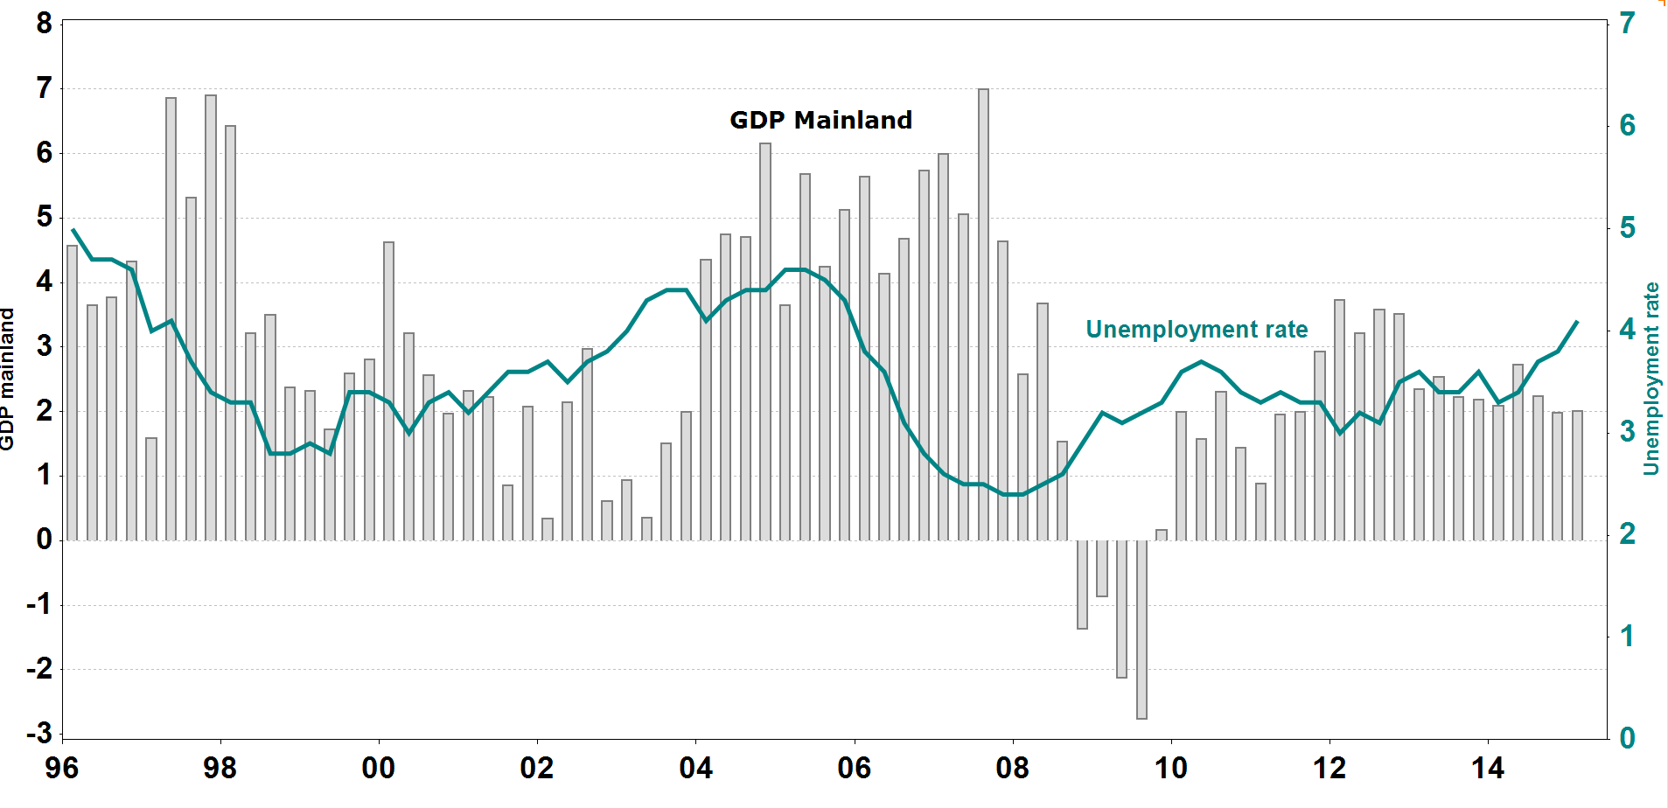

Source: Statistics Norway

4.1.4 Contribution to volume growth in GDP, mainland Norway

Per cent | 2013 | 2014 | F 2015 | F 2016 | F 2017 | F 2018
Household demand | 1.5 | 0.9 | 1.1 | 1.0 | 1.2 | 1.3
Gross fixed capital formation, mainland companies | 0.2 | 0.0 | (0.2) | (0.0) | (0.1) | (0.0)
Gross fixed capital formation, petroleum activity | 0.1 | (0.2) | (1.4) | (0.8) | (0.6) | (0.1)
Public sector demand | 0.8 | 1.2 | 0.8 | 1.1 | 0.9 | 0.9
...
Per cent | 2013 | 2014 | F 2015 | F 2016 | F 2017
GDP | 1.7 | 3.4 | 3.5 | 3.4 | 3.5
Private consumption | 1.2 | 3.1 | 3.3 | 3.5 | 3.7
Gross fixed investments | 1.1 | 9.2 | 7.0 | 5.0 | 5.0
Inflation (CPI) | 0.9 | 0.0 | (0.7) | 1.4 | 2.0

Source: Consensus Economics Inc.

4.1.9 Credit market, 12 month percentage growth

Per cent
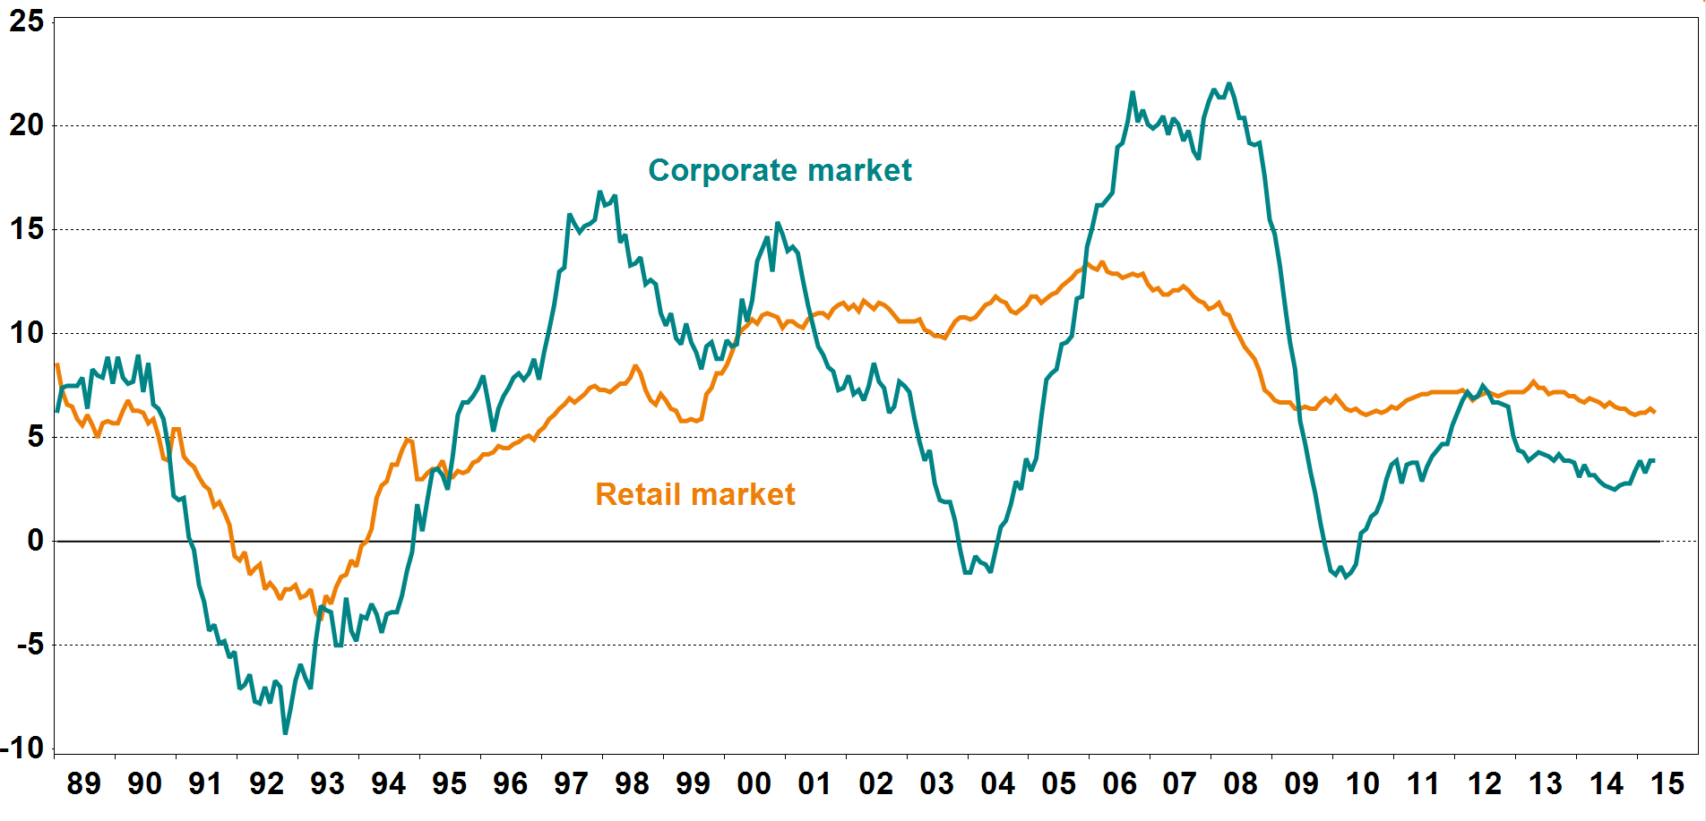
Source: Statistics Norway

4.1.10 Deposit market, 12 month percentage growth

Per cent
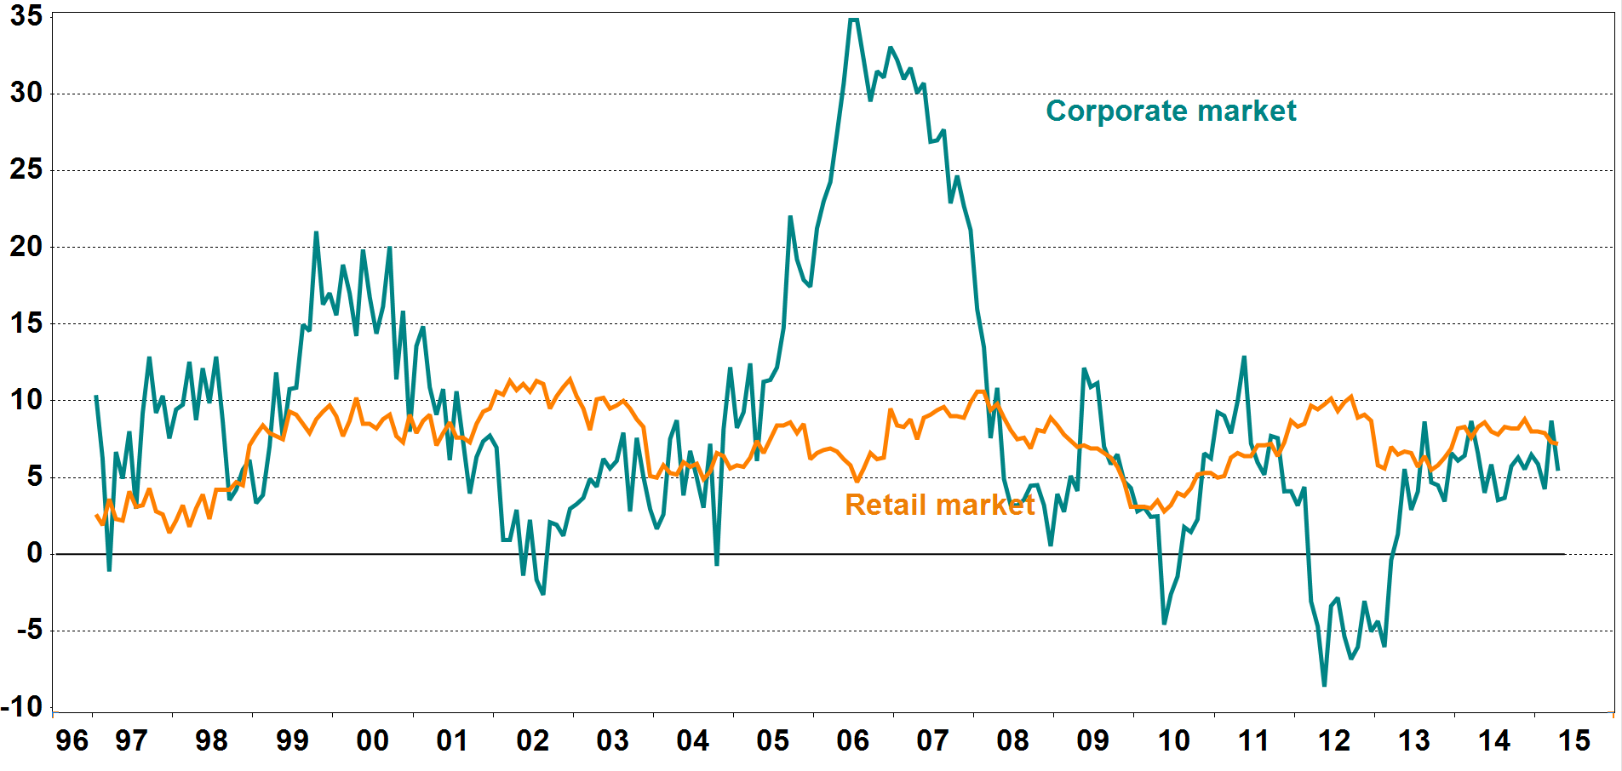
Source: Statistics Norway

4.1.11 House prices

Indices: 1985 = 100
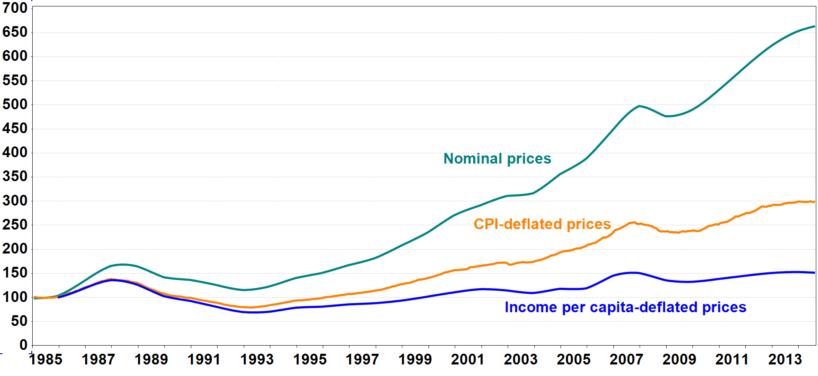
Source: Real Estate Norway, Finn.no, Eiendomsverdi AS and Statistics Norway

4.1.12 Household debt burden 1) and interest burden 2)

Per cent |  |  |  |  |  | Per cent
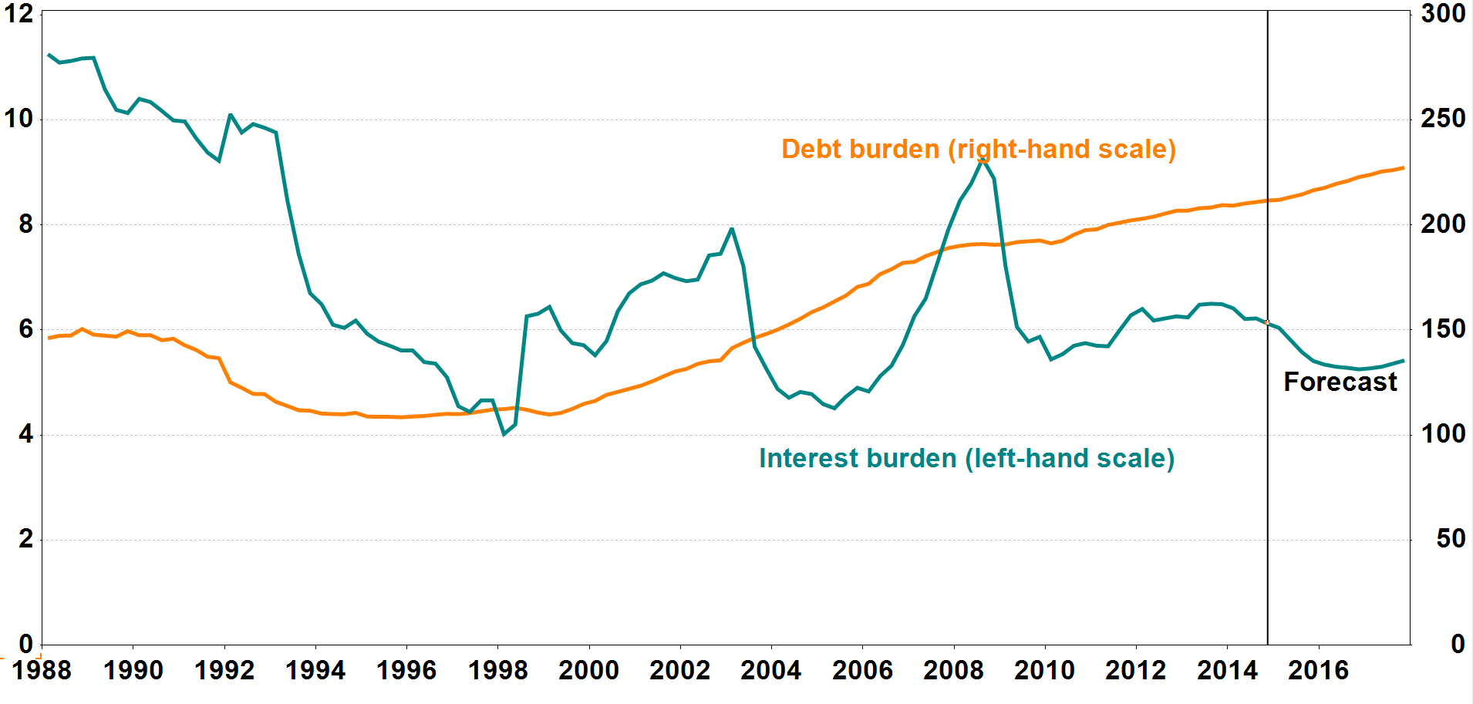
1) Loan debt as a percentage of disposable income.
2) Interest expenses after tax as a percentage of disposable income.

Source: Norges Bank

