Front
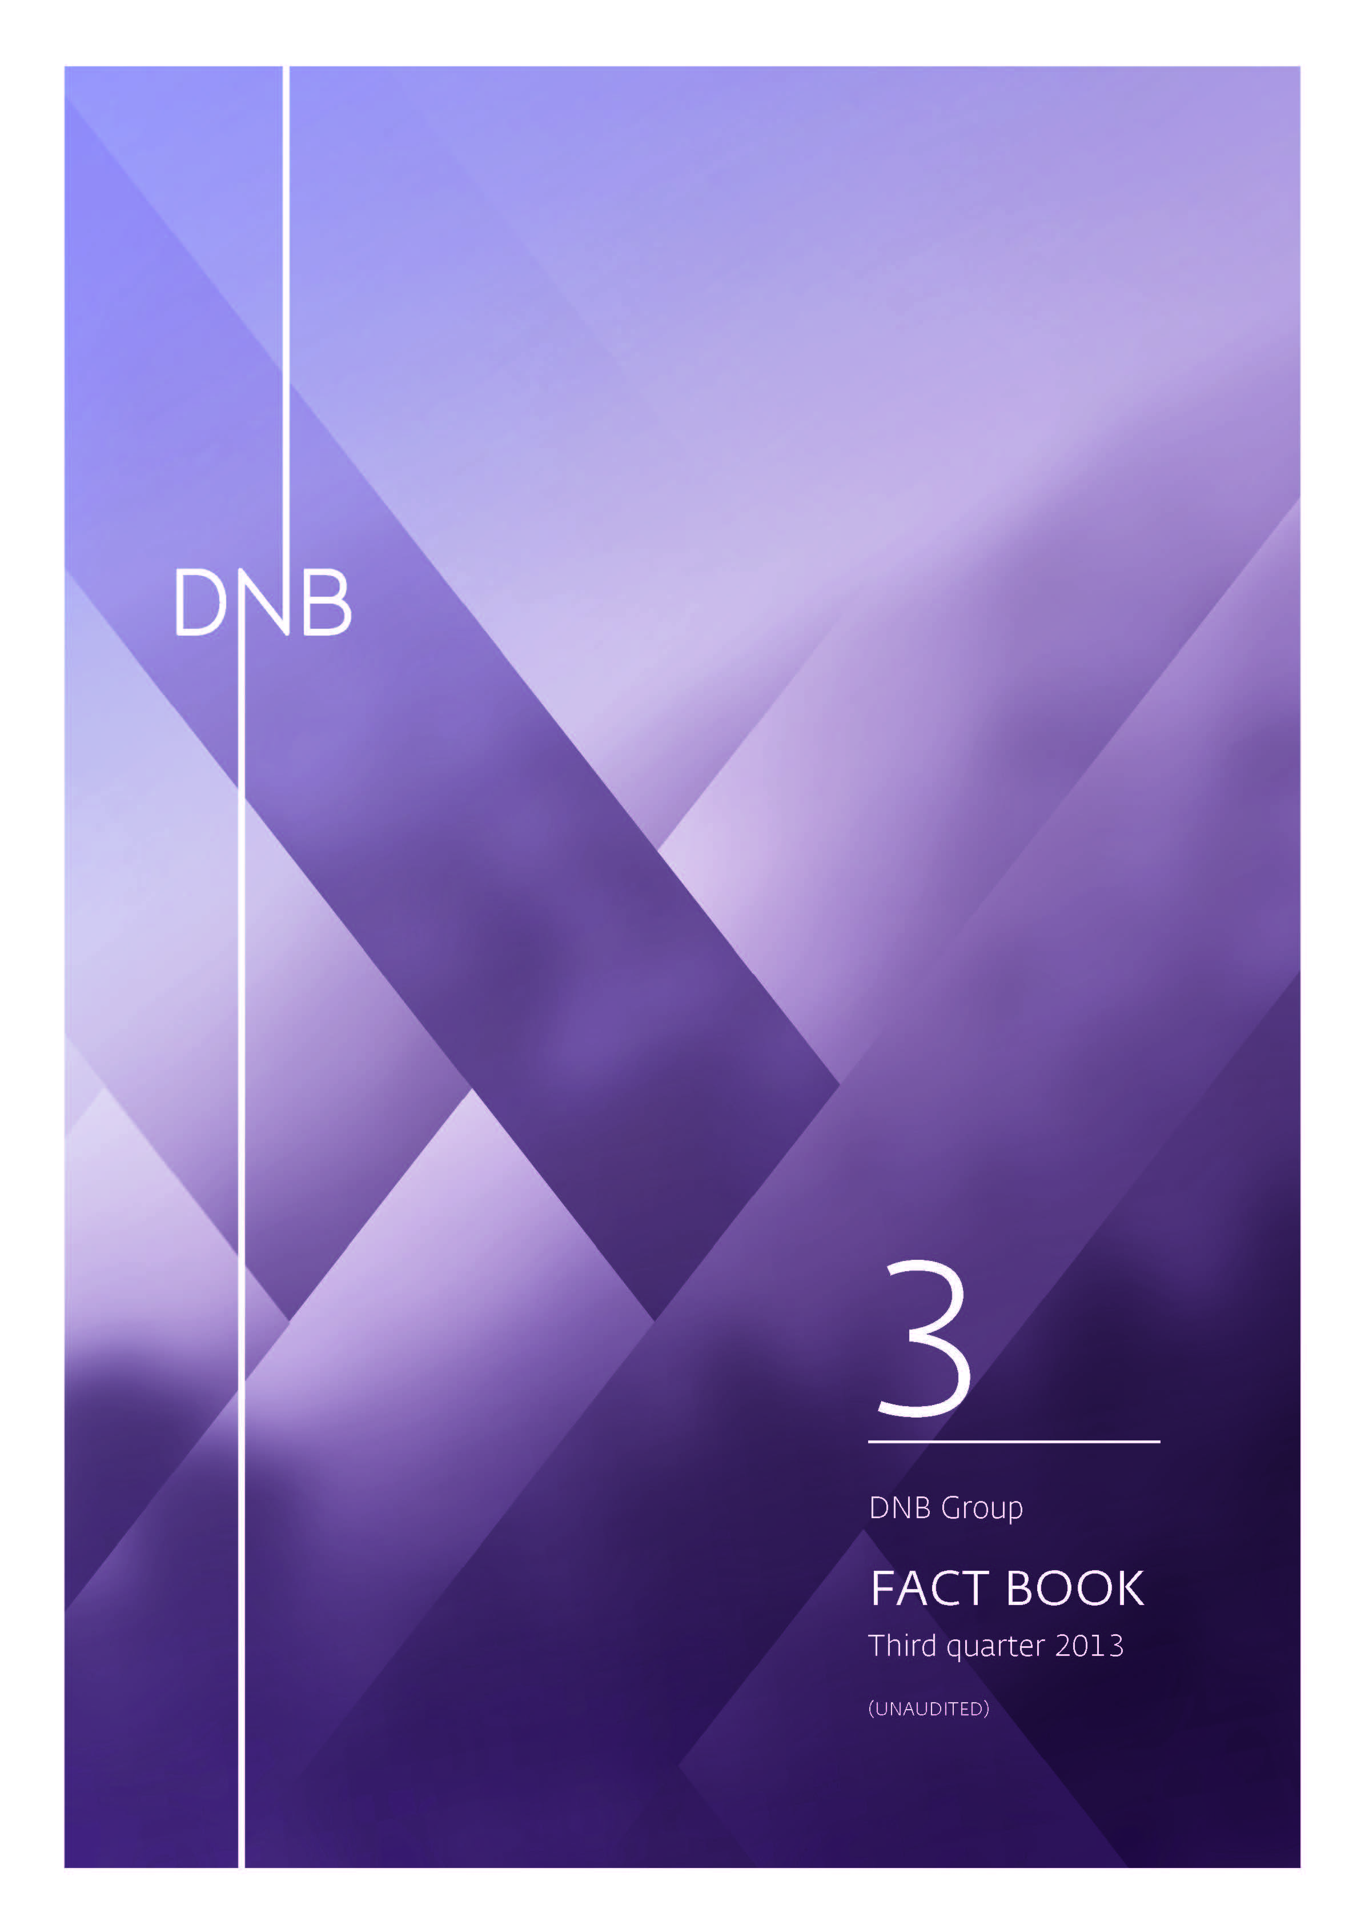

Norw.economy
4.1.1 Basic information about Norway

Area | 385 199 square kilometers
Population | 5.1 million
Fertility rate | 1.9
Life expectancy | M: 79.4 F:83.4
Work participation rate, per cent 15-74 years | 71,0 (M: 73,8 F: 68,1)
Gross domestic product 2012 | USD 501,3 billion
GDP per capita 2012 | USD 99 900
Rating | AAA, Aaa
Currency exchange rate used | 5,82 USD/NOK (Average 2012)
Current balance 2012 | USD 71,2 billion or 14,2 per cent of GDP

Source: Statistics Norway

4.1.2 Government net financial liabilities 2012

Per cent of GDP

Source: OECD Economic Outlook No. 93, May 2013

4.1.3 GDP growth mainland Norway and unemployment rate

Per cent Per cent
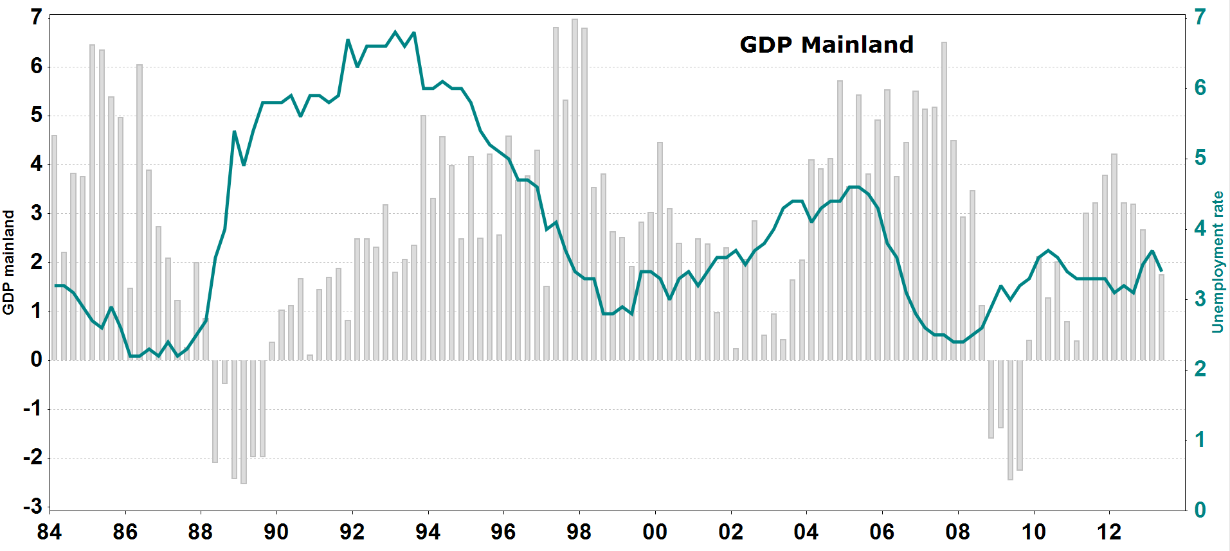
Source: Statistics Norway

4.1.4 Contribution to volume growth in GDP, mainland Norway

 | 2011 | 2012 | F 2013 | F 2014 | F 2015 | F 2016
Household demand | 2.4 | 2.1 | 1.8 | 1.7 | 1.6 | 1.4
Gross fixed capital formation, mainland companies | 0.3 | 0.3 | 0.1 | 0.2 | 0.3 | 0.4
Gross fixed capital formation, petroleum activity | 0.3 | 1.1 | 0.7 | 0.4 | 0.1 | (0.2)
Public sector demand | 0.6 | 0.5 | 0.6 | 0.5 | 0.6 | 0.6
Exports, mainland Norway | 0.1 | 0.5 | 0.2 | 0.7 | 1.0 | 1.3
Imports, mainland Norway | (1.4) | (0.7) | (0.3) | (1.6) | (1.6) | (1.5)
Changes in stocks and statistical discrepancies | 0.2 | (0.3) | (1.2)
GDP, mainland Norway | 2.5 | 3.4 | 2.0 | 2.0 | 2.0 | 2.1

Source: Statistics Norway and DNB Markets

4.1.5 Composition of GDP in 2012 |  | 4.1.6 Composition of exports in 2012

Source: Statistics Norway

4.1.7 Key macro-economic indicators, Norway

 | 2011 | 2012 | F 2013 | F 2014 | F 2015 | F 2016
GDP growth
- mainland Norway | 2.5 | 3.4 | 2.0 | 2.0 | 2.0 | 2.1
- Norway, total | 1.2 | 3.1 | 0.9 | 1.8 | 1.5 | 1.6
Private consumption | 2.5 | 3.0 | 2.7 | 3.1 | 3.0 | 2.7
Gross fixed investment | 7.6 | 8.0 | 5.2 | 3.4 | 2.2 | 1.4
Inflation (CPI) | 1.3 | 0.7 | 2.2 | 2.4 | 2.2 | 2.1
Savings ratio 1) | 7.3 | 8.7 | 8.5 | 7.8 | 7.3 | 6.7
Unemployment rate | 3.3 | 3.2 | 3.5 | 3.8 | 4.1 | 4.3

1) Per cent of household disposable income.

Source: Statistics Norway and DNB Markets

4.1.8 Key macro-economic indicators, Baltics and Poland

 | 2011 | 2012 | F 2013 | F 2014
Estonia
GDP | 9.6 | 3.9 | 2.1 | 3.4
Private consumption | 3.8 | 4.9 | 3.1 | 3.2
Gross fixed investments | 38.0 | 10.8 | 0.8 | 5.0
Inflation (CPI) | 5.0 | 3.9 | 3.4 | 2.9
Latvia
GDP | 5.5 | 5.5 | 3.9 | 4.0
Private consumption | 4.8 | 5.6 | 4.4 | 4.3
Gross fixed investments | 27.9 | 12.0 | 3.1 | 6.2
Inflation (CPI) | 4.4 | 2.2 | 0.6 | 2.2
Lithuania
GDP | 5.9 | 3.7 | 3.4 | 3.6
Private consumption | 6.8 | 4.3 | 3.2 | 3.5
Gross fixed investments | 18.3 | (2.5) | 5.0 | 5.7
Inflation (CPI) | 4.1 | 3.2 | 1.6 | 2.5
Poland
GDP | 4.5 | 1.9 | 1.1 | 2.6
Private consumption | 2.6 | 0.8 | 0.6 | 2.1
Gross fixed investments | 8.5 | (0.8) | (2.2) | 2.7
Inflation (CPI) | 4.3 | 3.7 | 1.1 | 2.0

Source: Consensus Economics Inc.

4.1.9 Credit market, 12 month percentage growth

Per cent
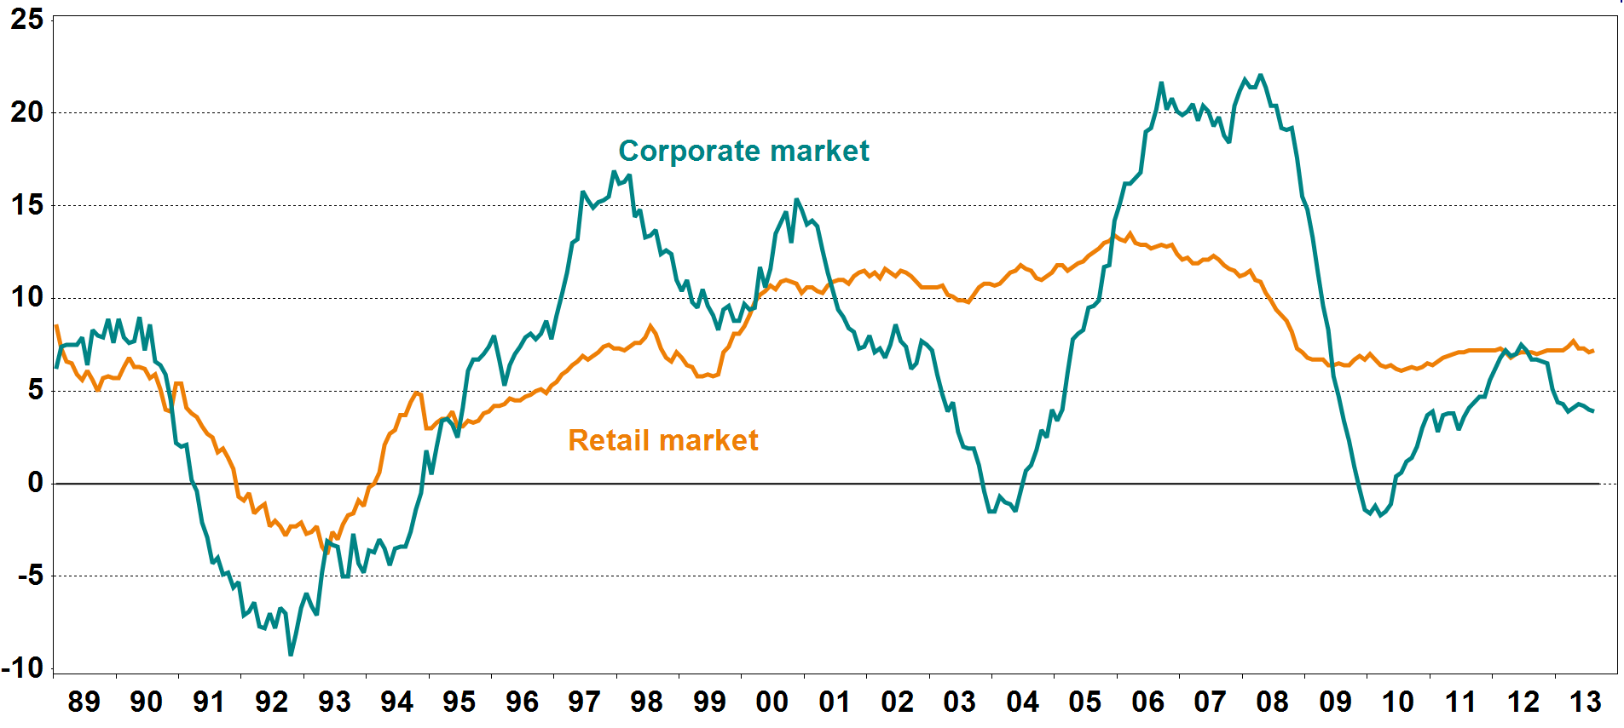
Source: Statistics Norway

4.1.10 Deposit market, 12 month percentage growth

Per cent
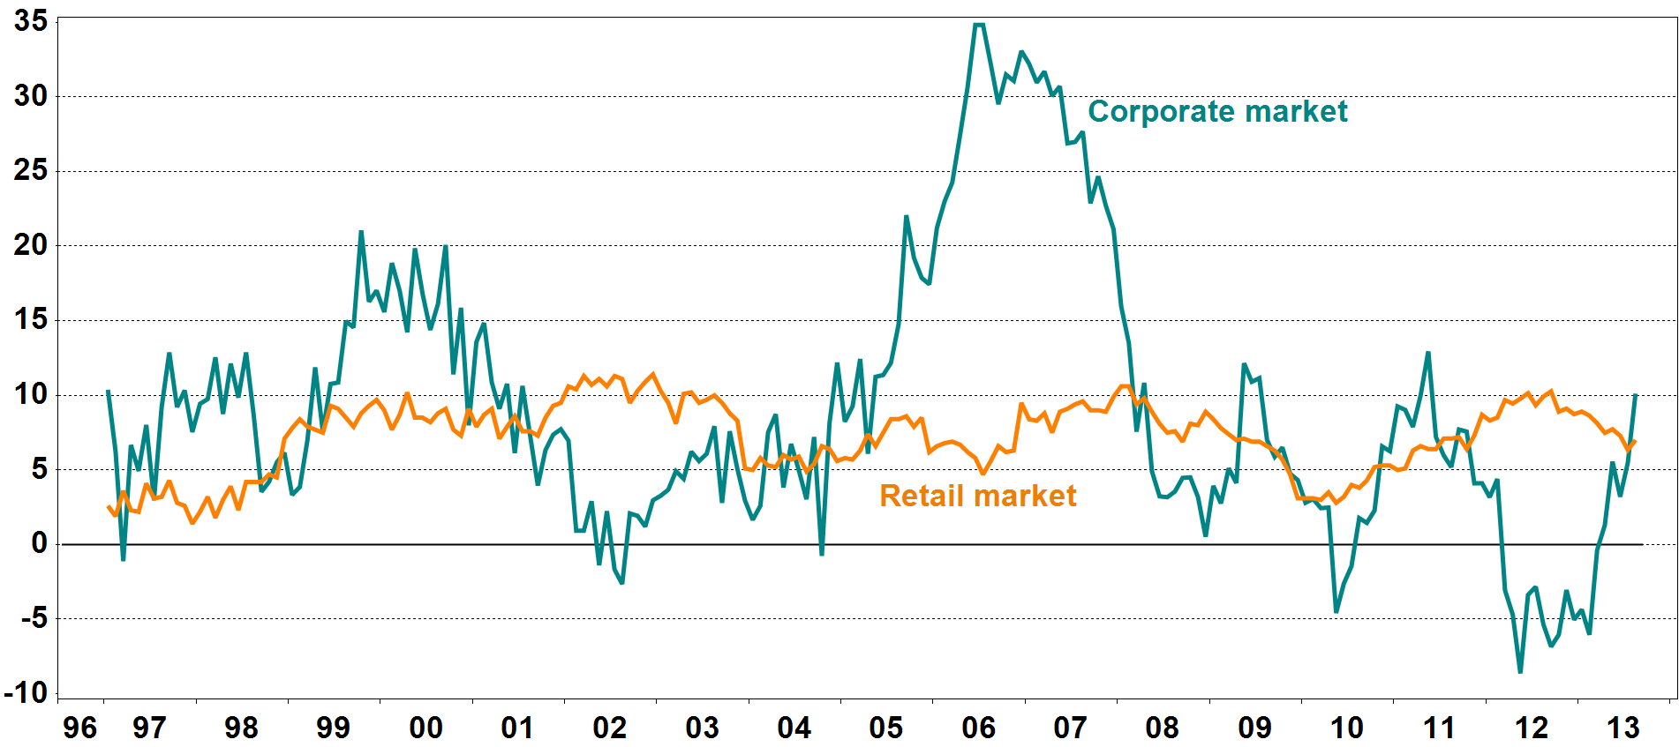
Source: Statistics Norway

4.1.11 House prices

Indices: 1985 = 100
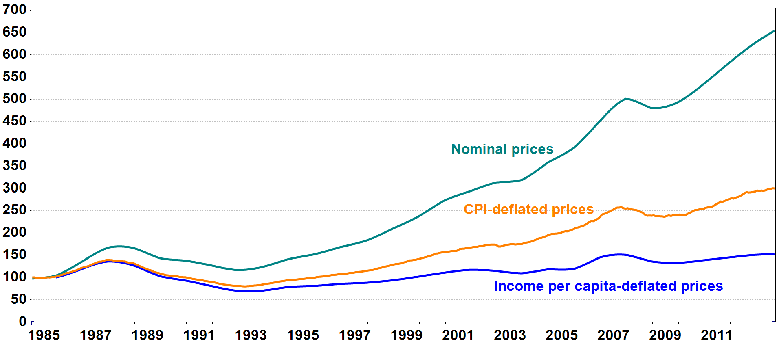
Source: Association of Norwegian Real Estate Agens, Finn.no, Econ Pöyry and Statistics Norway

4.1.12 Household debt burden 1) and interest burden 2)

Per cent Per cent
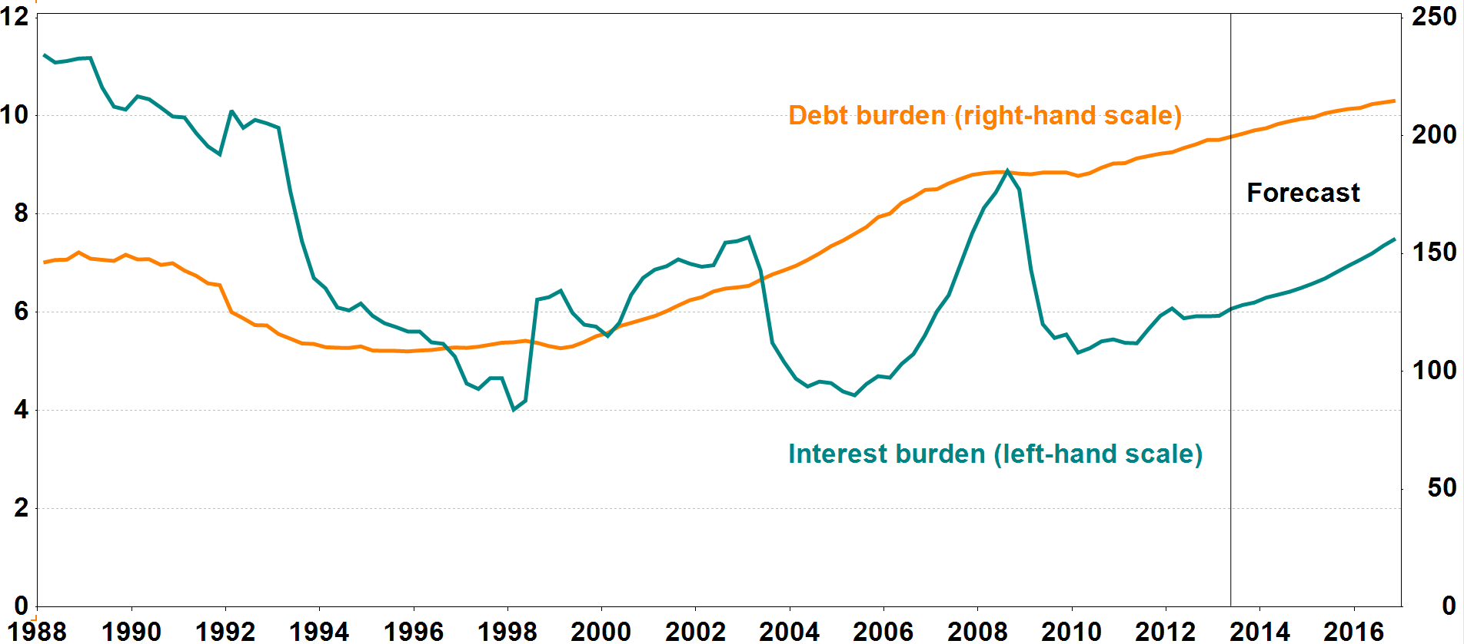

1) Loan debt as a percentage of disposable income.
2) Interest expenses after tax as a percentage of disposable income.

Source: Norges Bank

