Front
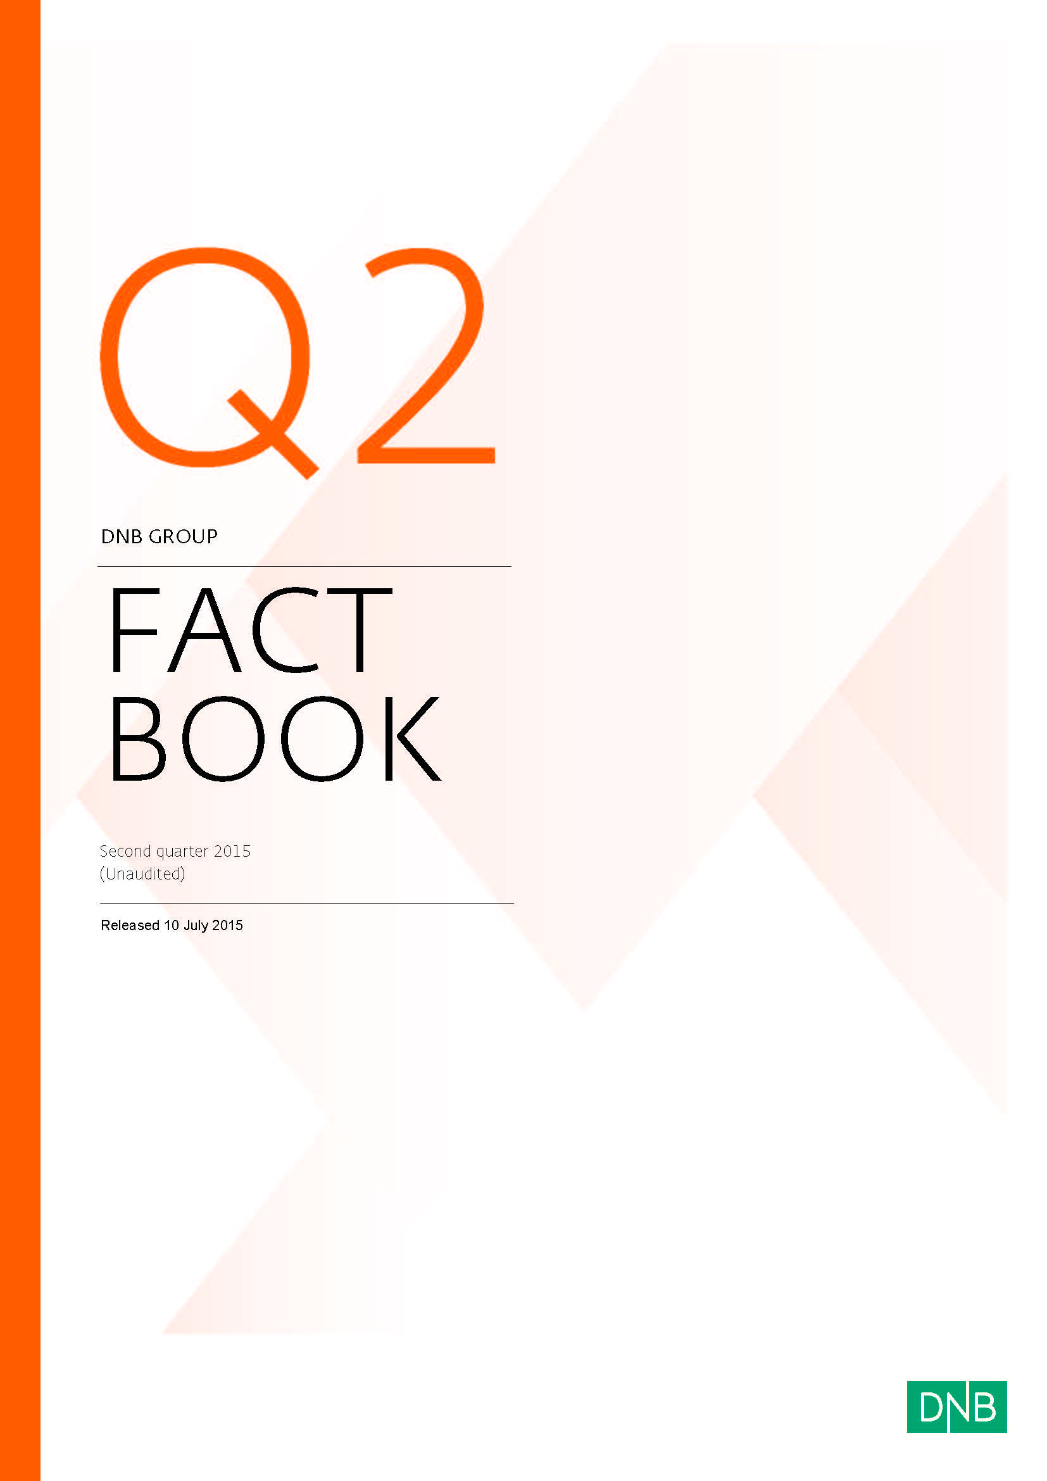

EAD (1)
1.8.1 Exposure at default by customer segments as defined in DNB's management reporting 1) 2)

DNB Group 3)
 | 30 June | 31 March | 31 Dec. | 30 Sept. | 30 June | 31 March | 31 Dec. | 30 Sept. | 30 June
Amounts in NOK billion | 2015 | 2015 | 2014 | 2014 | 2014 | 2014 | 2013 | 2013 | 2013
Commercial real estate | 207.7 | 208.6 | 207.2 | 208.5 | 206.7 | 204.6 | 195.1 | 193.6 | 191.6
Shipping | 136.1 | 149.4 | 135.5 | 116.6 | 109.4 | 108.9 | 112.7 | 117.2 | 118.0
Logistics | 19.6 | 23.6 | 26.3 | 21.9 | 20.1 | 17.5 | 18.2 | 18.8 | 20.5
Oil, gas and offshore | 141.5 | 145.1 | 133.7 | 121.6 | 116.4 | 106.3 | 110.7 | 106.6 | 108.8
Energy | 51.8 | 55.5 | 57.4 | 53.1 | 55.6 | 57.6 | 57.4 | 52.7 | 52.3
Other corporate customers | 114.8 | 106.5 | 107.3 | 118.3 | 98.7 | 90.0 | 113.2 | 106.0 | 108.5
Public sector | 31.8 | 31.2 | 32.3 | 29.1 | 27.9 | 26.5 | 26.8 | 27.1 | 27.7
Fishing and fish farming | 35.3 | 37.6 | 40.4 | 38.8 | 42.2 | 41.9 | 38.0 | 41.5 | 39.3
Trade | 53.2 | 56.6 | 52.7 | 44.8 | 48.8 | 46.7 | 44.4 | 44.0 | 43.3
Manufacturing | 91.3 | 86.1 | 90.5 | 83.3 | 81.1 | 79.2 | 80.8 | 75.9 | 73.3
Telecom and media | 35.9 | 37.5 | 33.7 | 30.6 | 31.3 | 29.3 | 32.5 | 31.0 | 27.4
Services | 43.3 | 43.5 | 42.2 | 41.3 | 39.9 | 37.4 | 37.0 | 35.5 | 37.9
Residential mortgages | 821.1 | 807.0 | 805.7 | 785.5 | 784.1 | 770.0 | 757.3 | 759.3 | 757.2
Private individuals | 128.5 | 126.4 | 116.1 | 114.2 | 110.8 | 111.2 | 111.0 | 110.7 | 107.6
Total customers | 1,911.9 | 1,914.4 | 1,881.1 | 1,807.4 | 1,773.0 | 1,727.1 | 1,735.1 | 1,719.9 | 1,713.3
Credit institutions | 27.3 | 27.7 | 28.5 | 26.4 | 31.0 | 28.6 | 25.9 | 26.2 | 27.6
Total net exposure at default | 1,939.1 | 1,942.2 | 1,909.6 | 1,833.8 | 1,804.0 | 1,755.6 | 1,761.0 | 1,746.1 | 1,740.9

1) Including net non-performing and net doubtful loans and guarantees.
2) Exposures at default are based on full implementation of IRB, i.e. some of the IRB reported portfolios are still subject to final IRB approval from the Norwegian FSA (Finanstilsynet).
3) For a breakdown of the different customer segments, see next page.

Percentage distribution as at 30 June 2015

1.8.2 Risk classification of portfolio 1)

 | 30 June | 31 March | 31 Dec. | 30 Sept. | 30 June | 31 March | 31 Dec. | 30 Sept. | 30 June
Amounts in NOK billion | 2015 | 2015 | 2014 | 2014 | 2014 | 2014 | 2013 | 2013 | 2013
PD 0.01% -
Personal customers | 655.3 | 646.4 | 636.3 | 623.0 | 612.8 | 603.6 | 589.9 | 587.0 | 580.9
Small and medium-sized enterprises | 139.3 | 139.0 | 148.3 | 150.4 | 148.3 | 144.6 | 140.7 | 140.1 | 147.3
Large corporates and international customers 2) | 497.8 | 504.8 | 489.2 | 421.3 | 424.1 | 409.9 | 410.4 | 390.8 | 384.0
Total DNB Group *) | 1,292.4 | 1,290.3 | 1,273.8 | 1,194.7 | 1,185.1 | 1,158.1 | 1,141.0 | 1,117.8 | 1,112.2
PD 0.75% -
Personal customers | 170.6 | 165.0 | 164.5 | 169.8 | 168.2 | 163.5 | 165.2 | 169.5 | 172.4
Small and medium-sized enterprises | 96.6 | 90.8 | 98.0 | 91.7 | 95.0 | 97.7 | 99.7 | 103.8 | 102.2
Large corporates and international customers 2) | 288.3 | 305.1 | 279.3 | 286.9 | 263.5 | 245.0 | 256.1 | 245.7 | 245.3
Total DNB Group *) | 555.4 | 560.9 | 541.8 | 548.4 | 526.6 | 506.2 | 521.1 | 519.0 | 519.9
PD 3.00% -
Personal customers | 21.0 | 20.8 | 21.9 | 23.0 | 23.5 | 22.4 | 22.6 | 22.8 | 22.4
Small and medium-sized enterprises | 20.1 | 21.8 | 24.2 | 24.3 | 22.0 | 21.2 | 22.6 | 23.2 | 19.9
Large corporates and international customers 2) | 32.4 | 30.2 | 27.3 | 25.0 | 27.7 | 28.2 | 29.4 | 35.9 | 38.0
Total DNB Group *) | 73.5 | 72.7 | 73.4 | 72.4 | 73.3 | 71.8 | 74.6 | 81.9 | 80.3
Net non-performing and net doubtful commitments
Personal customers | 3.5 | 3.4 | 3.5 | 3.5 | 3.1 | 3.4 | 3.5 | 3.5 | 3.5
Small and medium-sized enterprises | 4.3 | 3.4 | 3.9 | 4.2 | 3.9 | 3.6 | 3.8 | 4.2 | 4.3
Large corporates and international customers 2) | 10.0 | 11.5 | 13.2 | 10.6 | 12.0 | 12.5 | 17.0 | 19.7 | 20.7
Total DNB Group *) | 17.8 | 18.2 | 20.6 | 18.3 | 19.0 | 19.5 | 24.2 | 27.4 | 28.5
Total Personal customers | 850.4 | 835.5 | 826.2 | 819.3 | 807.6 | 792.9 | 781.2 | 782.8 | 779.3
Total Small and medium-sized enterprises | 260.2 | 255.0 | 274.4 | 270.7 | 269.2 | 267.1 | 266.8 | 271.3 | 273.7
Total Large corporates and international customers 2) | 828.6 | 851.6 | 809.0 | 743.9 | 727.2 | 695.6 | 713.0 | 692.1 | 687.9
Total risk classification of portfolio - DNB Group | 1,939.1 | 1,942.2 | 1,909.6 | 1,833.8 | 1,804.0 | 1,755.6 | 1,761.0 | 1,746.1 | 1,740.9

 | 30 June | 31 March | 31 March | 31 Dec. | 30 Sept. | 30 June | 31 March | 31 Dec. | 30 Sept.
Amounts in NOK billion | 2015 | 2015 | 2015 | 2014 | 2014 | 2014 | 2014 | 2013 | 2013
*) of which international portfolio
PD 0.01% - | 309.8 | 304.8 | 304.8 | 301.4 | 258.8 | 240.4 | 233.1 | 231.7 | 212.5
PD 0.75% - | 176.7 | 183.6 | 183.6 | 166.2 | 161.0 | 147.5 | 138.6 | 146.2 | 143.6
PD 3.00% - | 15.7 | 18.6 | 18.6 | 17.7 | 16.7 | 18.8 | 18.0 | 20.8 | 25.9
Net non-performing and net doubtful commitments | 7.9 | 8.9 | 8.9 | 11.0 | 9.0 | 10.4 | 10.8 | 14.1 | 16.4
Total international portfolio | 510.1 | 515.8 | 515.8 | 496.4 | 445.4 | 417.1 | 400.5 | 412.8 | 398.4
*) of which commercial real estate
PD 0.01% - | 136.3 | 139.1 | 139.1 | 135.6 | 124.3 | 124.4 | 119.0 | 106.8 | 104.3
PD 0.75% - | 59.9 | 56.7 | 56.7 | 58.7 | 69.6 | 68.7 | 73.2 | 77.1 | 76.1
PD 3.00% - | 8.7 | 9.8 | 9.8 | 9.7 | 11.3 | 10.2 | 8.9 | 7.4 | 9.2
Net non-performing and net doubtful commitments | 2.9 | 3.0 | 3.0 | 3.3 | 3.3 | 3.4 | 3.5 | 3.8 | 4.0
Total commercial real estate | 207.7 | 208.6 | 208.6 | 207.2 | 208.5 | 206.7 | 204.6 | 195.1 | 193.6

1) Based on DNB's risk classification system. The volumes represent the expected outstanding amount in the event of default. PD = probability of default.
2) For a breakdown into sub-segments, see table 1.8.8.

1.8.3 Risk classification of portfolio - DNB Group 1) *)
 | 31 Dec. 2013 | 31 March 2014 | 30 June 2014 | 30 Sept. 2014 | 31 Dec. 2014 | 31 March 2015 | 30 June 2015
Total DNB Group *) | 1,141.0 | 1,158.1 | 1,185.1 | 1,194.7 | 1,273.8 | 1,290.3 | 1,292.4
Total DNB Group *) | 521.1 | 506.2 | 526.6 | 548.4 | 541.8 | 560.9 | 555.4
Total DNB Group *) | 74.6 | 71.8 | 73.3 | 72.4 | 73.4 | 72.7 | 73.5
Total DNB Group *) | 24.2 | 19.5 | 19.0 | 18.3 | 20.6 | 18.2 | 17.8

*) of which international portfolio 1) 2) |  |  | *) of which commercial real estate 1)
 | 31 Dec. 2013 | 31 March 2014 | 30 June 2014 | 30 Sept. 2014 | 31 Dec. 2014 | 31 March 2015 | 30 June 2015
PD 0.01% - | 233.1 | 240.4 | 258.8 | 301.4 | 304.8 | 304.8 | 309.8
PD 0.75% - | 138.6 | 147.5 | 161.0 | 166.2 | 183.6 | 183.6 | 176.7
PD 3.00% - | 18.0 | 18.8 | 16.7 | 17.7 | 18.6 | 18.6 | 15.7
Net non-performing and net doubtful commitments | 10.8 | 10.4 | 9.0 | 11.0 | 8.9 | 8.9 | 7.9
 | 31 Dec. 2013 | 31 March 2014 | 30 June 2014 | 30 Sept. 2014 | 31 Dec. 2014 | 31 March 2015 | 30 June 2015
PD 0.01% - | 119.0 | 124.4 | 124.3 | 135.6 | 139.1 | 139.1 | 136.3
PD 0.75% - | 73.2 | 68.7 | 69.6 | 58.7 | 56.7 | 56.7 | 59.9
PD 3.00% - | 8.9 | 10.2 | 11.3 | 9.7 | 9.8 | 9.8 | 8.7
Net non-performing and net doubtful commitments | 3.5 | 3.4 | 3.3 | 3.3 | 3.0 | 3.0 | 2.9

1) Based on DNB's risk classification system. The volumes represent the expected outstanding amount in the event of default. PD = probability of default.
2) The international portfolio comprises business recorded outside Norway.

1.8.4 Segment areas - exposure at default according to sector 1) 2)

Personal customers
 | 30 June | 31 March | 31 Dec. | 30 Sept. | 30 June | 31 March | 31 Dec. | 30 Sept. | 30 June
Amounts in NOK billion | 2015 | 2015 | 2014 | 2014 | 2014 | 2014 | 2013 | 2013 | 2013
Commercial real estate
Shipping
Logistics
Oil, gas and offshore
Energy
Public sector
Fishing and fish farming
Trade
Manufacturing
Telecom and media
Services
Residential mortgages | 732.0 | 717.6 | 711.2 | 706.1 | 696.7 | 681.7 | 670.3 | 672.0 | 671.6
Private individuals | 118.4 | 118.0 | 115.0 | 113.3 | 110.8 | 111.2 | 111.0 | 110.7 | 107.6
Other corporate customers
Total customers | 850.4 | 835.5 | 826.2 | 819.3 | 807.6 | 792.9 | 781.2 | 782.8 | 779.3
Credit institutions
Total net exposure at default | 850.4 | 835.5 | 826.2 | 819.3 | 807.6 | 792.9 | 781.2 | 782.8 | 779.3

Small and medium-sized enterprises
 | 30 June | 31 March | 31 Dec. | 30 Sept. | 30 June | 31 March | 31 Dec. | 30 Sept. | 30 June
Amounts in NOK billion | 2015 | 2015 | 2014 | 2014 | 2014 | 2014 | 2013 | 2013 | 2013
Commercial real estate | 97.5 | 94.1 | 94.4 | 93.8 | 92.1 | 90.1 | 79.6 | 79.4 | 80.8
Shipping | 2.1 | 2.2 | 1.1 | 0.8 | 0.8 | 0.9 | 0.8 | 0.8 | 0.8
Logistics | 0.0 | 0.0 | 0.0 | 0.0 | 0.0 | 0.0 | 0.0 | 0.0 | 0.0
Oil, gas and offshore | 0.5 | 0.5 | 0.6 | 0.7 | 1.0 | 1.0 | 1.0 | 0.7 | 0.7
Energy | 6.5 | 6.2 | 6.4 | 7.0 | 7.0 | 8.6 | 8.8 | 8.6 | 9.2
Public sector | 14.1 | 14.5 | 15.5 | 13.7 | 13.9 | 13.2 | 12.8 | 13.1 | 13.3
Fishing and fish farming | 14.0 | 14.3 | 14.4 | 13.7 | 14.2 | 13.8 | 11.5 | 13.3 | 12.7
Trade | 19.4 | 19.5 | 20.8 | 17.3 | 21.3 | 20.6 | 19.1 | 20.5 | 20.7
Manufacturing | 18.9 | 18.6 | 19.3 | 20.4 | 19.0 | 18.5 | 17.8 | 18.3 | 18.1
Telecom and media | 2.0 | 1.9 | 2.7 | 2.1 | 2.5 | 2.4 | 2.6 | 2.4 | 2.4
Services | 11.1 | 10.8 | 13.8 | 11.9 | 13.4 | 12.8 | 11.9 | 11.0 | 11.7
Residential real estate and private individuals | 44.9 | 44.1 | 47.3 | 35.3 | 40.9 | 41.6 | 39.7 | 41.7 | 41.4
Other corporate customers | 24.5 | 24.0 | 33.8 | 49.6 | 38.6 | 38.4 | 56.6 | 56.8 | 57.4
Total customers | 255.5 | 251.0 | 270.1 | 266.3 | 264.8 | 262.0 | 262.3 | 266.6 | 269.2
Credit institutions | 4.7 | 3.9 | 4.3 | 4.4 | 4.4 | 5.0 | 4.5 | 4.7 | 4.5
Total net exposure at default | 260.2 | 255.0 | 274.4 | 270.7 | 269.2 | 267.1 | 266.8 | 271.3 | 273.7

Large corporates and international customers 3)
 | 30 June | 31 March | 31 Dec. | 30 Sept. | 30 June | 31 March | 31 Dec. | 30 Sept. | 30 June
...
1.8.6 Exposure at default, geographic distribution of commercial real estate exposure 1) 2)
Oslo/ Akershus | 59.1 | 59.7 | 60.0 | 59.1 | 66.7 | 60.7 | 60.1 | 62.5 | 62.7
Eastern Norway excl. Oslo/ Akershus | 50.7 | 50.5 | 49.5 | 52.4 | 45.6 | 44.5 | 42.5 | 40.7 | 40.2
Western Norway | 44.0 | 41.1 | 41.3 | 42.2 | 41.2 | 39.7 | 39.3 | 41.2 | 40.1
Central/ Northern Norway | 38.2 | 37.6 | 36.7 | 37.1 | 36.6 | 38.0 | 29.9 | 30.4 | 30.3
Sweden | 4.1 | 6.9 | 6.8 | 7.6 | 6.0 | 8.9 | 9.5 | 7.0 | 6.7
Baltics and Poland | 8.2 | 9.0 | 9.2 | 8.0 | 7.2 | 9.2 | 9.7 | 7.7 | 7.6
Other Europe | 3.5 | 3.8 | 3.7 | 2.1 | 3.5 | 3.6 | 4.0 | 4.2 | 4.1
Total | 207.7 | 208.6 | 207.2 | 208.5 | 206.7 | 204.6 | 195.1 | 193.6 | 191.6

Exposure at default, breakdown of commercial real estate exposure 1) 2) |  |  | Exposure at default, geographic distribution of commercial real estate exposure 1) 2)
 | 30 June 2015
Retail store facility building loans | 1.7
Hotel building loans | 5.4
Shopping centre building loans | 2.2
Office premises building loans | 4.4
Leasing of retail store facilities | 12.5
Leasing of hotels | 16.8
Leasing of shopping centres | 11.5
Leasing of office premises | 92.4
Leasing of warehouse/ logistics/ multi-purpose buildings | 20.2
Other | 40.5

1) Exposures at default are based on full implementation of IRB, i.e. some of the IRB reported portfolios are still subject to final IRB approval from the Norwegian FSA (Finanstilsynet).
2) The definition of these segments reflects the actual underlying commercial property risk.

1.8.7 Sub-segments in Large corporates and international customers - exposure at default according to sector 1)

Nordic Corporates Division | 30 June | 31 March | 31 Dec. | 30 Sept. | 30 June | 31 March | 31 Dec. | 30 Sept. | 30 June
Amounts in NOK billion | 2015 | 2015 | 2014 | 2014 | 2014 | 2014 | 2013 | 2013 | 2013
Financial institutions | 14.2 | 17.9 | 17.1 | 16.2 | 21.4 | 18.3 | 18.9 | 18.6 | 19.3
...

Liq.&funding (2)
...
1) As of 30 June 2015.
2) Callable after five years.

1.9.3 Redemption profile as at 30 June 2015

NOK billion | 2015 | 2016 | 2017 | 2018 | 2019 | 2020 | 2021 | 2022 | 2023 | 2024 | >2024
Senior unsecured bonds | 4.8 | 14.5 | 32.1 | 18.3 | 14.4 | 27.6 | 21.1 | 17.8 | 1.2 | 1.4 | 4.4
Covered bonds | 19.6 | 68.1 | 58.0 | 65.8 | 54.0 | 30.4 | 41.2 | 32.5 | 9.8 | 8.9 | 27.4
Total | 24.5 | 82.6 | 90.1 | 84.1 | 68.4 | 58.0 | 62.3 | 50.3 | 11.0 | 10.3 | 31.9

 | 24 | 83 | 90 | 84 | 68 | 58 | 62 | 50 | 11 | 10 | 32 | 0

A total overview of subordinated loans as at 30 June 2015 can be found in the appendix on page 94-97.

Cap.adeq
...
 | 30 June | 31 March | 31 Dec. | 30 Sept. | 30 June | 31 March | 31 Dec. | 30 Sept. | 30 June
Operational risk | 6,546 | 6,546 | 6,546 | 6,408 | 6,408 | 6,408 | 6,408 | 5,793 | 5,793
Net insurance, after eliminations | 6,761 | 6,814 | 6,828 | 7,113 | 7,008 | 7,253 | 6,982 | 7,170 | 7,350
Deductions |  |  |  |  | (52) | (57) | (60) | (56) | (13)
Total capital requirements according to Basel III | 85,261 | 87,660 | 82,119 | 77,898 | 77,936 | 78,317 | 79,840 | 81,477 | 83,535
Additional capital requirements according to transitional rules | 6,046 | 4,469 | 7,534 | 8,478 | 9,685 | 8,684 | 7,289 | 5,858 | 4,344
Total capital requirements according to transitional rules | 91,306 | 92,128 | 89,653 | 86,376 | 87,621 | 87,001 | 87,129 | 87,335 | 87,879

1) See next page for further details.

1.10.3 Common equity Tier 1 capital ratio1)
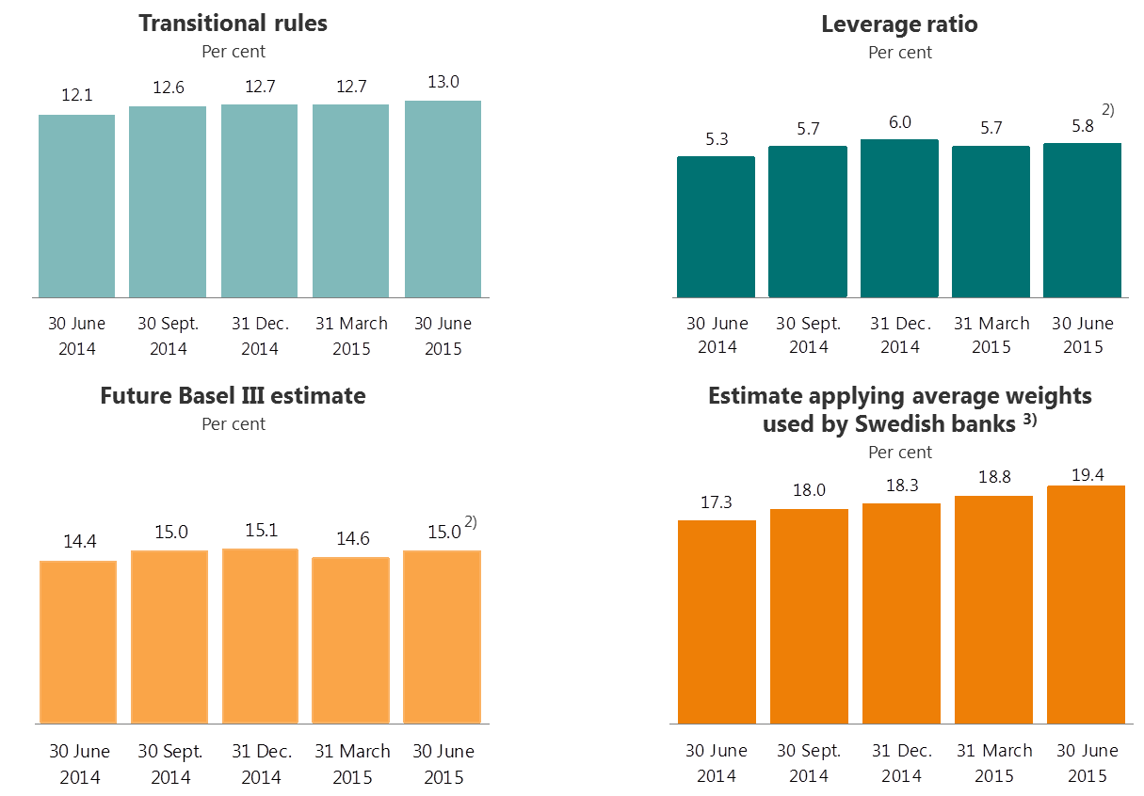

1) Common equity Tier 1 capital includes 50 per cent of interim profits in all quarters, apart from the leverage ratio figures. Annual figures are exclusive of dividend payments. A 10 percentage point change in retained earnings corresponds to a 10 basis point change in the CET1 ratio at end-June 2015.
2) The calculations at end-June 2015 have been altered in accordance with the proposed new rules.
3) Average weights used by Swedish banks on corporate loans and loans secured by real estate.

1.10.4 Specification of capital requirements for credit risk

As at 30 June 2015 |  |  | Average
 |  | EAD, | risk | Risk- | Capital
 | Nominal | exposure | weights | weighted | require-
Amounts in NOK million | exposure | at default | (per cent) | volume | ments
...

Personal cust
...
Key figures in per cent:
Return on allocated capital, annualised 2) | 20.6 | 20.4 | 24.5 | 25.3 | 23.6 | 21.3 | 42.9 | 40.0 | 31.8

1) As of 1 January 2015, DNB Finans’ operations in Sweden are included in the Large corporates and international customers segment. Figures for previous periods have been adjusted correspondingly.
2) Allocated capital corresponds to the external capital adequacy requirement (Basel III) which must be met by the Group. In consequence of stricter external capital requirements and the authorities’ signals of additional capital requirements for home mortgages, allocated capital to Personal customers were adjusted upwards in the first quarter of 2015. This resulted in a lower return on capital compared with the preceding quarters.
3) Including collective impairment.
4) Profits from repossessed operations which are fully consolidated in the DNB Group are presented net under ”Profit from repossessed operations” under the various segments.
5) Loans to customers include accrued interest and impairment. Correspondingly, deposits from customers include accrued interest.

2.2.2 Personal customers - Risk classification of portfolio 1)
 | 31 Dec. 2013 | 31 March 2014 | 30 June 2014 | 30 Sept. 2014 | 31 Dec. 2014 | 31 March 2015 | 30 June 2015
Personal customers | 589.9 | 603.6 | 612.8 | 623.0 | 636.3 | 646.4 | 655.3
Personal customers | 165.2 | 163.5 | 168.2 | 169.8 | 164.5 | 165.0 | 170.6
Personal customers | 22.6 | 22.4 | 23.5 | 23.0 | 21.9 | 20.8 | 21.0
Personal customers | 3.5 | 3.4 | 3.1 | 3.5 | 3.5 | 3.4 | 3.5

1) Based on DNB's risk classification system. The volumes represent the expected outstanding amount in the event of default. PD = probability of default.

2.2.3 Personal customers - Exposure at default according to sector as at 30 June 2015
 | 30 June
Amounts in NOK billion | -
SME | 260.2
LCI | 828.6
Residential mortgages | 732.0
Private individuals | 118.4

2.2.4 Personal customers - Development in average volumes and interest rate spreads 1)

 | 2Q15 | 1Q15 | 4Q14 | 3Q14 | 2Q14 | 1Q14 | 4Q13 | 3Q13 | 2Q13
Volumes (NOK billion):
Loans to customers 2) | 686 | 677 | 672 | 661 | 653 | 645 | 644 | 640 | 639
Deposits from customers 2) | 374 | 368 | 358 | 359 | 349 | 347 | 339 | 341 | 332
Spread income (NOK million):
...
Loan to value per risk grade as at 30 June 2015 - recalibrated
40-60 | 29.9 % | 26.9 % | 27.2 % |  |  |  | 24.6 %
60-75 | 33.5 % | 33.6 % | 33.2 % |  |  |  | 32.9 %
75-85 | 13.8 % | 16.3 % | 16.2 % |  |  |  | 16.9 %
>85 | 7.0 % | 8.9 % | 8.8 % |  |  |  | 12.3 %
Total | 100.0 % | 100.0 % | 100.0 % |  |  |  | 100.0 %
Total exposure at default (NOK billion) | 693 | 680 | 667 |  |  |  | 637
Total drawn amount (NOK billion) | 638 | 627 | 616 |  |  |  | 589

1) Distribution of residential mortgages, recalibrated, in the Personal customers segment within actual collateral categories. The volumes represent the IRB-approved mortgage portfolio and are the expected outstanding amount in the event of default.
Development in loan to value
 | 31 Dec. 2014 | 31 March 2015 | 30 June 2015
0-40 | 14.6 % | 14.3 % | 15.8 %
40-60 | 27.2 % | 26.9 % | 29.9 %
60-75 | 33.2 % | 33.6 % | 33.5 %
75-85 | 16.2 % | 16.3 % | 13.8 %
>85 | 8.8 % | 8.9 % | 7.0 %

2.2.6 Personal customers - Distribution of loan to value (continued)
Development in loan to value per risk grade - before recalibration
Discontinued table |  |  | 31 Dec. | 30 Sept. | 30 June | 31 March | 31 Dec. | 30 Sept. | 30 June
 |  |  | 2014 | 2014 | 2014 | 2014 | 2013 | 2013 | 2013
Loan to value in per cent:
0-40 |  |  | 14.8 % | 15.1 % | 14.9 % | 14.8 % | 15.1 % | 16.6 % | 16.8 %
40-60 |  |  | 26.1 % | 26.6 % | 25.7 % | 25.5 % | 26.0 % | 29.1 % | 29.4 %
60-75 |  |  | 34.6 % | 34.5 % | 34.3 % | 33.8 % | 33.3 % | 34.1 % | 34.0 %
75-85 |  |  | 16.4 % | 16.3 % | 16.7 % | 16.7 % | 16.1 % | 14.4 % | 13.8 %
...

SME
...
Key figures in per cent:
Ratio of deposits to loans | 79.5 | 78.9 | 80.8 | 79.3 | 74.4 | 74.8 | 74.6 | 75.0 | 73.3
Return on allocated capital, annualised 2) | 12.2 | 11.9 | 12.4 | 13.3 | 11.7 | 12.4 | 11.7 | 12.0 | 11.3

1) As of 1 January 2015, DNB Finans’ operations in Sweden and Denmark are included in the Large corporates and international customers segment. Figures for previous periods have been adjusted correspondingly.
2) Allocated capital corresponds to the external capital adequacy requirement (Basel III) which must be met by the Group.
3) Including collective impairment.
4) Profits from repossessed operations which are fully consolidated in the DNB Group are presented net under "Profit from repossessed operations" under the various segments.
5) Loans to customers include accrued interest and impairment. Correspondingly, deposits from customers include accrued interest.

2.3.2 SME - Risk classification of portfolio 1)
 | 31 Dec. 2013 | 31 March 2014 | 30 June 2014 | 30 Sept. 2014 | 31 Dec. 2014 | 31 March 2015 | 30 June 2015
Small and medium-sized enterprises | 140.7 | 144.6 | 148.3 | 150.4 | 148.3 | 139.0 | 139.3
Small and medium-sized enterprises | 99.7 | 97.7 | 95.0 | 91.7 | 98.0 | 90.8 | 96.6
Small and medium-sized enterprises | 22.6 | 21.2 | 22.0 | 24.3 | 24.2 | 21.8 | 20.1
Small and medium-sized enterprises | 3.8 | 3.6 | 3.9 | 4.2 | 3.9 | 3.4 | 4.3

1) Based on DNB's risk classification system. The volumes represent the expected outstanding amount in the event of default. PD = probability of default.

2.3.3 SME - Exposure at default according to sector as at 30 June 2015
 | 30 June
Amounts in NOK billion | -
Per-sonal cus-tomers | 850.4
LCI | 828.6
Commercial real estate | 97.5
Shipping | 2.1
Logistics | -
Oil, gas and offshore | 0.5
Energy | 6.5
Public sector | 14.1
Fishing and fish farming | 14.0
Trade | 19.4
Manufacturing | 18.9
Telecom and media | 2.0
Services | 11.1
Residential real estate and private individuals | 44.9
Other corporate customers | 24.5

2.3.4 SME - Development in average volumes and interest rate spreads 1)

 | 2Q15 | 1Q15 | 4Q14 | 3Q14 | 2Q14 | 1Q14 | 4Q13 | 3Q13 | 2Q13
Volumes (NOK billion):
Loans to customers 2) | 212 | 209 | 207 | 204 | 203 | 200 | 197 | 195 | 195
Deposits from customers 2) | 170 | 167 | 168 | 163 | 153 | 152 | 148 | 147 | 144
...

LCI
...
Key figures in per cent:
Return on allocated capital, annualised 2) | 13.8 | 11.4 | 13.8 | 15.4 | 12.5 | 14.0 | 14.6 | 12.8 | 10.8

1) As of 1 January 2015, DNB Finans’ operations in Sweden and Denmark are included in the Large corporates and international customers segment. Previously, these operations were divided between the Small and medium-sized enterprises and Personal customer segments. Figures for previous periods have been adjusted correspondingly.
2) Allocated capital corresponds to the external capital adequacy requirement (Basel III) which must be met by the Group.
3) Including collective impairment.
4) Profits from repossessed operations which are fully consolidated in the DNB Group are presented net under "Profit from repossessed operations" under the various segments.
5) Loans to customers include accrued interest and impairment. Correspondingly, deposits from customers include accrued interest.
6) Total operating expenses relative to total income. Total expenses exclude impairment losses for goodwill.

2.4.2 LCI - Risk classification of portfolio 1)
 | 31 Dec. 2013 | 31 March 2014 | 30 June 2014 | 30 Sept. 2014 | 31 Dec. 2014 | 31 March 2015 | 30 June 2015
Large corporates and international customers 2) | 410.4 | 409.9 | 424.1 | 421.3 | 489.2 | 504.8 | 497.8
Large corporates and international customers 2) | 256.1 | 245.0 | 263.5 | 286.9 | 279.3 | 305.1 | 288.3
Large corporates and international customers 2) | 29.4 | 28.2 | 27.7 | 25.0 | 27.3 | 30.2 | 32.4
Large corporates and international customers 2) | 17.0 | 12.5 | 12.0 | 10.6 | 13.2 | 11.5 | 10.0

1) Based on DNB's risk classification system. The volumes represent the expected outstanding amount in the event of default. PD = probability of default.

2.4.3 LCI - Exposure at default according to sector as at 30 June 2015
 | 30 June
Amounts in NOK billion | -
Per-sonal cus-tomers | 850.4
SME | 260.2
Commercial real estate | 110.2
Shipping | 134.0
Logistics | 19.6
Oil, gas and offshore | 140.9
Energy | 45.3
Public sector | 17.6
Fishing and fish farming | 21.4
Trade | 33.8
Manufacturing | 72.4
Telecom and media | 33.9
Services | 32.2
Residential real estate and private individuals | 54.4
Other corporate customers | 90.3

2.4.4 LCI - Average volumes

Amounts in NOK billion | 2Q15 | 1Q15 | 4Q14 | 3Q14 | 2Q14 | 1Q14 | 4Q13 | 3Q13 | 2Q13
Loans to customers 2)
Nordic Corporates Division | 156 | 154 | 156 | 157 | 155 | 153 | 152 | 150 | 146
International Corporates Division | 95 | 91 | 82 | 77 | 76 | 76 | 76 | 74 | 71
...
 | 2Q15 | 1Q15 | 4Q14 | 3Q14 | 2Q14 | 1Q14 | 4Q13 | 3Q13 | 2Q13
Deposit spreads | (93) | (91) | (104) | (128) | (151) | (153) | (151) | (168) | (164)
Spreads in per cent:
Lending spreads | 2.24 | 2.25 | 2.25 | 2.23 | 2.23 | 2.26 | 2.21 | 2.21 | 2.20
Deposit spreads | (0.10) | (0.10) | (0.11) | (0.14) | (0.17) | (0.16) | (0.17) | (0.19) | (0.19)

1) As of 1 January 2015, DNB Finans’ operations in Sweden and Denmark are included in the Large corporates and international customers segment. Previously, these operations were divided between the Small and medium-sized enterprises and Personal customer segments. Figures for previous periods have been adjusted correspondingly.
2) Loans to and deposits from customers. Nominal values, excluding impaired loans.

2.4.6 LCI - Nordic Corporates Division
Exposure at default according to sector |  |  | Risk classification of portfolio 1)
 | 30 June 2015
Financial institutions | 14.2
Hotels and accomo-dation | 19.4
Commercial real estate | 71.8
Residential real estate | 14.4
Construction | 7.6
Services | 25.8
Public sector | 11.3
Trade | 22.9
Other corporate customers | 21.5
 | 31 Dec. 2013 | 31 March 2014 | 30 June 2014 | 30 Sept. 2014 | 31 Dec. 2014 | 31 March 2015 | 30 June 2015
Nordic Corporates Division | 139.7 | 143.6 | 146.9 | 139.5 | 159.0 | 157.2 | 150.7
Nordic Corporates Division | 63.8 | 58.7 | 62.8 | 67.8 | 54.4 | 53.3 | 49.7
Nordic Corporates Division | 5.7 | 6.4 | 6.6 | 6.7 | 4.8 | 5.7 | 7.0
Nordic Corporates Division | 1.6 | 1.3 | 1.2 | 1.3 | 1.9 | 2.2 | 1.5

1) Based on DNB's risk classification system. The volumes represent the expected outstanding amount in the event of default. PD = probability of default.

 | 31 Dec. 2013 | 31 March 2014 | 30 June 2014 | 30 Sept. 2014 | 31 Dec. 2014 | 31 March 2015 | 30 June 2015
International Corporates Division | 79.1 | 76.6 | 80.4 | 82.7 | 98.7 | 103.0 | 113.1
International Corporates Division | 44.7 | 45.8 | 50.6 | 55.4 | 44.7 | 43.4 | 41.7
International Corporates Division | 2.1 | 3.1 | 4.5 | 3.4 | 6.3 | 6.2 | 4.8
International Corporates Division | 2.5 | 1.0 | 1.2 | 1.1 | 1.2 | 0.7 | 0.7
2.4.7 LCI - International Corporates Division
Exposure at default according to sector |  |  | Risk classification of portfolio 1)
 | 30 June 2015
Seafood and agriculture | 16.2
Healthcare | 42.3
Branded goods | 8.9
Forestry/ pulp and paper | 12.5
Other manu-facturing industries | 23.6
Technology, media and telecom | 30.5
Other business activities | 26.2

1) Based on DNB's risk classification system. The volumes represent the expected outstanding amount in the event of default. PD = probability of default.

2.4.8 LCI - Energy Division
Exposure at default according to sector |  |  | Risk classification of portfolio 1)
 | 30 June 2015
Midstream | 14.1
Oil and gas | 62.4
Oilfield services | 22.5
Power and heat | 41.1
Other energy | 16.2
 | 31 Dec. 2013 | 31 March 2014 | 30 June 2014 | 30 Sept. 2014 | 31 Dec. 2014 | 31 March 2015 | 30 June 2015
Energy Division | 107.7 | 108.8 | 111.9 | 113.4 | 129.5 | 129.9 | 121.6
Energy Division | 22.0 | 22.1 | 25.3 | 28.1 | 25.2 | 30.7 | 31.0
Energy Division | 0.4 | 0.8 | 0.8 | 0.8 | 1.3 | 1.9 | 3.5
Energy Division | 0.0 | 0.2 | 0.1 | 0.1 | 0.0 | 0.3 | 0.2

1) Based on DNB's risk classification system. The volumes represent the expected outstanding amount in the event of default. PD = probability of default.

2.4.9 LCI - Shipping, Offshore and Logistics Division
Exposure at default according to sector |  |  | Risk classification of portfolio 1)
 | 30 June 2015
Chemical and product tankers | 17.6
Container | 22.3
Crude oil tankers | 24.4
Cruise | 10.6
Dry cargo | 25.9
Gas | 26.2
Logistics | 5.5
Offshore | 56.5
RoRo/PCC | 7.6
Other shipping | 12.2
Other non-shipping | 4.7
 | 31 Dec. 2013 | 31 March 2014 | 30 June 2014 | 30 Sept. 2014 | 31 Dec. 2014 | 31 March 2015 | 30 June 2015
Shipping, Offshore and Logistics Division *) | 59.9 | 55.0 | 56.6 | 59.7 | 71.2 | 70.7 | 66.0
Shipping, Offshore and Logistics Division *) | 96.1 | 92.2 | 98.0 | 108.5 | 124.5 | 143.5 | 132.5
Shipping, Offshore and Logistics Division *) | 15.0 | 11.8 | 9.8 | 8.8 | 9.7 | 10.9 | 11.7
Shipping, Offshore and Logistics Division *) | 7.3 | 4.9 | 4.7 | 3.9 | 5.7 | 3.9 | 3.3

1) Based on DNB's risk classification system. The volumes represent the expected outstanding amount in the event of default. PD = probability of default.

2.4.10 LCI - Risk classification of portfolio according to sub-segments in the Shipping, Offshore and Logistics Division (SOL) 1)

 | 31 Dec. 2013 | 31 March 2014 | 30 June 2014 | 30 Sept. 2014 | 31 Dec. 2014 | 31 March 2015 | 30 June 2015
Shipping portfolio - dry bulk sector | 1.7 | 1.6 | 1.6 | 1.6 | 0.6 | 0.7 | 0.9
Shipping portfolio - dry bulk sector | 11.1 | 10.6 | 11.3 | 16.3 | 19.8 | 22.4 | 21.5
Shipping portfolio - dry bulk sector | 4.4 | 4.1 | 3.9 | 2.3 | 2.5 | 2.8 | 2.3
Shipping portfolio - dry bulk sector | 1.4 | 1.4 | 1.3 | 1.3 | 1.4 | 1.2 | 1.2
The crude oil sector |  |  | The dry bulk sector
 | 31 Dec. 2013 | 31 March 2014 | 30 June 2014 | 30 Sept. 2014 | 31 Dec. 2014 | 31 March 2015 | 30 June 2015
Shipping portfolio - crude oil sector | 1.9 | 2.0 | 1.7 | 1.8 | 1.9 | 1.8 | 1.2
Shipping portfolio - crude oil sector | 11.9 | 10.8 | 13.8 | 16.3 | 17.7 | 20.3 | 22.8
Shipping portfolio - crude oil sector | 2.2 | 3.0 | 2.3 | 2.3 | 2.7 | 1.7 | 0.5
Shipping portfolio - crude oil sector | 1.6 | 0.2 | 0.0 | 0.0 | 0.0 | 0.0 | 0.0

The container sector |  |  | The remaining SOL sectors
 | 31 Dec. 2013 | 31 March 2014 | 30 June 2014 | 30 Sept. 2014 | 31 Dec. 2014 | 31 March 2015 | 30 June 2015
Shipping portfolio - container sector | 5.9 | 6.1 | 6.0 | 7.1 | 8.5 | 8.1 | 7.9
Shipping portfolio - container sector | 12.3 | 10.9 | 10.3 | 10.5 | 11.1 | 13.0 | 11.8
Shipping portfolio - container sector | 1.9 | 1.4 | 1.3 | 1.7 | 2.1 | 3.8 | 2.2
Shipping portfolio - container sector | 2.6 | 2.6 | 2.6 | 2.5 | 2.7 | 0.8 | 0.5
 | 31 Dec. 2013 | 31 March 2014 | 30 June 2014 | 30 Sept. 2014 | 31 Dec. 2014 | 31 March 2015 | 30 June 2015
Other | 50.5 | 45.4 | 47.3 | 49.2 | 60.2 | 60.2 | 56.1
Other | 60.8 | 60.0 | 62.6 | 65.5 | 75.9 | 87.8 | 76.5
Other | 6.4 | 3.2 | 2.4 | 2.5 | 2.5 | 2.7 | 6.7
Other | 1.7 | 0.7 | 0.9 | 0.2 | 1.6 | 1.8 | 1.7

1) Based on DNB's risk classification system. The volumes represent the expected outstanding amount in the event of default. PD = probability of default.

2.4.11 LCI - Risk classification of portfolio according to sub-segments in the oil related segments 1)

 | 31 Dec. 2013 | 31 March 2014 | 30 June 2014 | 30 Sept. 2014 | 31 Dec. 2014 | 31 March 2015 | 30 June 2015
The oil segment portfolio - Offshore sector | 14.3 | 12.5 | 14.9 | 17.8 | 18.5 | 16.1 | 16.4
The oil segment portfolio - Offshore sector | 27.3 | 25.7 | 26.0 | 25.3 | 32.3 | 39.8 | 35.0
The oil segment portfolio - Offshore sector | 1.0 | 1.0 | 1.0 | 1.5 | 0.3 | 0.3 | 4.0
The oil segment portfolio - Offshore sector | 0.1 | - | - | 0.0 | 1.2 | 1.3 | 1.2
Oil and gas |  |  | Offshore
 | 31 Dec. 2013 | 31 March 2014 | 30 June 2014 | 30 Sept. 2014 | 31 Dec. 2014 | 31 March 2015 | 30 June 2015
The oil segment portfolio - Oil and gas sector | 49.7 | 49.4 | 50.7 | 55.9 | 63.2 | 61.8 | 57.9
The oil segment portfolio - Oil and gas sector | 9.9 | 8.6 | 13.8 | 14.2 | 10.0 | 15.0 | 14.4
The oil segment portfolio - Oil and gas sector | 0.2 | 0.2 | 0.3 | 0.3 | 0.3 | 0.3 | 1.0
The oil segment portfolio - Oil and gas sector | 0.1 | - | 0.1 | 0.1 | 0.0 | 0.0 | 0.0

Oilfield services
 | 31 Dec. 2013 | 31 March 2014 | 30 June 2014 | 30 Sept. 2014 | 31 Dec. 2014 | 31 March 2015 | 30 June 2015
The oil segment portfolio - Oilfield services sector | 16.2 | 15.9 | 18.0 | 16.4 | 19.7 | 17.6 | 15.9
The oil segment portfolio - Oilfield services sector | 4.3 | 5.2 | 4.5 | 5.9 | 6.9 | 7.4 | 6.4
The oil segment portfolio - Oilfield services sector | 0.0 | 0.1 | 0.1 | 0.1 | 0.1 | 0.7 | 0.6
The oil segment portfolio - Oilfield services sector | - | 0.1 | 0.0 | 0.0 | - | - | 0.0

1) Based on DNB's risk classification system. The volumes represent the expected outstanding amount in the event of default. PD = probability of default.

Norw.economy
...
4.1.2 Government net financial liabilities 2014

Per cent of GDP

Source: OECD Economic Outlook No. 97, June 2015

4.1.3 GDP growth mainland Norway and unemployment rate
Per cent |  |  |  |  |  | Per cent
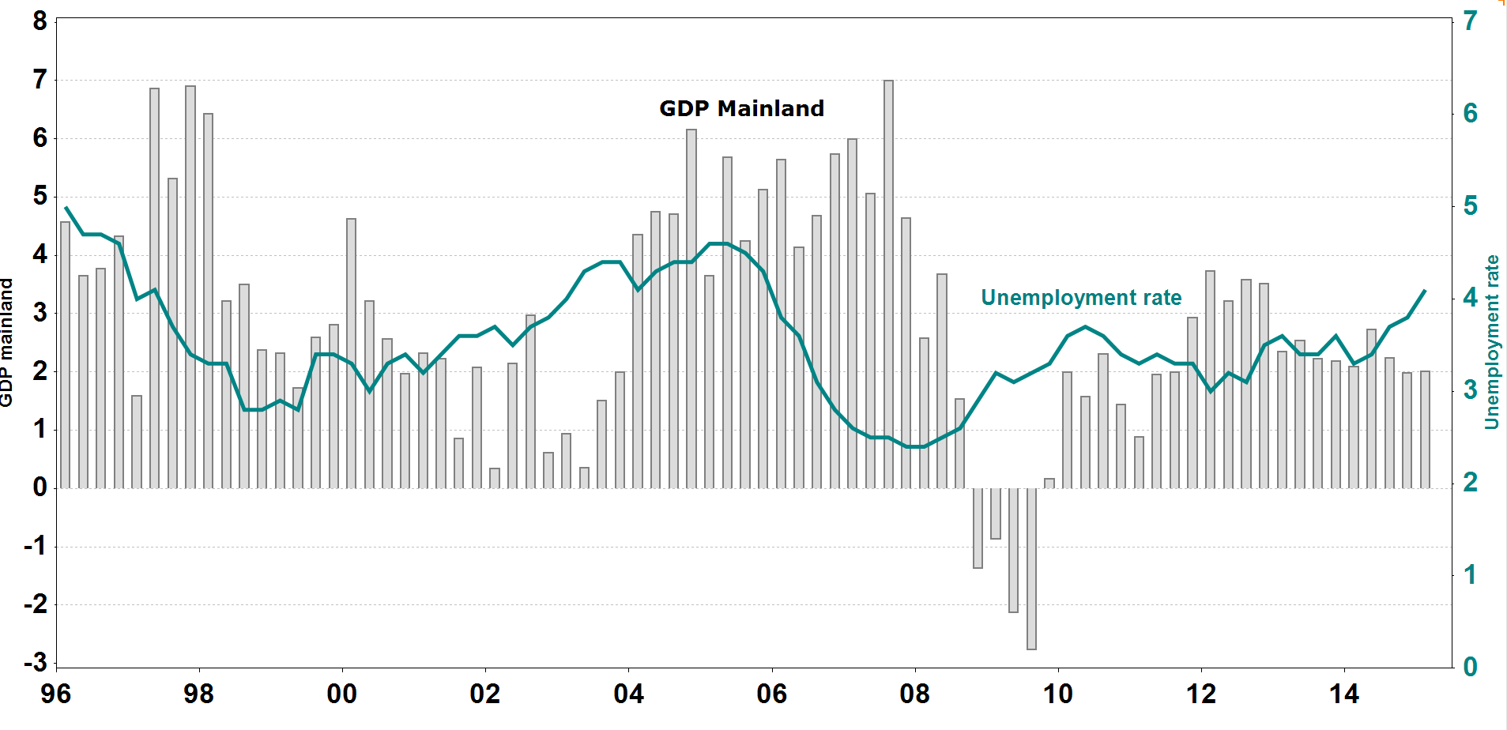

Source: Statistics Norway

4.1.4 Contribution to volume growth in GDP, mainland Norway

Per cent | 2013 | 2014 | F 2015 | F 2016 | F 2017 | F 2018
Household demand | 1.5 | 0.9 | 0.7 | 1.0 | 1.3 | 1.5
Gross fixed capital formation, mainland companies | 0.2 | 0.0 | (0.1) | (0.0) | 0.0 | 0.2
Gross fixed capital formation, petroleum activity | (0.8) | (0.1) | (1.2) | (0.7) | (0.3) | 0.2
Public sector demand | 0.8 | 1.2 | 0.9 | 1.0 | 0.9 | 0.9
...
Per cent | 2012 | 2013 | 2014 | F 2015 | F 2016
GDP | 1.8 | 1.7 | 3.4 | 3.6 | 3.6
Private consumption | 1.0 | 1.2 | 3.1 | 3.4 | 3.4
Gross fixed investments | (1.5) | 1.1 | 9.2 | 7.3 | 6.3
Inflation (CPI) | 3.7 | 0.9 | 0.0 | (0.5) | 1.6

Source: Consensus Economics Inc.

4.1.9 Credit market, 12 month percentage growth

Per cent
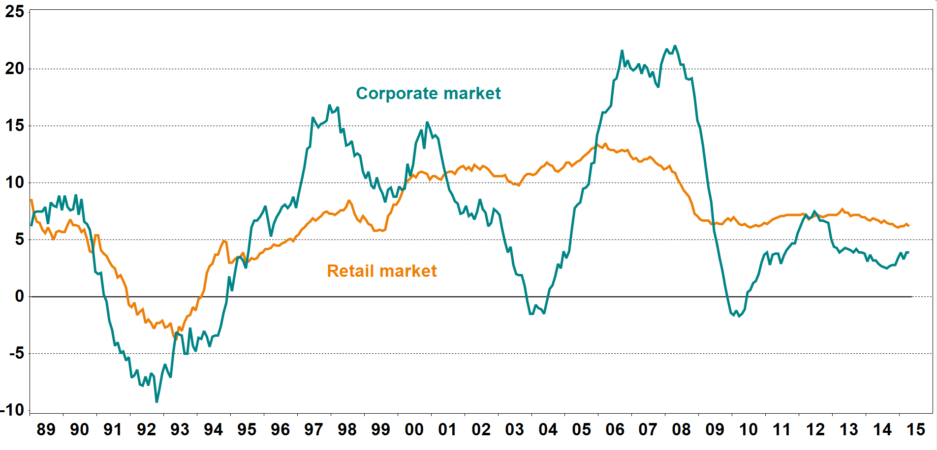
Source: Statistics Norway

4.1.10 Deposit market, 12 month percentage growth

Per cent
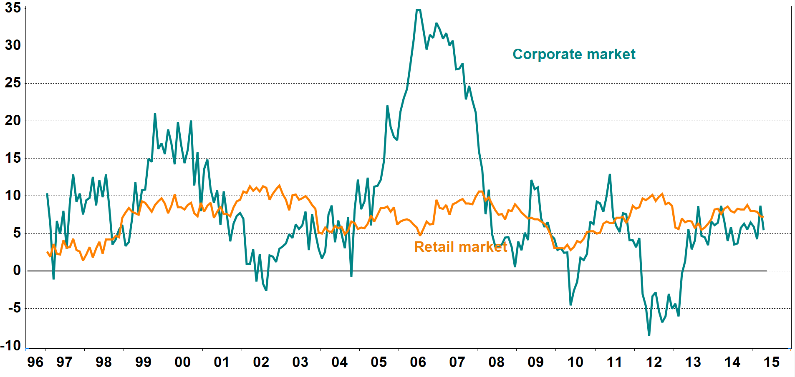
Source: Statistics Norway

4.1.11 House prices

Indices: 1985 = 100
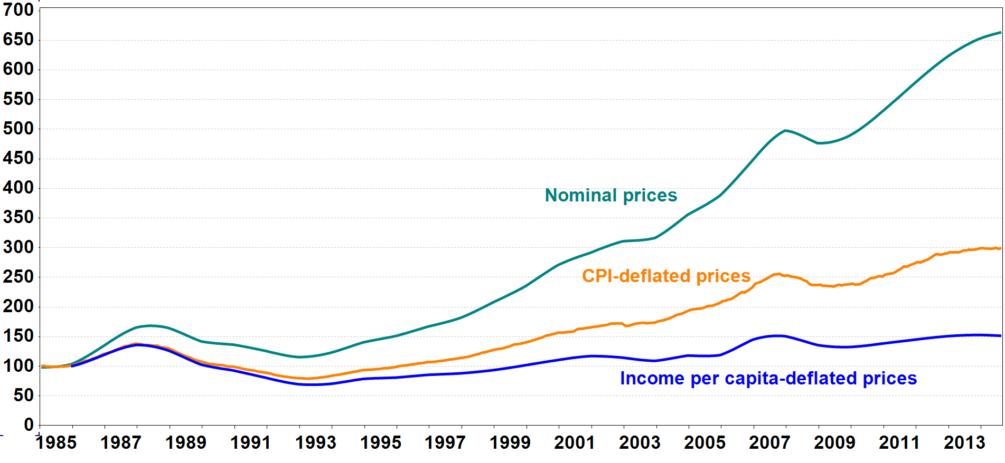
Source: Real Estate Norway, Finn.no, Eiendomsverdi AS and Statistics Norway

4.1.12 Household debt burden 1) and interest burden 2)

Per cent |  |  |  |  |  | Per cent
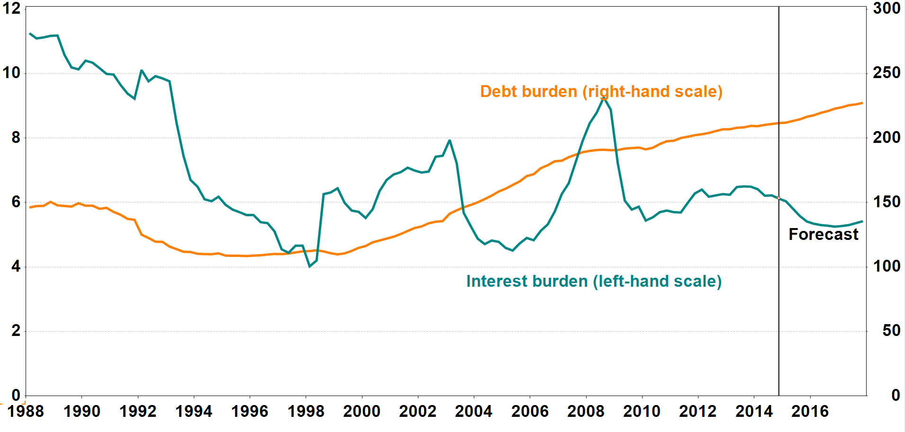
1) Loan debt as a percentage of disposable income.
2) Interest expenses after tax as a percentage of disposable income.

Source: Norges Bank

