Front
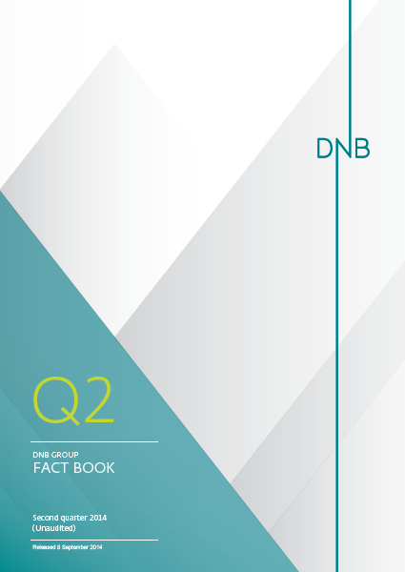

EAD (1)
1.8.1 Exposure at default by customer segments as defined in DNB's management reporting 1) 2)

DNB Group 3)
 | 30 June | 31 March | 31 Dec. | 30 Sept. | 30 June | 31 March | 31 Dec. | 30 Sept. | 30 June
Amounts in NOK billion | 2014 | 2014 | 2013 | 2013 | 2013 | 2013 | 2012 | 2012 | 2012
Commercial real estate | 206.7 | 204.6 | 195.1 | 193.6 | 191.6 | 188.0 | 191.8 | 197.7 | 194.5
Shipping | 109.4 | 108.9 | 112.7 | 117.2 | 118.0 | 118.8 | 116.6 | 123.0 | 132.2
Logistics | 20.1 | 17.5 | 18.2 | 18.8 | 20.5 | 18.4 | 18.7 | 19.5 | 22.1
Oil, gas and offshore | 116.4 | 106.3 | 110.7 | 106.6 | 108.8 | 108.9 | 103.7 | 114.2 | 122.7
Energy | 55.6 | 57.6 | 57.4 | 52.7 | 52.3 | 51.4 | 51.3 | 53.6 | 55.6
Other corporate customers | 98.7 | 90.0 | 113.2 | 106.0 | 108.5 | 102.5 | 100.2 | 96.6 | 100.0
Public sector | 27.9 | 26.5 | 26.8 | 27.1 | 27.7 | 27.0 | 26.9 | 27.6 | 29.1
Fishing and fish farming | 42.2 | 41.9 | 38.0 | 41.5 | 39.3 | 40.9 | 39.4 | 37.7 | 37.9
Trade | 48.8 | 46.7 | 44.4 | 44.0 | 43.3 | 42.7 | 41.5 | 44.9 | 48.1
Manufacturing | 81.1 | 79.2 | 80.8 | 75.9 | 73.3 | 71.4 | 69.6 | 71.9 | 72.0
Telecom and media | 31.3 | 29.3 | 32.5 | 31.0 | 27.4 | 25.6 | 24.5 | 25.2 | 27.0
Services | 39.9 | 37.4 | 37.0 | 35.5 | 37.9 | 32.9 | 30.8 | 34.2 | 35.7
Residential mortgages | 784.1 | 770.0 | 757.3 | 759.3 | 757.2 | 752.4 | 741.5 | 741.6 | 729.6
Private individuals | 110.8 | 111.2 | 111.0 | 110.7 | 107.6 | 107.8 | 106.1 | 106.7 | 104.0
Total customers | 1,773.0 | 1,727.1 | 1,735.1 | 1,719.9 | 1,713.3 | 1,688.7 | 1,662.4 | 1,694.4 | 1,710.3
Credit institutions | 31.0 | 28.6 | 25.9 | 26.2 | 27.6 | 26.9 | 26.2 | 28.4 | 24.4
Total net exposure at default | 1,804.0 | 1,755.6 | 1,761.0 | 1,746.1 | 1,740.9 | 1,715.6 | 1,688.6 | 1,722.8 | 1,734.7

1) Including net non-performing and net doubtful loans and guarantees.
2) Exposures at default are based on full implementation of IRB, i.e. some of the IRB reported portfolios are still subject to final IRB approval from the Norwegian FSA (Finanstilsynet).
3) For breakdown of the different customer segments, see next page.

Percentage distribution as at 30 June 2014

1.8.2 Risk classification of portfolio 1)

 | 30 June | 31 March | 31 Dec. | 30 Sept. | 30 June | 31 March | 31 Dec. | 30 Sept. | 30 June
Amounts in NOK billion | 2014 | 2014 | 2013 | 2013 | 2013 | 2013 | 2012 | 2012 | 2012
PD 0.01% -
Personal customers | 612.8 | 603.6 | 589.9 | 587.0 | 580.9 | 575.9 | 554.4 | 534.1 | 517.6
Small and medium-sized enterprises | 148.3 | 144.6 | 140.7 | 140.1 | 147.3 | 145.1 | 140.3 | 140.2 | 149.9
Large corporates and international customers 2) | 424.1 | 409.9 | 410.4 | 390.8 | 384.0 | 371.2 | 362.9 | 381.7 | 384.6
Total DNB Group *) | 1,185.1 | 1,158.1 | 1,141.0 | 1,117.8 | 1,112.2 | 1,092.3 | 1,057.5 | 1,056.0 | 1,052.2
PD 0.75% -
Personal customers | 168.2 | 163.5 | 165.2 | 169.5 | 172.4 | 173.6 | 179.1 | 198.7 | 199.0
Small and medium-sized enterprises | 95.0 | 97.7 | 99.7 | 103.8 | 102.2 | 101.2 | 104.0 | 103.7 | 105.3
Large corporates and international customers 2) | 263.5 | 245.0 | 256.1 | 245.7 | 245.3 | 240.5 | 238.6 | 255.1 | 274.8
Total DNB Group *) | 526.6 | 506.2 | 521.1 | 519.0 | 519.9 | 515.2 | 521.7 | 557.5 | 579.1
PD 3.00% -
Personal customers | 23.5 | 22.4 | 22.6 | 22.8 | 22.4 | 21.5 | 24.1 | 25.1 | 25.4
Small and medium-sized enterprises | 22.0 | 21.2 | 22.6 | 23.2 | 19.9 | 21.2 | 22.4 | 25.4 | 15.9
Large corporates and international customers 2) | 27.7 | 28.2 | 29.4 | 35.9 | 38.0 | 40.2 | 38.3 | 34.6 | 36.6
Total DNB Group *) | 73.3 | 71.8 | 74.6 | 81.9 | 80.3 | 83.0 | 84.8 | 85.2 | 77.9
Net non-performing and net doubtful commitments
Personal customers | 3.1 | 3.4 | 3.5 | 3.5 | 3.5 | 3.3 | 3.5 | 3.6 | 4.0
Small and medium-sized enterprises | 3.9 | 3.6 | 3.8 | 4.2 | 4.3 | 4.3 | 4.3 | 4.0 | 4.0
Large corporates and international customers 2) | 12.0 | 12.5 | 17.0 | 19.7 | 20.7 | 17.5 | 16.7 | 16.6 | 17.4
Total DNB Group *) | 19.0 | 19.5 | 24.2 | 27.4 | 28.5 | 25.1 | 24.6 | 24.1 | 25.5
Total Personal customers | 807.6 | 792.9 | 781.2 | 782.8 | 779.3 | 774.4 | 761.1 | 761.5 | 746.0
Total Small and medium-sized enterprises | 269.2 | 267.1 | 266.8 | 271.3 | 273.7 | 271.7 | 271.0 | 273.3 | 275.1
Total Large corporates and international customers 2) | 727.2 | 695.6 | 713.0 | 692.1 | 687.9 | 669.4 | 656.5 | 688.0 | 713.5
Total risk classification of portfolio - DNB Group | 1,804.0 | 1,755.6 | 1,761.0 | 1,746.1 | 1,740.9 | 1,715.6 | 1,688.6 | 1,722.8 | 1,734.7

 | 30 June | 31 March | 31 Dec. | 30 Sept. | 30 June | 31 March | 31 Dec. | 30 Sept. | 30 June
Amounts in NOK billion | 2014 | 2014 | 2013 | 2013 | 2013 | 2013 | 2012 | 2012 | 2012
*) of which international portfolio
PD 0.01% - | 240.4 | 233.1 | 231.7 | 212.5 | 207.3 | 192.2 | 183.0 | 204.0 | 210.1
PD 0.75% - | 147.5 | 138.6 | 146.2 | 143.6 | 141.6 | 148.5 | 149.9 | 160.6 | 174.6
PD 3.00% - | 18.8 | 18.0 | 20.8 | 25.9 | 28.2 | 30.8 | 29.0 | 26.9 | 28.6
Net non-performing and net doubtful commitments | 10.4 | 10.8 | 14.1 | 16.4 | 18.0 | 14.4 | 14.0 | 14.6 | 14.8
Total international portfolio | 417.1 | 400.5 | 412.8 | 398.4 | 395.0 | 385.9 | 375.9 | 406.1 | 428.1
*) of which commercial real estate
PD 0.01% - | 124.4 | 119.0 | 106.8 | 104.3 | 103.5 | 107.2 | 112.0 | 108.6 | 102.7
PD 0.75% - | 68.7 | 73.2 | 77.1 | 76.1 | 76.1 | 68.4 | 67.6 | 76.6 | 80.6
PD 3.00% - | 10.2 | 8.9 | 7.4 | 9.2 | 7.6 | 7.9 | 7.6 | 8.9 | 7.8
Net non-performing and net doubtful commitments | 3.4 | 3.5 | 3.8 | 4.0 | 4.4 | 4.6 | 4.6 | 3.6 | 3.4
Total commercial real estate | 206.7 | 204.6 | 195.1 | 193.6 | 191.6 | 188.0 | 191.8 | 197.7 | 194.5

1) Based on DNB's risk classification system. The volumes represent the expected outstanding amount in the event of default. PD = probability of default.
2) For breakdown into sub-segments, see table 1.8.8.

1.8.3 Risk classification of portfolio - DNB Group 1) *)
 | 31 Dec. 2012 | 31 March 2013 | 30 June 2013 | 30 Sept. 2013 | 31 Dec. 2013 | 31 March 2014 | 30 June 2014
Total DNB Group *) | 1,057.5 | 1,092.3 | 1,112.2 | 1,117.8 | 1,141.0 | 1,158.1 | 1,185.1
Total DNB Group *) | 521.7 | 515.2 | 519.9 | 519.0 | 521.1 | 506.2 | 526.6
Total DNB Group *) | 84.8 | 83.0 | 80.3 | 81.9 | 74.6 | 71.8 | 73.3
Total DNB Group *) | 24.6 | 25.1 | 28.5 | 27.4 | 24.2 | 19.5 | 19.0

*) of which international portfolio 1) 2) |  |  | *) of which commercial real estate 1)
 | 31 Dec. 2012 | 31 March 2013 | 30 June 2013 | 30 Sept. 2013 | 31 Dec. 2013 | 31 March 2014 | 30 June 2014
PD 0.01% - | 183.0 | 192.2 | 207.3 | 212.5 | 231.7 | 233.1 | 240.4
PD 0.75% - | 149.9 | 148.5 | 141.6 | 143.6 | 146.2 | 138.6 | 147.5
PD 3.00% - | 29.0 | 30.8 | 28.2 | 25.9 | 20.8 | 18.0 | 18.8
Net non-performing and net doubtful commitments | 14.0 | 14.4 | 18.0 | 16.4 | 14.1 | 10.8 | 10.4
 | 31 Dec. 2012 | 31 March 2013 | 30 June 2013 | 30 Sept. 2013 | 31 Dec. 2013 | 31 March 2014 | 30 June 2014
PD 0.01% - | 112.0 | 107.2 | 103.5 | 104.3 | 106.8 | 119.0 | 124.4
PD 0.75% - | 67.6 | 68.4 | 76.1 | 76.1 | 77.1 | 73.2 | 68.7
PD 3.00% - | 7.6 | 7.9 | 7.6 | 9.2 | 7.4 | 8.9 | 10.2
Net non-performing and net doubtful commitments | 4.6 | 4.6 | 4.4 | 4.0 | 3.8 | 3.5 | 3.4

1) Based on DNB's risk classification system. The volumes represent the expected outstanding amount in the event of default. PD = probability of default.
2) The international portfolio comprises business recorded outside Norway.

1.8.4 Segment areas - exposure at default according to sector 1) 2)

Personal customers
 | 30 June | 31 March | 31 Dec. | 30 Sept. | 30 June | 31 March | 31 Dec. | 30 Sept. | 30 June
Amounts in NOK billion | 2014 | 2014 | 2013 | 2013 | 2013 | 2013 | 2012 | 2012 | 2012
Commercial real estate | - | - | - | - | - | - | - | - | -
Shipping | - | - | - | - | - | - | - | - | -
Logistics | - | - | - | - | - | - | - | - | -
Oil, gas and offshore | - | - | - | - | - | - | - | - | -
Energy | - | - | - | - | - | - | - | - | -
Public sector | - | - | - | - | - | - | - | - | -
Fishing and fish farming | - | - | - | - | - | - | - | - | -
Trade | - | - | - | - | - | - | - | - | -
Manufacturing | - | - | - | - | - | - | - | - | -
Telecom and media | - | - | - | - | - | - | - | - | -
Services | - | - | - | - | - | - | - | - | -
Residential mortgages | 696.7 | 681.7 | 670.3 | 672.0 | 671.6 | 666.6 | 655.0 | 654.8 | 642.1
Private individuals | 110.8 | 111.2 | 111.0 | 110.7 | 107.6 | 107.8 | 106.1 | 106.7 | 104.0
Other corporate customers | - | - | - | - | - | - | - | - | -
Total customers | 807.6 | 792.9 | 781.2 | 782.8 | 779.3 | 774.4 | 761.1 | 761.5 | 746.0
Credit institutions | - | - | - | - | - | - | - | - | -
Total net exposure at default | 807.6 | 792.9 | 781.2 | 782.8 | 779.3 | 774.4 | 761.1 | 761.5 | 746.0

Small and medium-sized enterprises
 | 30 June | 31 March | 31 Dec. | 30 Sept. | 30 June | 31 March | 31 Dec. | 30 Sept. | 30 June
Amounts in NOK billion | 2014 | 2014 | 2013 | 2013 | 2013 | 2013 | 2012 | 2012 | 2012
Commercial real estate | 92.1 | 90.1 | 79.6 | 79.4 | 80.8 | 79.8 | 81.7 | 82.7 | 81.1
Shipping | 0.8 | 0.9 | 0.8 | 0.8 | 0.8 | 0.8 | 0.8 | 0.9 | 1.0
Logistics | 0.0 | 0.0 | 0.0 | 0.0 | 0.0 | 0.0 | 0.0 | 0.0 | 0.0
Oil, gas and offshore | 1.0 | 1.0 | 1.0 | 0.7 | 0.7 | 0.7 | 0.8 | 0.9 | 0.6
Energy | 7.0 | 8.6 | 8.8 | 8.6 | 9.2 | 9.5 | 9.4 | 9.4 | 9.8
Public sector | 13.9 | 13.2 | 12.8 | 13.1 | 13.3 | 13.6 | 13.7 | 14.4 | 14.7
Fishing and fish farming | 14.2 | 13.8 | 11.5 | 13.3 | 12.7 | 14.0 | 14.0 | 13.5 | 13.3
Trade | 21.3 | 20.6 | 19.1 | 20.5 | 20.7 | 20.6 | 20.3 | 21.7 | 21.7
Manu-facturing | 19.0 | 18.5 | 17.8 | 18.3 | 18.1 | 18.1 | 17.2 | 17.6 | 18.6
Telecom and media | 2.5 | 2.4 | 2.6 | 2.4 | 2.4 | 2.6 | 2.6 | 3.1 | 3.8
Services | 13.4 | 12.8 | 11.9 | 11.0 | 11.7 | 11.5 | 11.5 | 12.9 | 12.7
Residential real estate and private individuals | 40.9 | 41.6 | 39.7 | 41.7 | 41.4 | 42.8 | 42.6 | 42.9 | 43.1
...
1.8.6 Exposure at default, geographic distribution of commercial real estate exposure 1) 2)
Oslo/ Akershus | 66.7 | 60.7 | 60.1 | 62.5 | 62.7 | 59.3 | 64.4 | 67.4 | 65.7
Eastern Norway excl. Oslo/ Akershus | 45.6 | 44.5 | 42.5 | 40.7 | 40.2 | 38.3 | 39.0 | 39.3 | 38.7
Western Norway | 41.2 | 39.7 | 39.3 | 41.2 | 40.1 | 40.0 | 39.8 | 40.7 | 38.3
Central/ Northern Norway | 36.6 | 38.0 | 29.9 | 30.4 | 30.3 | 29.9 | 31.2 | 30.7 | 29.6
Sweden | 6.0 | 8.9 | 9.5 | 7.0 | 6.7 | 7.7 | 8.3 | 9.6 | 8.4
Baltics and Poland | 7.2 | 9.2 | 9.7 | 7.7 | 7.6 | 8.9 | 9.0 | 10.0 | 9.6
Other Europe | 3.5 | 3.6 | 4.0 | 4.2 | 4.1 | 3.9 | 0.0 | 0.0 | 4.2
Total | 206.7 | 204.6 | 195.1 | 193.6 | 191.6 | 188.0 | 191.8 | 197.7 | 194.5

Exposure at default, breakdown of commercial real estate exposure 1) 2) |  |  | Exposure at default, geographic distribution of commercial real estate exposure 1) 2)
 | 30 June 2014
Retail store facility building loans | 2.0
Hotel building loans | 2.2
Shopping centre building loans | 2.5
Office premises building loans | 5.9
Leasing of retail store facilities | 12.7
Leasing of hotels | 22.0
Leasing of shopping centres | 15.0
Leasing of office premises | 83.9
Leasing of warehouse/ logistics/ multi-purpose buildings | 23.6
Other | 36.9

1) Exposures at default are based on full implementation of IRB, i.e. some of the IRB reported portfolios are still subject to final IRB approval from the Norwegian FSA (Finanstilsynet).
2) The definition of these segments reflects the actual underlying commercial property risk.

1.8.7 Sub-segments in Large corporates and international customers - exposure at default according to sector 1)

Nordic Corporates Division | 30 June | 31 March | 31 Dec. | 30 Sept. | 30 June | 31 March | 31 Dec. | 30 Sept. | 30 June
Amounts in NOK billion | 2014 | 2014 | 2013 | 2013 | 2013 | 2013 | 2012 | 2012 | 2012
Financial institutions | 21.4 | 18.3 | 18.9 | 18.6 | 19.3 | 17.7 | 16.5 | 17.8 | 12.0
...

Liq.&funding (2)
...
 | Subordinated loans 1) |  |  |  |  | 5.5 |  | 5.0
 | In addition: LTRO funding |  |  |  |  | 9.0 |  | 3.0

1) Callable after five years with a total maturity of ten years.

1.9.3 Redemption profile as at 30 June 2014

NOK billion | 2014 | 2015 | 2016 | 2017 | 2018 | 2019 | 2020 | 2021 | 2022 | 2023 | 2024 | >2024
Senior unsecured bonds | 8.7 | 8.6 | 14.0 | 28.3 | 16.7 | 13.6 | 15.8 | 20.3 | 16.0 | 1.2 | 1.4 | 4.2
Covered bonds | 4.7 | 42.0 | 66.9 | 55.5 | 59.0 | 35.6 | 7.9 | 24.3 | 28.5 | 9.1 | 7.9 | 25.1
Total | 13.4 | 50.6 | 80.9 | 83.8 | 75.7 | 49.2 | 23.7 | 44.6 | 44.5 | 10.3 | 9.3 | 29.3
 | 13 | 51 | 81 | 84 | 76 | 49 | 24 | 45 | 45 | 10 | 9 | 29

Cap.adeq
...
 | 30 June | 31 March | 31 Dec. | 30 Sept. | 30 June | 31 March | 31 Dec. | 30 Sept. | 30 June
Operational risk | 6,408 | 6,408 | 6,408 | 5,793 | 5,793 | 5,793 | 5,793 | 5,386 | 5,386
Net insurance, after eliminations | 7,008 | 7,253 | 6,982 | 7,170 | 7,350 | 7,485 | 7,563 | 7,868 | 8,094
Deductions | (52) | (57) | (60) | (56) | (13) | (33) | (27) | (39) | (45)
Total capital requirements according to Basel II | 77,989 | 78,317 | 79,840 | 81,477 | 83,535 | 82,573 | 81,972 | 82,322 | 84,351
Additional capital requirements according to transitional rules | 9,685 | 8,684 | 7,289 | 5,858 | 4,344 | 4,973 | 4,082 | 5,066 | 4,959
Total capital requirements according to transitional rules | 87,674 | 87,001 | 87,129 | 87,335 | 87,879 | 87,546 | 86,054 | 87,388 | 89,311

1) See next page for further details.

1.10.3 Common equity Tier 1 capital ratio 1)
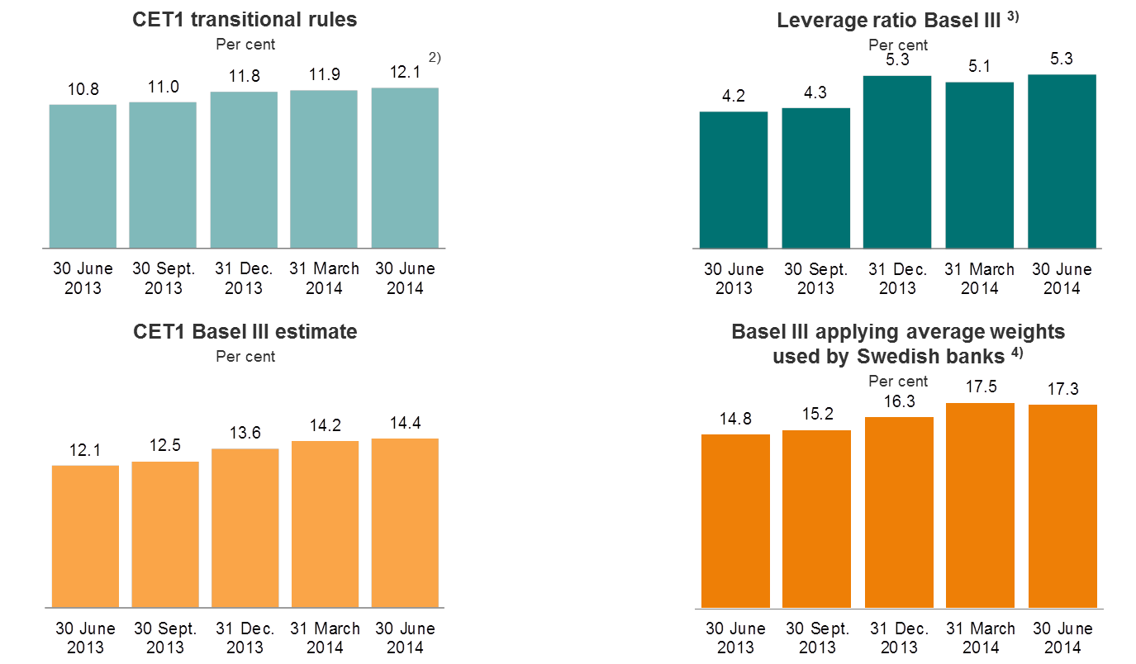

1) Including 50 per cent of profit for the period, except for the full year figures.
2) 12.4 per cent if 75 per cent of profit for the period is included.
3) Calculated according to CRD IV rules.
4) Estimated common equity Tier 1 capital ratio according to Basel III, applying average weights used by Swedish banks.

1.10.4 Specification of capital requirements for credit risk

As at 30 June 2014 |  |  | Average
 |  | EAD, | Risk | Risk- | Capital
 | Nominal | exposure | weights | weighted | require-
...

Personal cust
...
Key figures in per cent:
Ratio of deposits to loans | 53.1 | 52.7 | 52.6 | 53.1 | 51.6 | 51.2 | 51.5 | 52.5 | 50.9
Return on allocated capital, annualised 1) | 24.0 | 21.4 | 43.0 | 40.1 | 32.1 | 29.5 | 32.4 | 29.2 | 27.6

1) Allocated capital corresponds to the external capital adequacy requirement (Basel II) which must be met by the Group. In consequence of stricter external capital requirements and the authorities’ signals of additional capital requirements for home mortgages, allocated capital to Personal customers was adjusted upwards in the first quarter of 2014. This resulted in a lower return on capital compared with the preceding quarters.
2) Including collective impairment.
3) Profits from repossessed operations which are fully consolidated in the DNB Group are presented net under ”Profit from repossessed operations” in the segments.
4) Loans to customers include accrued interest and impairment. Correspondingly, deposits from customers include accrued interest.

2.2.2 Personal customers - Risk classification of portfolio 1)
 | 31 Dec. 2012 | 31 March 2013 | 30 June 2013 | 30 Sept. 2013 | 31 Dec. 2013 | 31 March 2014 | 30 June 2014
Personal customers | 554.4 | 575.9 | 580.9 | 587.0 | 589.9 | 603.6 | 612.8
Personal customers | 179.1 | 173.6 | 172.4 | 169.5 | 165.2 | 163.5 | 168.2
Personal customers | 24.1 | 21.5 | 22.4 | 22.8 | 22.6 | 22.4 | 23.5
Personal customers | 3.5 | 3.3 | 3.5 | 3.5 | 3.5 | 3.4 | 3.1

1) Based on DNB's risk classification system. The volumes represent the expected outstanding amount in the event of default. PD = probability of default.

2.2.3 Personal customers - Exposure at default according to sector as at 30 June 2014
 | 30 June
Amounts in NOK billion | -
Per-sonal cus-tomers | 807.6
SME | 269.2
LCI | 727.2
 | 30 June 2014
Residential mortgages | 696.7
Private individuals | 110.8

2.2.4 Personal customers - Development in average volumes and interest rate spreads

 | 2Q14 | 1Q14 | 4Q13 | 3Q13 | 2Q13 | 1Q13 | 4Q12 | 3Q12 | 2Q12
Volumes (NOK billion):
Loans to customers 1) | 662 | 656 | 653 | 649 | 647 | 640 | 634 | 621 | 608
Deposits from customers 1) | 349 | 347 | 339 | 341 | 332 | 329 | 321 | 322 | 308
Spread income (NOK million):
Lending spreads | 4,031 | 4,001 | 4,109 | 4,118 | 3,743 | 3,323 | 3,257 | 2,841 | 2,709
Deposit spreads | (474) | (508) | (488) | (481) | (360) | (472) | (410) | (163) | (180)
Spreads in per cent:
...
*) Development in loan to value | 30 June 2014 | 31 March 2014 | 31 Dec. 2013 | 30 Sept. 2013 | 30 June 2013 | 31 March 2013 | 31 Dec. 2012
0-40 | 14.9 % | 14.8 % | 15.1 % | 16.6 % | 16.8 % | 16.9 % | 17.1 % | 17.6 % | 17.1 %
40-60 | 25.7 % | 25.5 % | 26.0 % | 29.1 % | 29.4 % | 29.8 % | 28.7 % | 29.6 % | 28.0 %
60-75 | 34.3 % | 33.8 % | 33.3 % | 34.1 % | 34.0 % | 34.2 % | 34.1 % | 34.0 % | 33.9 %
75-85 | 16.7 % | 16.7 % | 16.1 % | 14.4 % | 13.8 % | 13.4 % | 13.8 % | 12.9 % | 13.0 %
>85 | 8.4 % | 9.2 % | 9.4 % | 5.9 % | 5.9 % | 5.7 % | 6.3 % | 5.9 % | 8.0 %
Total | 100.0 % | 100.0 % | 100.0 % | 100.0 % | 100.0 % | 100.0 % | 100.0 % | 100.0 % | 100.0 %
Total loans (NOK billion) | 646 | 637 | 629 | 622 | 613 | 600 | 593 | 581 | 571

1) Distribution of residential mortgages in the Personal customers segment within actual collateral categories. The volumes represent the IRB - approved mortgage portfolio and are the expected outstanding amount in the event of default.
Development in loan to value

2.2.7 DNB Boligkreditt - Average mortgage lending - volumes and spreads 1)

Amounts in NOK billion | 2Q14 | 1Q14 | 4Q13 | 3Q13 | 2Q13 | 1Q13 | 4Q12 | 3Q12 | 2Q12
Average loans to customers | 536 | 531 | 528 | 525 | 523 | 520 | 514 | 500 | 484
Spreads measured against actual funding costs (per cent) | 1.29 | 1.44 | 1.44 | 1.34 | 1.13 | 0.92 | 0.82 | 0.59 | 0.63

1) Residential mortgages in DNB Boligkreditt represented around 90 per cent of total residential mortgages to customers in Norway. The lending spreads measured against actual funding costs for the company are gross spreads before administrative expenses, risk cost and cost of capital.

2.2.8 DNB Eiendom - Residential real estate broking in Norway
...

SME
...
Key figures in per cent:
Cost/income ratio | 48.3 | 48.9 | 49.7 | 46.7 | 48.3 | 49.7 | 51.2 | 49.1 | 50.5
Ratio of deposits to loans | 71.4 | 71.7 | 71.4 | 71.9 | 70.3 | 70.5 | 71.8 | 70.4 | 70.0
Return on allocated capital, annualised 1) | 11.6 | 12.3 | 11.5 | 12.2 | 11.3 | 12.3 | 8.3 | 13.4 | 14.0

1) Allocated capital corresponds to the external capital adequacy requirement (Basel II) which must be met by the Group.
2) Including collective impairment.
3) Profits from repossessed operations which are fully consolidated in the DNB Group are presented net under "Profit from repossessed operations" in the segments.
4) Loans to customers include accrued interest and impairment. Correspondingly, deposits from customers include accrued interest.

2.3.2 SME - Risk classification of portfolio 1)
 | 31 Dec. 2012 | 31 March 2013 | 30 June 2013 | 30 Sept. 2013 | 31 Dec. 2013 | 31 March 2014 | 30 June 2014
Small and medium-sized enterprises | 140.3 | 145.1 | 147.3 | 140.1 | 140.7 | 144.6 | 148.3
Small and medium-sized enterprises | 104.0 | 101.2 | 102.2 | 103.8 | 99.7 | 97.7 | 95.0
Small and medium-sized enterprises | 22.4 | 21.2 | 19.9 | 23.2 | 22.6 | 21.2 | 22.0
Small and medium-sized enterprises | 4.3 | 4.3 | 4.3 | 4.2 | 3.8 | 3.6 | 3.9

1) Based on DNB's risk classification system. The volumes represent the expected outstanding amount in the event of default. PD = probability of default.

2.3.3 SME - Exposure at default according to sector as at 30 June 2014
 | 30 June
Amounts in NOK billion | -
Per-sonal cus-tomers | 807.6
SME | 269.2
LCI | 727.2
 | 30 June 2014
Commercial real estate | 92.1
Shipping | 0.8
Logistics | -
Oil, gas and offshore | 1.0
Energy | 7.0
Public sector | 13.9
Fishing and fish farming | 14.2
Trade | 21.3
Manu-facturing | 19.0
Telecom and media | 2.5
Services | 13.4
Residential real estate and private individuals | 40.9
Other corporate customers | 38.6

2.3.4 SME - Development in average volumes and interest rate spreads

 | 2Q14 | 1Q14 | 4Q13 | 3Q13 | 2Q13 | 1Q13 | 4Q12 | 3Q12 | 2Q12
Volumes (NOK billion):
Loans to customers 1) | 212 | 209 | 206 | 204 | 203 | 201 | 201 | 203 | 200
Deposits from customers 1) | 153 | 152 | 148 | 147 | 144 | 144 | 145 | 143 | 141
Spread income (NOK million):
Lending spreads | 1,435 | 1,420 | 1,450 | 1,420 | 1,399 | 1,337 | 1,351 | 1,281 | 1,223
Deposit spreads | (38) | (61) | (57) | (34) | (8) | (35) | (65) | (5) | 19
...

LCI
...
Key figures in per cent:
Ratio of deposits to loans | 78.9 | 80.8 | 76.5 | 76.0 | 74.2 | 73.0 | 70.4 | 64.8 | 62.8
Return on allocated capital, annualised 1) | 12.3 | 13.9 | 14.6 | 12.7 | 10.7 | 10.2 | 9.0 | 12.7 | 12.8

1) Allocated capital corresponds to the external capital adequacy requirement (Basel II) which must be met by the Group.
2) Including collective impairment.
3) Profits from repossessed operations which are fully consolidated in the DNB Group are presented net under "Profit from repossessed operations" in the segments.
4) Loans to customers include accrued interest and impairment. Correspondingly, deposits from customers include accrued interest.
5) Total operating expenses relative to total income. Total expenses exclude impairment losses for goodwill.

2.4.2 LCI - Risk classification of portfolio 1)
 | 31 Dec. 2012 | 31 March 2013 | 30 June 2013 | 30 Sept. 2013 | 31 Dec. 2013 | 31 March 2014 | 30 June 2014
Large corporates and international customers 2) | 362.9 | 371.2 | 384.0 | 390.8 | 410.4 | 409.9 | 424.1
Large corporates and international customers 2) | 238.6 | 240.5 | 245.3 | 245.7 | 256.1 | 245.0 | 263.5
Large corporates and international customers 2) | 38.3 | 40.2 | 38.0 | 35.9 | 29.4 | 28.2 | 27.7
Large corporates and international customers 2) | 16.7 | 17.5 | 20.7 | 19.7 | 17.0 | 12.5 | 12.0

1) Based on DNB's risk classification system. The volumes represent the expected outstanding amount in the event of default. PD = probability of default.

2.4.3 LCI - Exposure at default according to sector as at 30 June 2014
 | 30 June
Amounts in NOK billion | -
Per-sonal cus-tomers | 807.6
SME | 269.2
LCI | 727.2
 | 30 June 2014
Commercial real estate | 114.6
Shipping | 108.6
Logistics | 20.1
Oil, gas and offshore | 115.4
Energy | 48.6
Public sector | 14.0
Fishing and fish farming | 28.0
Trade | 27.4
Manu-facturing | 62.1
Telecom and media | 28.8
Services | 26.5
Residential real estate and private individuals | 46.4
Other corporate customers | 60.1

2.4.4 LCI - Average volumes

Amounts in NOK billion | 2Q14 | 1Q14 | 4Q13 | 3Q13 | 2Q13 | 1Q13 | 4Q12 | 3Q12 | 2Q12
Loans to customers 1)
Nordic Corporates Division | 155 | 153 | 152 | 150 | 146 | 145 | 150 | 153 | 156
International Corporates Division | 76 | 76 | 76 | 74 | 71 | 69 | 70 | 72 | 71
Energy Division | 53 | 50 | 50 | 50 | 49 | 48 | 51 | 54 | 52
Shipping, Offshore and Logistic Division | 120 | 128 | 131 | 132 | 133 | 133 | 136 | 144 | 145
...
 | 2Q14 | 1Q14 | 4Q13 | 3Q13 | 2Q13 | 1Q13 | 4Q12 | 3Q12 | 2Q12
Lending spreads | 2,463 | 2,486 | 2,506 | 2,456 | 2,371 | 2,312 | 2,352 | 2,324 | 2,252
Deposit spreads | (151) | (153) | (151) | (168) | (164) | (142) | (128) | (127) | (94)
Spreads in per cent:
Lending spreads | 2.17 | 2.20 | 2.16 | 2.15 | 2.14 | 2.13 | 2.07 | 1.97 | 1.92
Deposit spreads | (0.17) | (0.16) | (0.17) | (0.19) | (0.19) | (0.17) | (0.16) | (0.16) | (0.12)

1) Loans to and deposits from customers. Nominal values, excluding impaired loans.

2.4.6 LCI - Nordic Corporates Division
Exposure at default according to sector |  |  | Risk classification of portfolio 1)
 | 30 June 2014
Financial institutions | 21.4
Hotels and accomo-dation | 24.0
Commercial real estate | 80.9
Residential real estate | 17.0
Construction | 7.5
Services | 22.8
Public sector | 8.6
Trade | 19.5
Other corporate customers | 15.8
 | 31 Dec. 2012 | 31 March 2013 | 30 June 2013 | 30 Sept. 2013 | 31 Dec. 2013 | 31 March 2014 | 30 June 2014
Nordic Corporates Division | 129.4 | 124.7 | 132.8 | 135.7 | 139.7 | 143.6 | 146.9
Nordic Corporates Division | 54.0 | 58.5 | 59.9 | 60.4 | 63.8 | 58.7 | 62.8
Nordic Corporates Division | 9.0 | 8.4 | 5.4 | 6.4 | 5.7 | 6.4 | 6.6
Nordic Corporates Division | 1.2 | 1.6 | 3.3 | 1.9 | 1.6 | 1.3 | 1.2

1) Based on DNB's risk classification system. The volumes represent the expected outstanding amount in the event of default. PD = probability of default.

2.4.7 LCI - International Corporates Division
Exposure at default according to sector |  |  | Risk classification of portfolio 1)
 | 30 June 2014
Seafood and agriculture | 22.3
Healthcare | 28.6
Branded goods | 10.2
Forestry/ pulp and paper | 13.4
Other manu-facturing industries | 20.2
Technology, media and telecom | 24.8
Other business activities | 17.2
 | 31 Dec. 2012 | 31 March 2013 | 30 June 2013 | 30 Sept. 2013 | 31 Dec. 2013 | 31 March 2014 | 30 June 2014
International Corporates Division | 69.0 | 71.3 | 71.7 | 77.8 | 79.1 | 76.6 | 80.4
International Corporates Division | 34.7 | 37.0 | 40.2 | 37.3 | 44.7 | 45.8 | 50.6
International Corporates Division | 1.2 | 1.3 | 2.4 | 4.6 | 2.1 | 3.1 | 4.5
International Corporates Division | 2.2 | 2.2 | 3.0 | 2.5 | 2.5 | 1.0 | 1.2

1) Based on DNB's risk classification system. The volumes represent the expected outstanding amount in the event of default. PD = probability of default.

2.4.8 LCI - Energy Division
Exposure at default according to sector |  |  | Risk classification of portfolio 1)
 | 30 June 2014
Midstream | 11.3
Oil and gas | 51.6
Oilfield services | 21.5
Power and heat | 39.1
Other energy | 14.5
 | 31 Dec. 2012 | 31 March 2013 | 30 June 2013 | 30 Sept. 2013 | 31 Dec. 2013 | 31 March 2014 | 30 June 2014
Energy Division | 92.8 | 98.5 | 98.4 | 98.7 | 107.7 | 108.8 | 111.9
Energy Division | 18.0 | 17.1 | 22.5 | 21.2 | 22.0 | 22.1 | 25.3
Energy Division | 0.5 | 1.2 | 0.7 | 0.5 | 0.4 | 0.8 | 0.8
Energy Division | 0.3 | 0.3 | 0.1 | 0.1 | 0.0 | 0.2 | 0.1

1) Based on DNB's risk classification system. The volumes represent the expected outstanding amount in the event of default. PD = probability of default.

2.4.9 LCI - Shipping, Offshore and Logistics Division
Exposure at default according to sector |  |  | Risk classification of portfolio 1)
 | 30 June 2014
Chemical and product tankers | 12.8
Container | 20.2
Crude oil tankers | 17.9
Cruise | 6.4
Dry cargo | 18.0
Gas | 21.5
Logistics | 8.7
Offshore | 41.9
RoRo/PCC | 5.4
Other shipping | 4.8
Other non-shipping | 11.5
 | 31 Dec. 2012 | 31 March 2013 | 30 June 2013 | 30 Sept. 2013 | 31 Dec. 2013 | 31 March 2014 | 30 June 2014
Shipping, Offshore and Logistics Division *) | 50.4 | 55.8 | 60.0 | 55.6 | 59.9 | 55.0 | 56.6
Shipping, Offshore and Logistics Division *) | 105.0 | 100.7 | 94.2 | 96.3 | 96.1 | 92.2 | 98.0
Shipping, Offshore and Logistics Division *) | 21.1 | 22.9 | 20.8 | 18.0 | 15.0 | 11.8 | 9.8
Shipping, Offshore and Logistics Division *) | 6.6 | 7.0 | 10.5 | 9.5 | 7.3 | 4.9 | 4.7

1) Based on DNB's risk classification system. The volumes represent the expected outstanding amount in the event of default. PD = probability of default.

2.4.10 LCI - Risk classification of portfolio according to sub-segments in Shipping, Offshore and Logistics Division (SOL) 1)

 | 31 Dec. 2012 | 31 March 2013 | 30 June 2013 | 30 Sept. 2013 | 31 Dec. 2013 | 31 March 2014 | 30 June 2014
The shipping portfolio - tanker segment | 2.3 | 2.3 | 2.3 | 2.0 | 1.9 | 2.0 | 1.7
The shipping portfolio - tanker segment | 10.9 | 10.5 | 9.0 | 10.4 | 11.9 | 10.8 | 13.8
The shipping portfolio - tanker segment | 2.7 | 2.7 | 2.7 | 3.0 | 2.2 | 3.0 | 2.3
The shipping portfolio - tanker segment | 1.0 | 1.3 | 2.6 | 2.4 | 1.6 | 0.2 | 0.0
 | 31 Dec. 2012 | 31 March 2013 | 30 June 2013 | 30 Sept. 2013 | 31 Dec. 2013 | 31 March 2014 | 30 June 2014
The shipping portfolio - dry bulk segment | 1.8 | 1.8 | 1.0 | 0.8 | 1.7 | 1.6 | 1.6
The shipping portfolio - dry bulk segment | 11.2 | 11.2 | 10.9 | 10.4 | 11.1 | 10.6 | 11.3
The shipping portfolio - dry bulk segment | 4.9 | 5.1 | 4.8 | 4.4 | 4.4 | 4.1 | 3.9
The shipping portfolio - dry bulk segment | 3.8 | 3.8 | 4.3 | 4.0 | 1.4 | 1.4 | 1.3
The SOL portfolio - tanker segment |  |  | The SOL portfolio - dry bulk segment

 | 31 Dec. 2012 | 31 March 2013 | 30 June 2013 | 30 Sept. 2013 | 31 Dec. 2013 | 31 March 2014 | 30 June 2014
The shipping portfolio - container segment | 6.9 | 7.0 | 6.9 | 5.8 | 5.9 | 6.1 | 6.0
The shipping portfolio - container segment | 14.3 | 13.4 | 12.1 | 14.2 | 12.3 | 10.9 | 10.3
The shipping portfolio - container segment | 3.8 | 5.1 | 4.0 | 3.6 | 1.9 | 1.4 | 1.3
The shipping portfolio - container segment | 0.3 | 0.3 | 0.8 | 1.2 | 2.6 | 2.6 | 2.6
 | 31 Dec. 2012 | 31 March 2013 | 30 June 2013 | 30 Sept. 2013 | 31 Dec. 2013 | 31 March 2014 | 30 June 2014
Other | 39.4 | 44.7 | 49.9 | 47.0 | 50.5 | 45.4 | 47.3
Other | 68.6 | 65.6 | 62.2 | 61.3 | 60.8 | 60.0 | 62.6
Other | 9.7 | 10.0 | 9.3 | 7.0 | 6.4 | 3.2 | 2.4
Other | 1.5 | 1.6 | 2.7 | 1.9 | 1.7 | 0.7 | 0.9
The SOL portfolio - container segment |  |  | The SOL portfolio - remaining segments

1) Based on DNB's risk classification system. The volumes represent the expected outstanding amount in the event of default. PD = probability of default.

Norw.economy
...
4.1.2 Government net financial liabilities 2013

Per cent of GDP

Source: OECD Economic Outlook No. 94, November 2013

4.1.3 GDP growth mainland Norway and unemployment rate

Per cent |  |  |  |  |  | Per cent
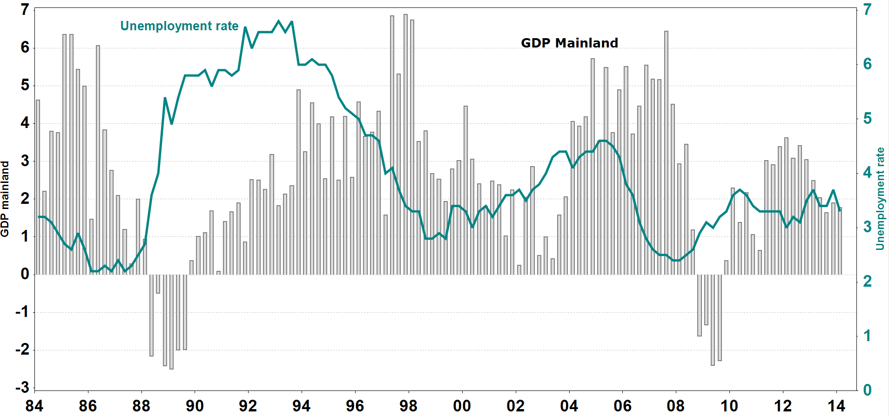
Source: Statistics Norway

4.1.4 Contribution to volume growth in GDP, mainland Norway

Per cent | 2012 | F 2013 | F 2014 | F 2015 | F 2016 | F 2017
Household demand | 2.0 | 1.5 | 1.0 | 1.1 | 1.5 | 1.8
Gross fixed capital formation, mainland companies | 0.4 | 0.1 | (0.0) | 0.0 | 0.0 | 0.1
Gross fixed capital formation, petroleum activity | 0.9 | (0.4) | (0.2) | (0.3) | (0.2) | (0.3)
Public sector demand | 0.5 | 0.8 | 0.7 | 0.7 | 0.7 | 0.8
Exports, mainland Norway | 0.5 | 0.0 | (0.0) | 1.0 | 1.2 | 1.3
...
Per cent | 2011 | 2012 | F 2013 | F 2014 | F 2015
GDP | 4.5 | 2.0 | 1.6 | 3.1 | 3.5
Private consumption | 2.6 | 1.3 | 0.8 | 2.7 | 3.1
Gross fixed investments | 8.5 | (1.6) | (0.2) | 3.9 | 5.6
Inflation (CPI) | 4.3 | 3.7 | 0.9 | 1.1 | 2.2

Source: Consensus Economics Inc.

4.1.9 Credit market, 12 month percentage growth

Per cent
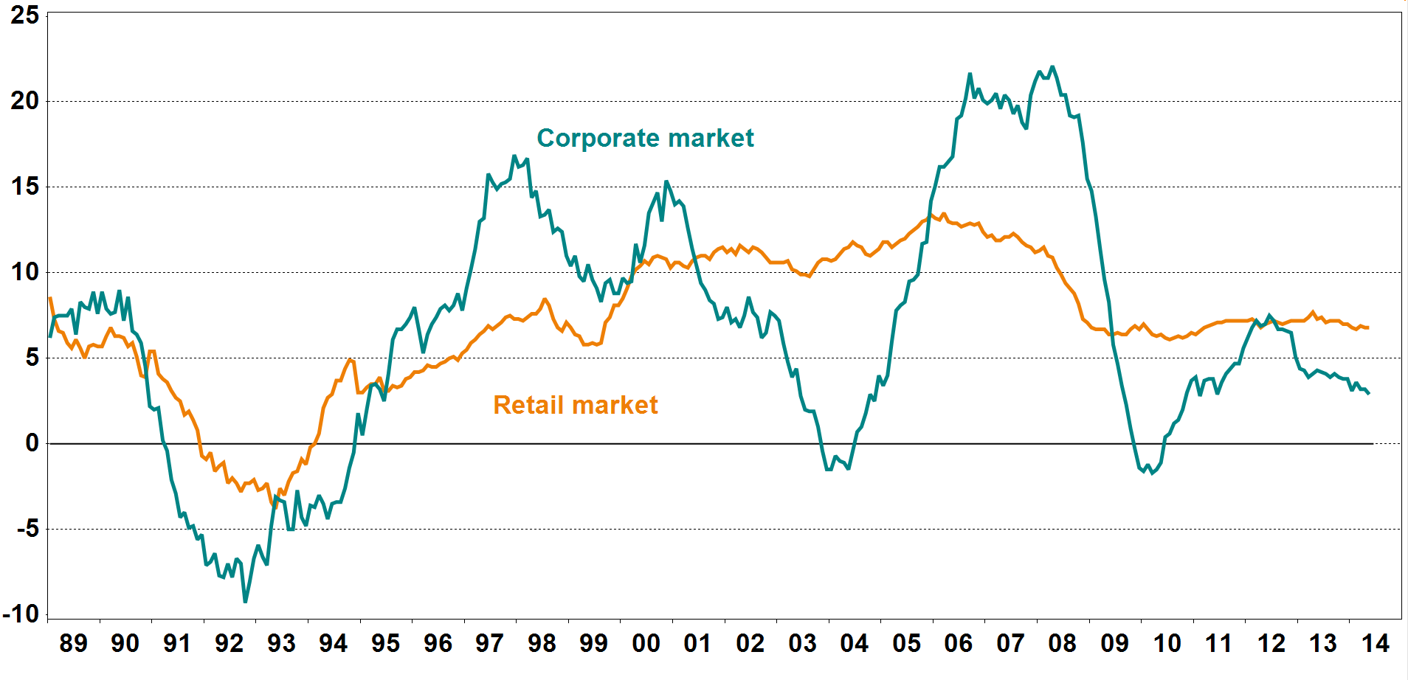
Source: Statistics Norway

4.1.10 Deposit market, 12 month percentage growth

Per cent
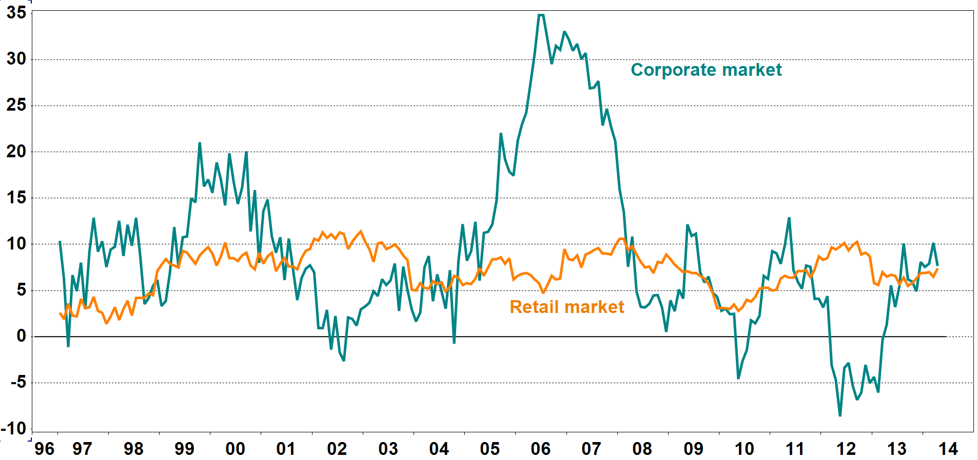
Source: Statistics Norway

4.1.11 House prices

Indices: 1985 = 100
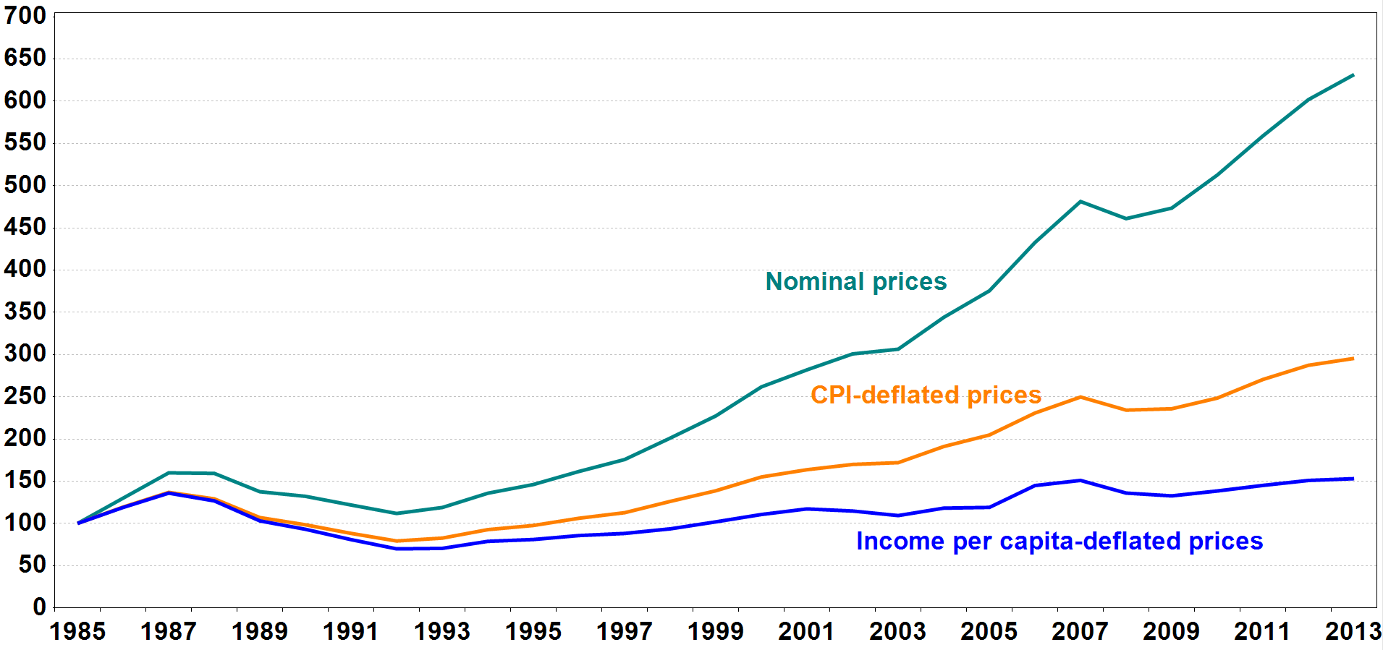
Source: Association of Norwegian Real Estate Agents, Finn.no, Econ Pöyry and Statistics Norway

4.1.12 Household debt burden 1) and interest burden 2)

Per cent |  |  |  |  |  | Per cent
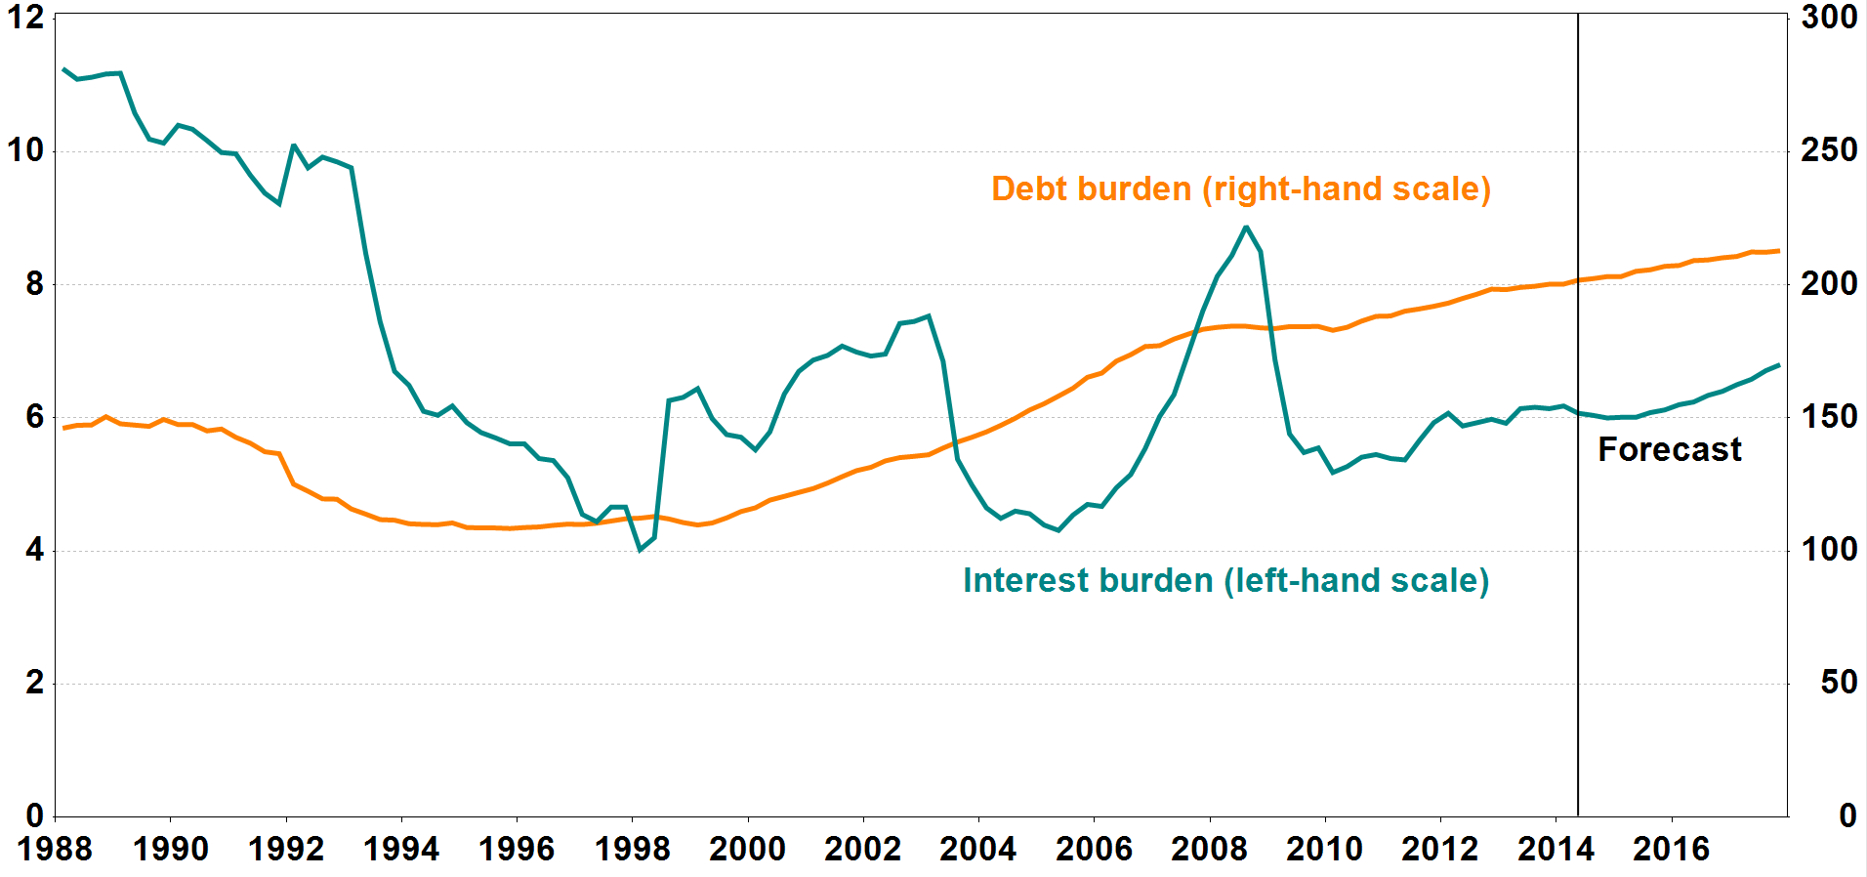
1) Loan debt as a percentage of disposable income.
2) Interest expenses after tax as a percentage of disposable income.

Source: Norges Bank

