Front
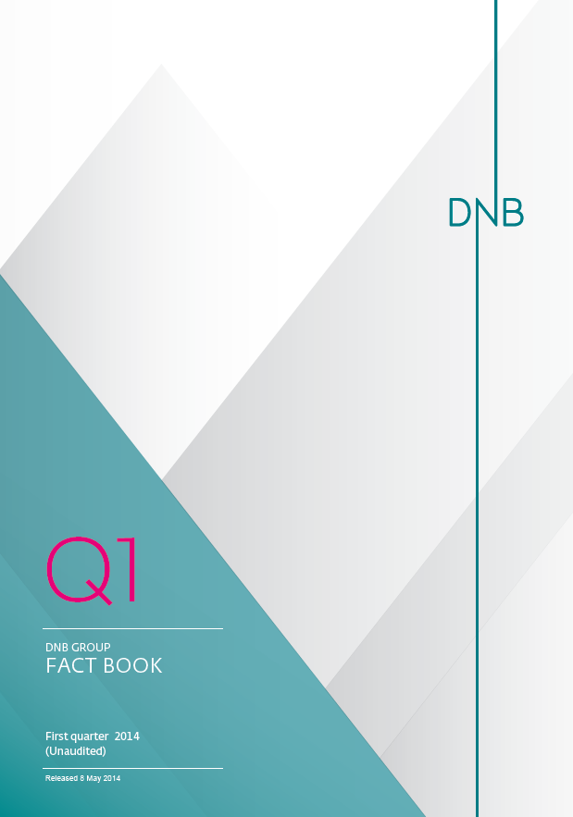

NII
1.2.1 Net interest income - split by segments

Amounts in NOK million | 1Q14 | 4Q13 | 3Q13 | 2Q13 | 1Q13 | 4Q12 | 3Q12 | 2Q12 | 1Q12
Net interest income from loans to customers 1) | 7,914 | 8,072 | 7,995 | 7,495 | 6,992 | 7,056 | 6,536 | 6,310 | 5,745
Personal customers | 4,001 | 4,109 | 4,118 | 3,743 | 3,323 | 3,257 | 2,841 | 2,709 | 2,358
Small and medium-sized enterprises | 1,420 | 1,450 | 1,420 | 1,399 | 1,337 | 1,351 | 1,281 | 1,223 | 1,143
Large corporates and international customers | 2,486 | 2,506 | 2,456 | 2,371 | 2,312 | 2,352 | 2,324 | 2,252 | 2,161
Other | 7 | 8 | 1 | (18) | 20 | 96 | 90 | 126 | 83
Net interest income on deposits from customers | (718) | (694) | (682) | (529) | (643) | (571) | (261) | (223) | 81
Personal customers | (508) | (488) | (481) | (360) | (472) | (410) | (163) | (180) | 12
Small and medium-sized enterprises | (61) | (57) | (34) | (8) | (35) | (65) | (5) | 19 | 52
Large corporates and international customers | (153) | (151) | (168) | (164) | (142) | (128) | (127) | (94) | (14)
Other | 4 | 2 | 1 | 2 | 6 | 33 | 34 | 32 | 30
Equity and non-interest bearing items/Allocated capital: | 448 | 436 | 421 | 443 | 437 | 430 | 476 | 503 | 581
Personal customers | 119 | 73 | 74 | 77 | 78 | 79 | 97 | 94 | 98
Small and medium-sized enterprises | 86 | 86 | 86 | 94 | 93 | 97 | 99 | 96 | 109
Large corporates and international customers | 225 | 223 | 226 | 245 | 241 | 237 | 252 | 285 | 320
Other | 46 | 53 | 36 | 27 | 25 | 15 | 29 | 27 | 54
Other | 47 | 126 | 181 | 71 | 71 | 186 | 76 | 43 | 246
Total net interest income | 7,691 | 7,940 | 7,915 | 7,480 | 6,857 | 7,101 | 6,828 | 6,634 | 6,653

1) Excluding impaired loans.

1.2.2 Average volumes - split by segments

Amounts in NOK million | 1Q14 | 4Q13 | 3Q13 | 2Q13 | 1Q13 | 4Q12 | 3Q12 | 2Q12 | 1Q12
Loans to customers: 1) | 1,326,312 | 1,322,395 | 1,309,206 | 1,295,843 | 1,285,764 | 1,289,467 | 1,294,090 | 1,281,200 | 1,263,469
Personal customers | 656,329 | 652,873 | 648,898 | 647,327 | 640,490 | 634,154 | 621,043 | 607,857 | 594,919
Small and medium-sized enterprises | 209,375 | 206,254 | 203,638 | 203,108 | 201,382 | 201,405 | 203,052 | 200,147 | 197,532
Large corporates and international customers | 458,561 | 460,850 | 454,219 | 444,555 | 441,137 | 451,851 | 469,713 | 472,837 | 469,998
Other | 2,047 | 2,418 | 2,452 | 853 | 2,755 | 2,057 | 281 | 359 | 1,020
Deposits from customers: 1) | 1,002,308 | 929,242 | 935,895 | 894,098 | 868,258 | 830,768 | 826,412 | 787,383 | 759,860
Personal customers | 346,711 | 338,900 | 341,486 | 332,403 | 328,509 | 321,416 | 322,406 | 307,954 | 301,800
Small and medium-sized enterprises | 151,816 | 147,816 | 147,074 | 144,092 | 143,791 | 144,907 | 143,456 | 141,432 | 141,738
Large corporates and international customers | 379,312 | 361,361 | 354,249 | 338,437 | 330,676 | 325,908 | 310,492 | 302,909 | 275,232
Other | 124,470 | 81,165 | 93,086 | 79,167 | 65,282 | 38,536 | 50,058 | 35,088 | 41,091
Equity and non-interest bearing items/Allocated capital: | 106,911 | 101,663 | 98,205 | 95,691 | 93,241 | 88,732 | 85,777 | 84,229 | 85,338
Personal customers | 30,025 | 17,197 | 17,497 | 16,744 | 16,685 | 16,289 | 17,252 | 15,741 | 14,368
Small and medium-sized enterprises | 21,299 | 20,412 | 20,409 | 20,603 | 20,009 | 19,481 | 17,568 | 16,126 | 16,021
Large corporates and international customers | 56,281 | 54,787 | 54,506 | 54,775 | 52,595 | 52,379 | 48,648 | 51,152 | 49,987
Other | (694) | 9,268 | 5,793 | 3,569 | 3,951 | 583 | 2,309 | 1,211 | 4,962

1) Average nominal amount, excluding impaired loans.

1.2.3 Interest rate spreads - split by segments 1)

Per cent | 1Q14 | 4Q13 | 3Q13 | 2Q13 | 1Q13 | 4Q12 | 3Q12 | 2Q12 | 1Q12
Total lending | 2.42 | 2.42 | 2.42 | 2.32 | 2.21 | 2.18 | 2.01 | 1.98 | 1.83
Personal customers | 2.47 | 2.50 | 2.52 | 2.32 | 2.10 | 2.04 | 1.82 | 1.79 | 1.59
Small and medium-sized enterprises | 2.75 | 2.79 | 2.77 | 2.76 | 2.69 | 2.67 | 2.51 | 2.46 | 2.33
Large corporates and international customers | 2.20 | 2.16 | 2.15 | 2.14 | 2.13 | 2.07 | 1.97 | 1.92 | 1.85
Total deposits | (0.29) | (0.30) | (0.29) | (0.24) | (0.30) | (0.27) | (0.13) | (0.11) | 0.04
Personal customers | (0.59) | (0.57) | (0.56) | (0.43) | (0.58) | (0.51) | (0.20) | (0.24) | 0.02
Small and medium-sized enterprises | (0.16) | (0.15) | (0.09) | (0.02) | (0.10) | (0.18) | (0.01) | 0.05 | 0.15
Large corporates and international customers | (0.16) | (0.17) | (0.19) | (0.19) | (0.17) | (0.16) | (0.16) | (0.12) | (0.02)
Combined spread - weighted total average | 1.25 | 1.30 | 1.29 | 1.28 | 1.20 | 1.22 | 1.18 | 1.18 | 1.16

1) Margins are calculated based on money market rates and do not include additional funding costs related to liquidity measures.

1.2.4 Quarterly development in average interest rate spreads

Quarterly development in average interest rate spreads - DNB Group
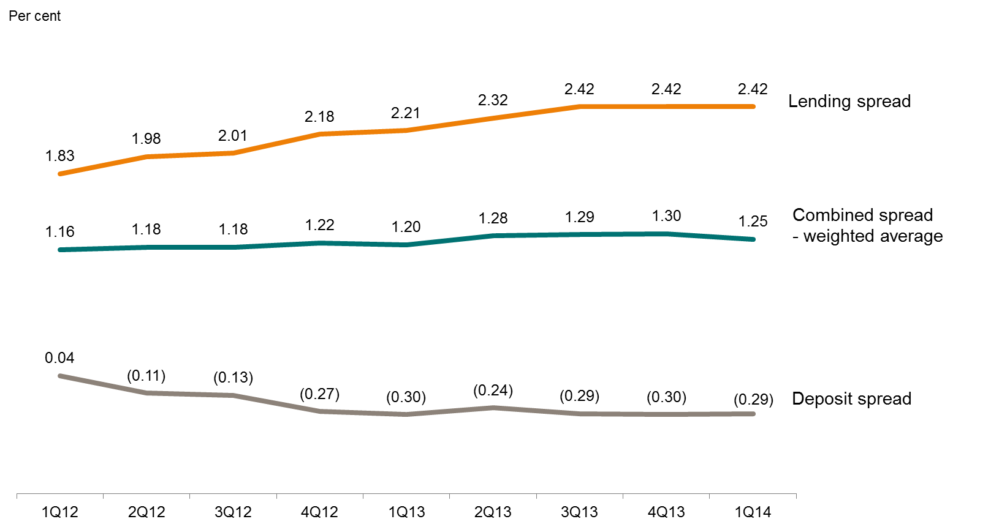

Quarterly development in average interest rate spreads - Personal customers
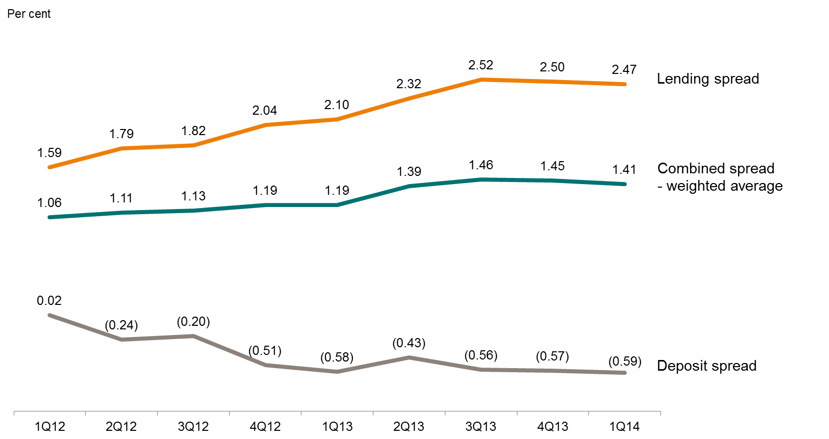

Quarterly development in average interest rate spreads - Small and medium-sized enterprises
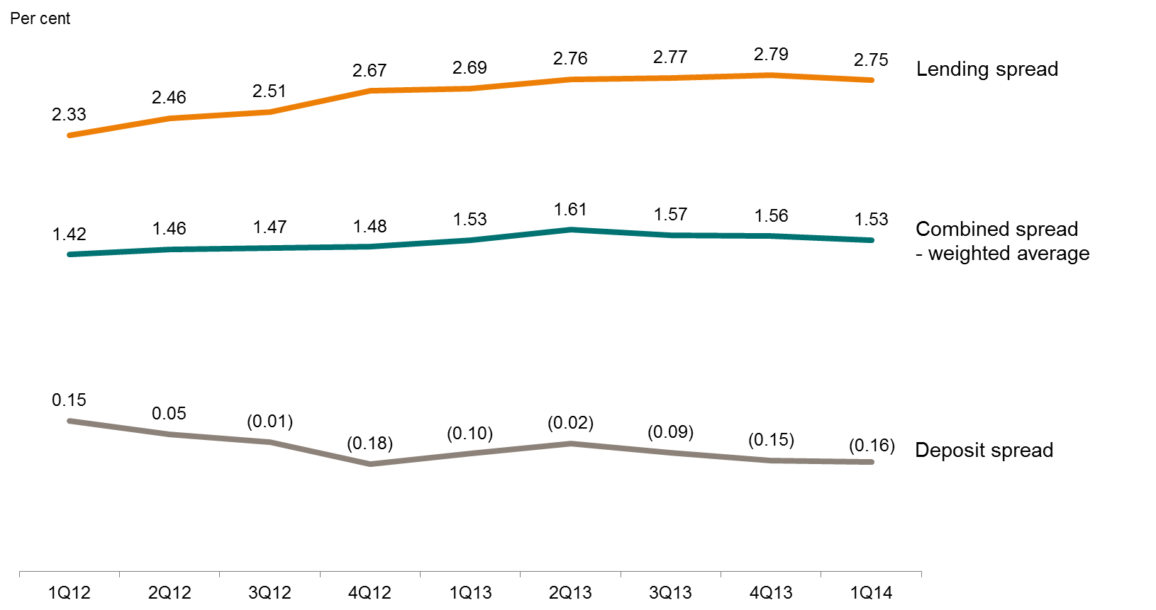

Quarterly development in average interest rate spreads - Large corporates and international customers
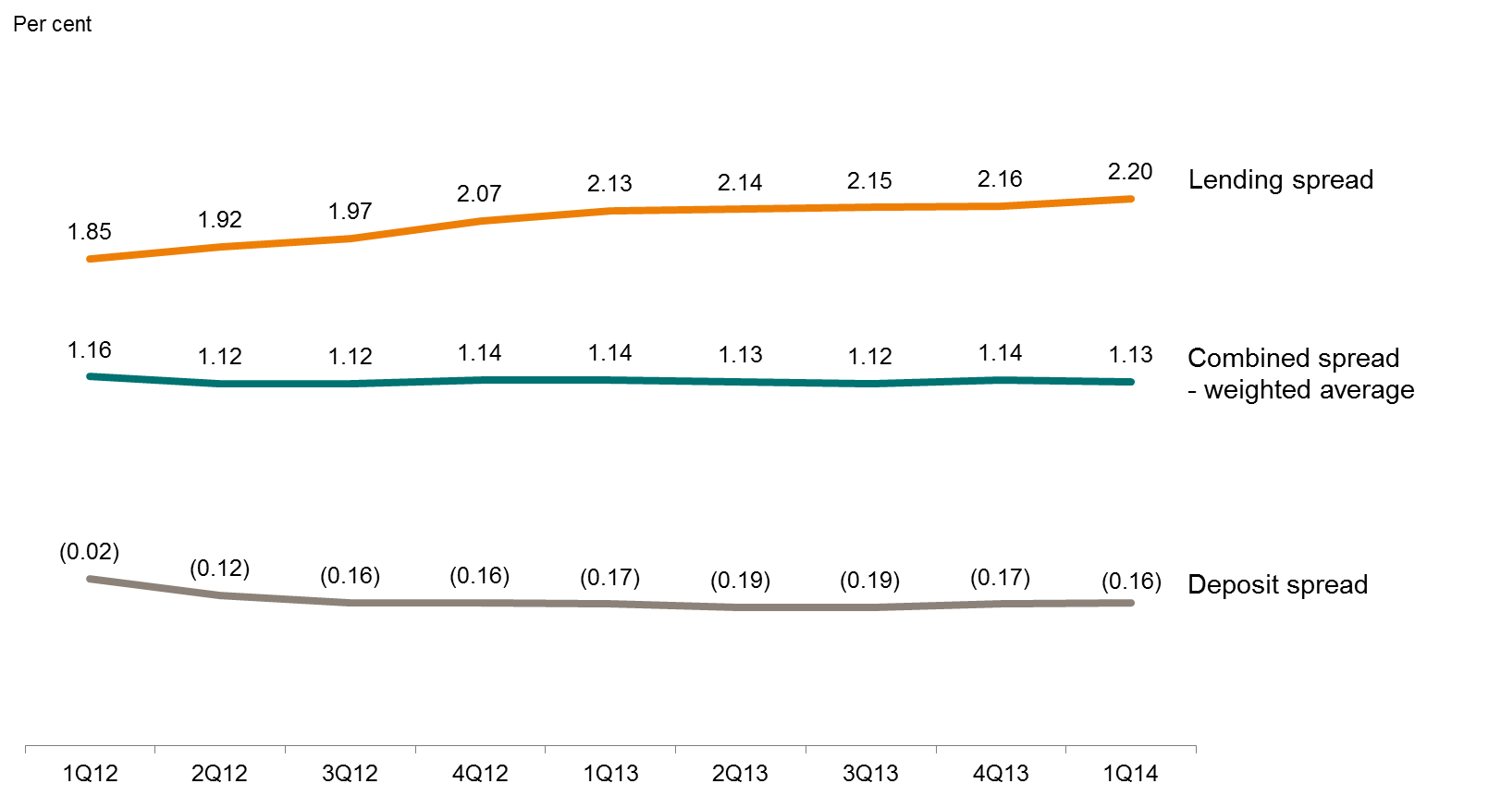

1.2.5 Net interest income

Amounts in NOK million | 1Q14 | 4Q13 | 3Q13 | 2Q13 | 1Q13 | 4Q12 | 3Q12 | 2Q12 | 1Q12
Interest on amounts due from credit institutions | 447 | 347 | 362 | 307 | 283 | 178 | 289 | 373 | 359
Interest on loans to customers | 12,887 | 13,252 | 13,232 | 12,984 | 12,551 | 12,882 | 13,158 | 13,202 | 13,480
Interest on impaired loans and guarantees | 118 | 161 | 183 | 187 | 151 | 164 | 155 | 161 | 145
Interest on commercial paper and bonds | 1,348 | 1,355 | 1,308 | 1,298 | 1,354 | 1,159 | 1,214 | 1,328 | 1,290
Front-end fees etc. | 73 | 85 | 81 | 89 | 73 | 83 | 92 | 80 | 83
Other interest income | 323 | 216 | 207 | 149 | 188 | 538 | 1,017 | 936 | 704
Total interest income | 15,196 | 15,417 | 15,373 | 15,014 | 14,600 | 15,002 | 15,926 | 16,080 | 16,060
Interest on amounts due to credit institutions | 555 | 545 | 535 | 647 | 647 | 673 | 831 | 868 | 892
Interest on deposits from customers | 3,615 | 3,581 | 3,635 | 3,636 | 3,773 | 3,869 | 3,923 | 4,016 | 4,030
Interest on debt securities issued | 3,146 | 3,125 | 3,053 | 2,989 | 2,963 | 2,968 | 3,257 | 3,477 | 3,433
Interest on subordinated loan capital | 141 | 142 | 105 | 102 | 104 | 143 | 179 | 194 | 160
Guarantee fund levy | 192 | 188 | 191 | 188 | 187 | 23 | 22 | 24 | 21
Other interest expenses 1) | (144) | (105) | (61) | (27) | 68 | 225 | 885 | 868 | 871
Total interest expenses | 7,504 | 7,477 | 7,458 | 7,534 | 7,743 | 7,901 | 9,098 | 9,446 | 9,407
Net interest income | 7,691 | 7,940 | 7,915 | 7,480 | 6,857 | 7,101 | 6,828 | 6,634 | 6,653

1) Other interest expenses include interest rate adjustments resulting from interest swaps entered into.

1.2.6 Changes in net interest income

Amounts in NOK million | 1Q14 | 4Q13 | 3Q13 | 2Q13 | 1Q13 | 4Q12 | 3Q12
Net interest income | 7,691 | 7,940 | 7,915 | 7,480 | 6,857 | 7,101 | 6,828

Changes from previous quarters: | Changes from 4Q13 | Changes from 3Q13 | Changes from 2Q13 | Changes from 1Q13 | Changes from 4Q12 1) | Changes from 3Q12
Lending volumes | (17) | (46) | 60 | 1 | (22) | 8
Deposit volumes | (17) | 12 | (13) | (13) | (5) | 2
Lending spreads | (6) | (2) | 341 | 369 | 90 | 544
Deposit spreads | (22) | (23) | (133) | 135 | (80) | (312)
Exchange rate movements | 56 | 46 | 64 | 50 | 4 | (43)
Interest days | (160) | 0 | 77 | 71 | (141) | -
Long term funding | 37 | (3) | (8) | (41) | 33 | 51
Other net interest income | (119) | 41 | 48 | 52 | (122) | 24
Total | (248) | 25 | 435 | 623 | (244) | 273
...

Liq.&funding (2)
...
1) Callable after five years with a total maturity of ten years.

1.9.3 Redemption profile as at 31 March 2014

NOK billion | 2014 | 2015 | 2016 | 2017 | 2018 | 2019 | 2020 | 2021 | 2022 | 2023 | 2024 | >2024
Senior unsecured bonds | 22.8 | 8.5 | 13.8 | 27.7 | 16.5 | 13.2 | 15.4 | 19.9 | 15.8 | 1.2 | 1.3 | 4.2
Covered bonds | 5.4 | 42.3 | 66.2 | 55.0 | 56.5 | 28.7 | 6.8 | 23.3 | 28.1 | 8.8 | 6.8 | 23.8
Swap facility covered bonds (Norwegian Central Bank) | 15.7
Total | 43.8 | 50.8 | 80.0 | 82.7 | 73.1 | 41.9 | 22.2 | 43.2 | 43.8 | 10.0 | 8.1 | 28.0

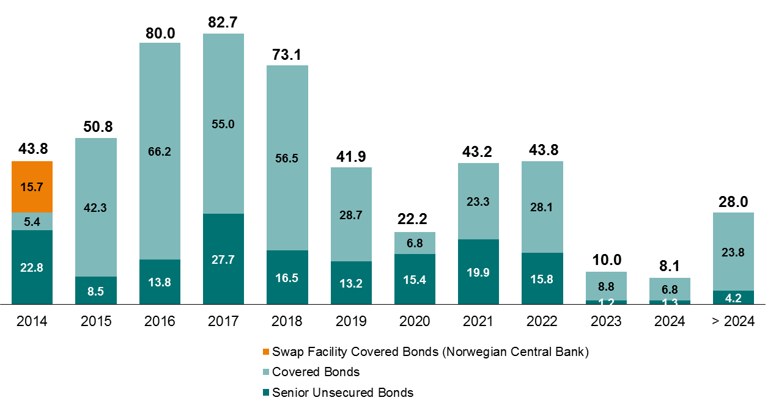

Cap.adeq
...
 | 31 March | 31 Dec. | 30 Sept. | 30 June | 31 March | 31 Dec. | 30 Sept. | 30 June | 31 March
Operational risk | 6,408 | 6,408 | 5,793 | 5,793 | 5,793 | 5,793 | 5,386 | 5,386 | 5,386
Net insurance, after eliminations | 7,253 | 6,982 | 7,170 | 7,350 | 7,485 | 7,563 | 7,868 | 8,094 | 8,319
Deductions | (57) | (60) | (56) | (13) | (33) | (27) | (39) | (45) | (47)
Total capital requirements according to Basel II | 78,317 | 79,840 | 81,477 | 83,535 | 82,573 | 81,972 | 82,322 | 84,351 | 83,553
Additional capital requirements according to transitional rules | 8,684 | 7,289 | 5,858 | 4,344 | 4,973 | 4,082 | 5,066 | 4,959 | 6,387
Total capital requirements according to transitional rules | 87,001 | 87,129 | 87,335 | 87,879 | 87,546 | 86,054 | 87,388 | 89,311 | 89,940

1) See next page for further details.

1.10.3 Common equity Tier 1 capital ratio 1)
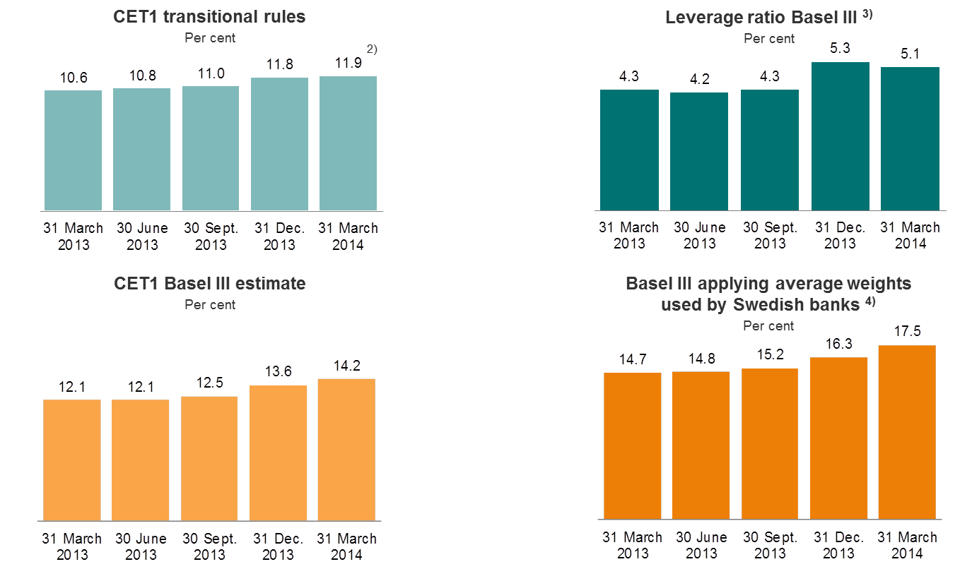

1) Including 50 per cent of profit for the period, except for the full year figures.
2) 12.1 per cent if 75 per cent of profit for the period had been included.
3) Calculated according to CRD IV rules.
4) Estimated common equity Tier 1 capital ratio according to Basel III, applying average weights used by Swedish banks.

1.10.4 Specification of capital requirements for credit risk

As at 31 March 2014 |  |  | Average
 |  | EAD, | Risk | Risk- | Capital
 | Nominal | exposure | weights | weighted | require-
...

Norw.economy
...
Area | 385 199 square kilometers
GDP per capita 2013 | USD 100 100
Rating | AAA, Aaa
Currency exchange rate used | 5,88 USD/NOK (Average 2013)
Current balance 2013 | USD 54,4 billion or 10,6 per cent of GDP

Source: Statistics Norway

4.1.2 Government net financial liabilities 2013

Per cent of GDP
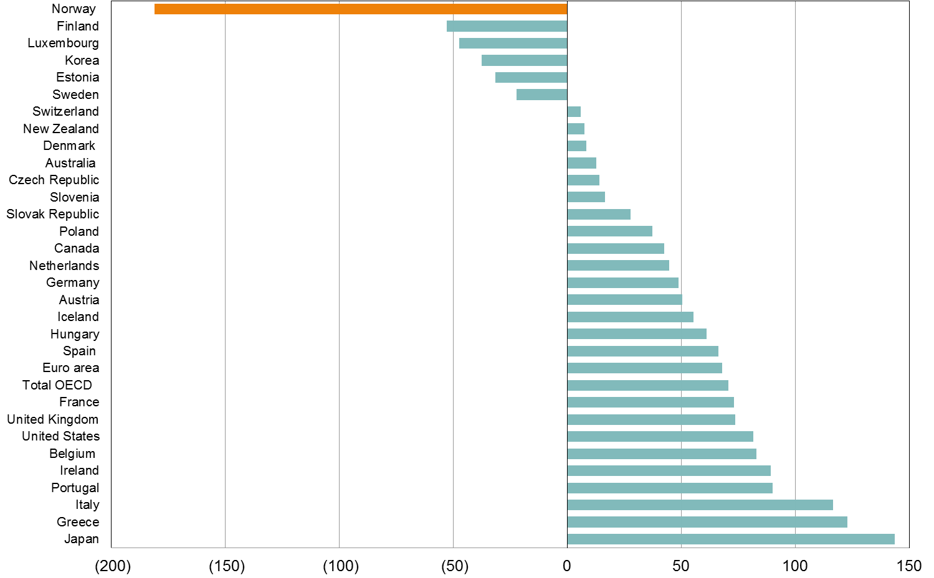
Source: OECD Economic Outlook No. 94, November 2013

4.1.3 GDP growth mainland Norway and unemployment rate

Per cent |  |  |  |  |  | Per cent
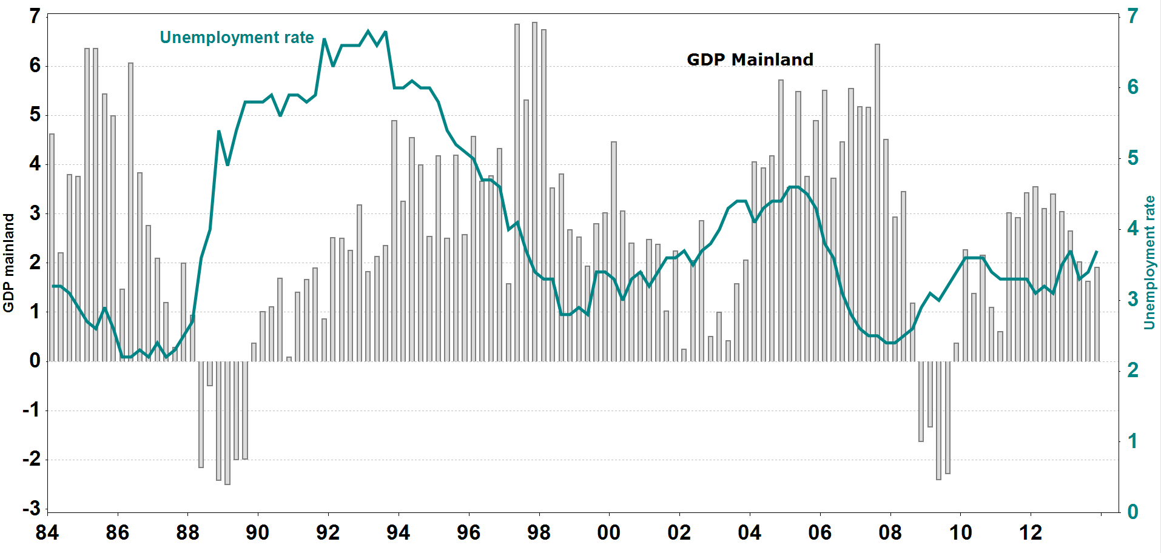
Source: Statistics Norway

4.1.4 Contribution to volume growth in GDP, mainland Norway

Per cent | 2012 | F 2013 | F 2014 | F 2015 | F 2016 | F 2017
Household demand | 2.0 | 1.5 | 1.0 | 1.1 | 1.5 | 1.8
Gross fixed capital formation, mainland companies | 0.4 | 0.2 | 0.2 | 0.0 | 0.0 | 0.1
Gross fixed capital formation, petroleum activity | 0.9 | 0.6 | 0.3 | (0.3) | (0.2) | (0.3)
Public sector demand | 0.5 | 0.6 | 0.8 | 0.7 | 0.6 | 0.8
Exports, mainland Norway | 0.5 | 0.0 | 0.5 | 1.0 | 1.2 | 1.4
Imports, mainland Norway | 0.7 | 0.9 | 1.4 | 0.9 | 1.0 | 1.3
Changes in stocks and statistical discrepancies | (0.1) | 0.0 | 0.7
GDP, mainland Norway | 3.4 | 2.0 | 2.0 | 1.8 | 2.1 | 2.4

Source: Statistics Norway and DNB Markets

4.1.5 Composition of GDP in 2013 |  | 4.1.6 Composition of exports in 2013

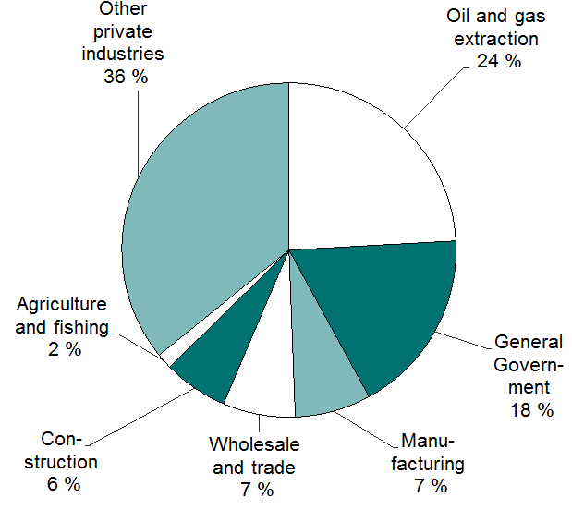 | 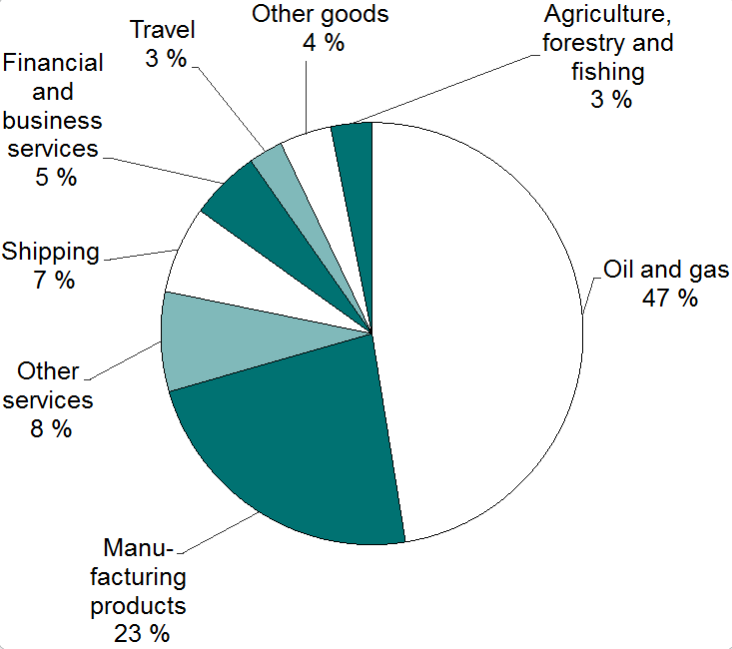
Source: Statistics Norway

4.1.7 Key macro-economic indicators, Norway

Per cent | 2012 | F 2013 | F 2014 | F 2015 | F 2016 | F 2017
GDP growth
- mainland Norway | 3.4 | 2.0 | 2.0 | 1.8 | 2.1 | 2.4
- Norway, total | 2.9 | 0.6 | 1.8 | 1.2 | 1.5 | 1.9
Private consumption | 3.0 | 2.1 | 2.1 | 2.6 | 2.8 | 3.1
Gross fixed investment | 8.3 | 8.7 | 2.4 | (0.8) | 0.1 | 1.0
...
Per cent | 2011 | 2012 | F 2013 | F 2014 | F 2015
GDP | 4.5 | 1.9 | 1.6 | 3.0 | 3.5
Private consumption | 2.6 | 1.2 | 0.8 | 2.3 | 3.0
Gross fixed investments | 8.5 | (1.7) | (0.4) | 3.5 | 5.7
Inflation (CPI) | 4.3 | 3.4 | 2.9 | 1.6 | 2.3

Source: Consensus Economics Inc.

4.1.9 Credit market, 12 month percentage growth

Per cent
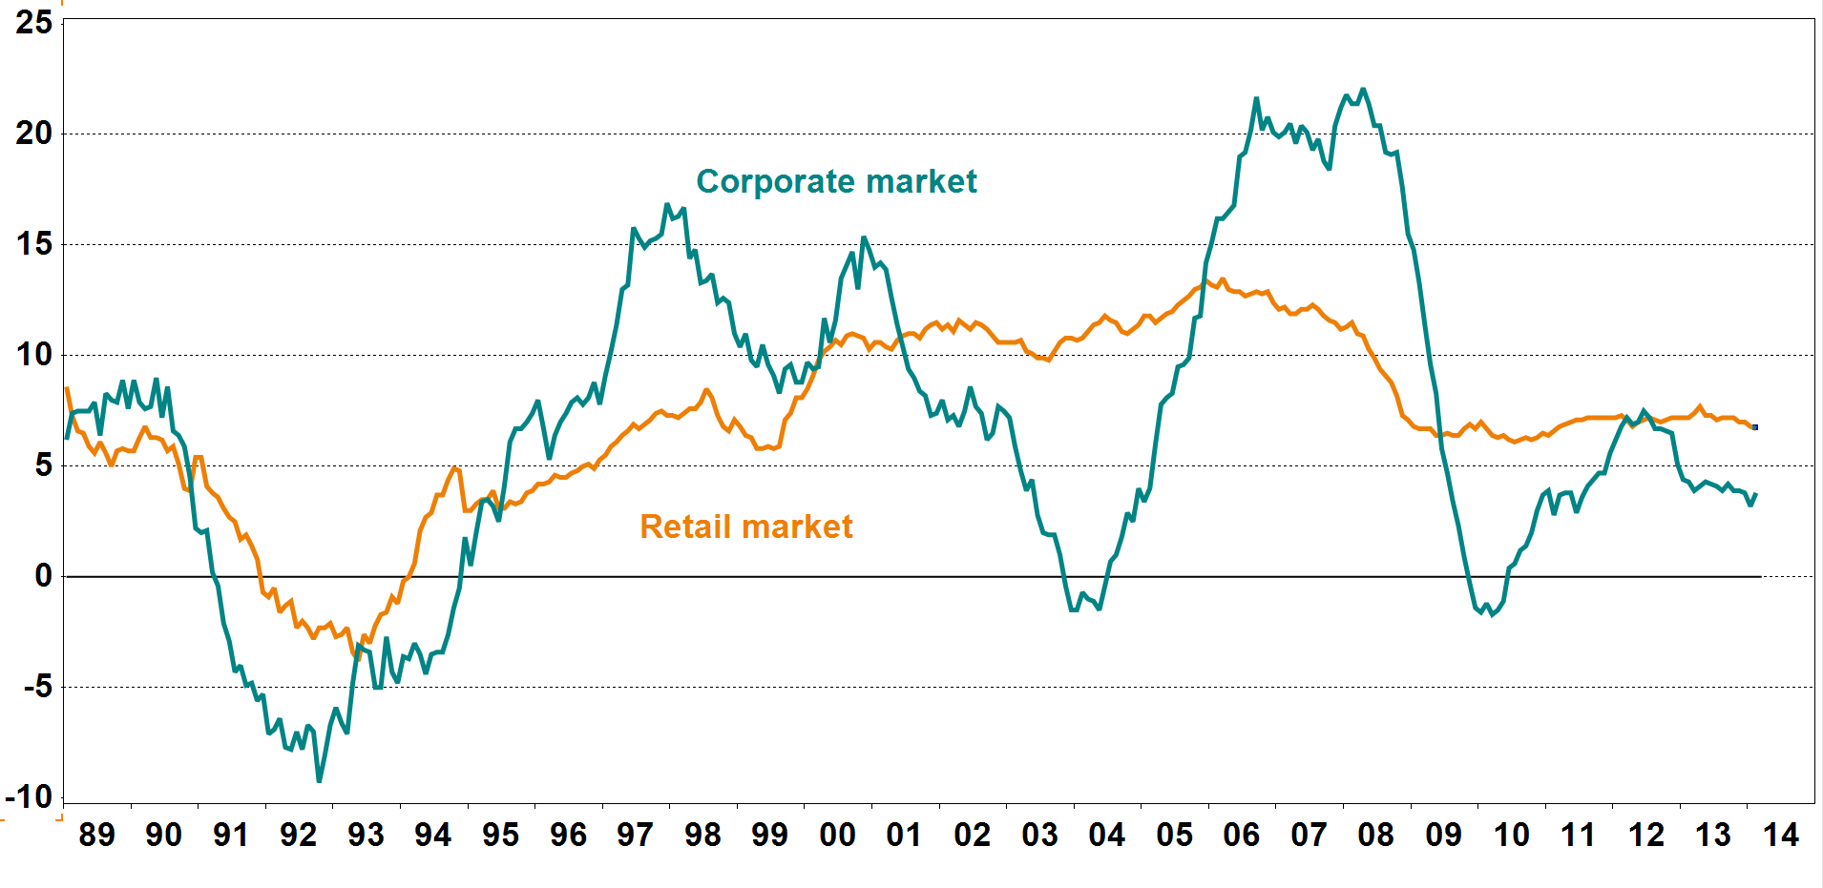
Source: Statistics Norway

4.1.10 Deposit market, 12 month percentage growth

Per cent
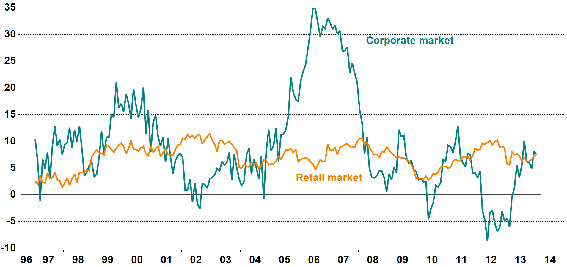
Source: Statistics Norway

4.1.11 House prices

Indices: 1985 = 100
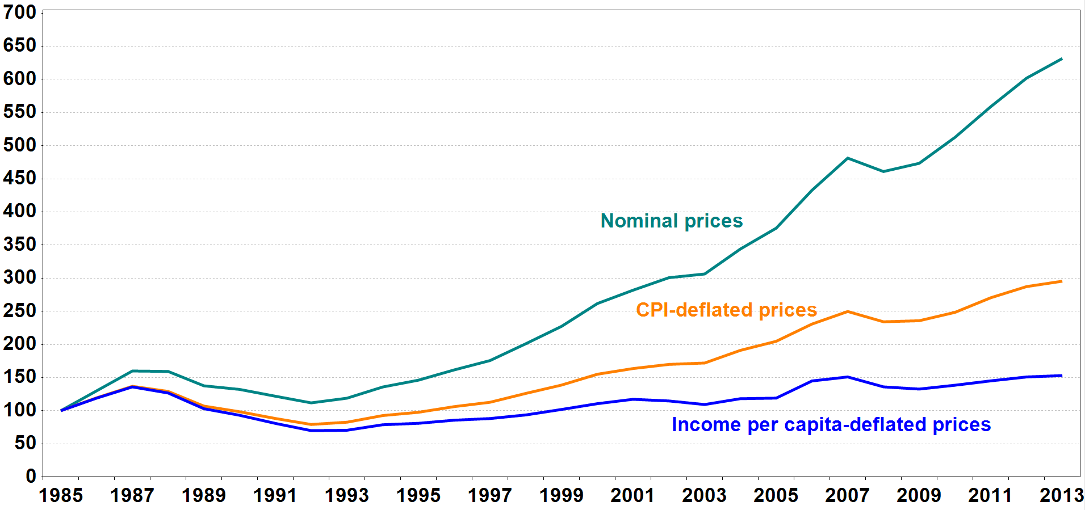
Source: Association of Norwegian Real Estate Agents, Finn.no, Econ Pöyry and Statistics Norway

4.1.12 Household debt burden 1) and interest burden 2)

Per cent |  |  |  |  |  | Per cent
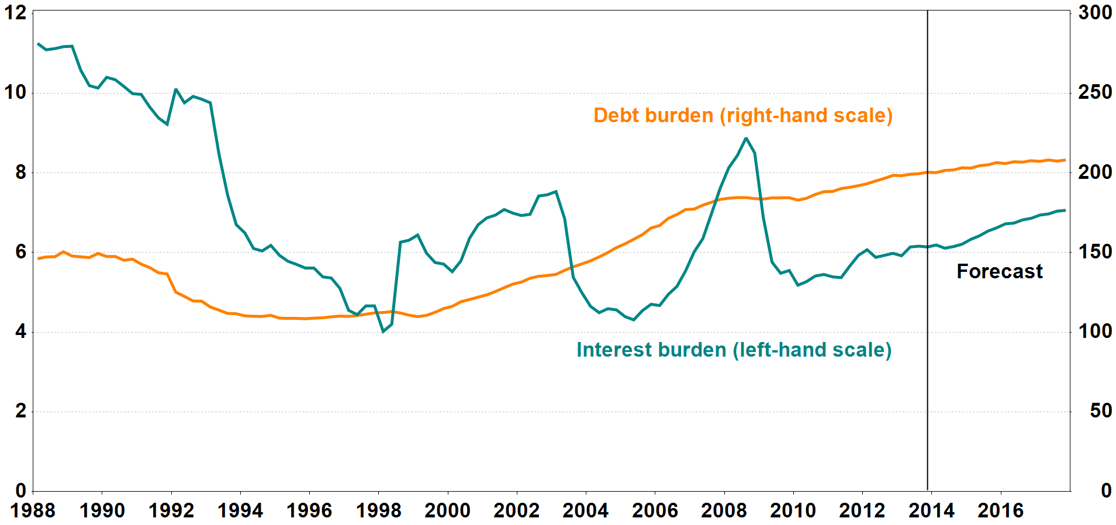
1) Loan debt as a percentage of disposable income.
2) Interest expenses after tax as a percentage of disposable income.

Source: Norges Bank

