COVER
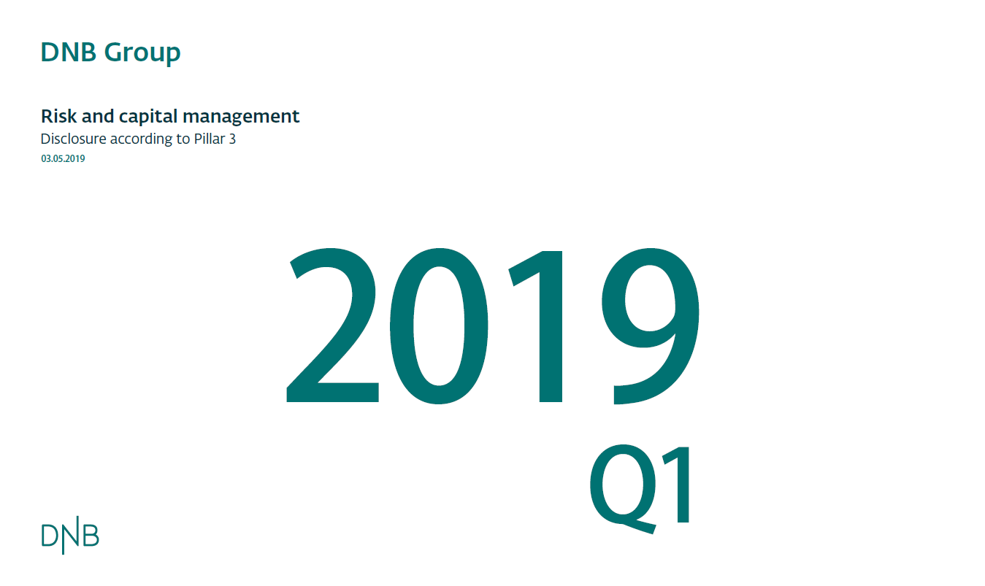

KM1
Back to contents page

KM1: Key metrics (at consolidated group level)

Amounts in NOK million |  | a | b | c | d | e
 |  | 1Q 2019 | 4Q 2018 | 3Q 2018 | 2Q 2018 | 1Q 2018
 | Available capital (amounts)
1 | Common Equity Tier 1 (CET1) | 173,220 | 176,831 | 164,747 | 165,220 | 169,492
1a | Fully loaded ECL accounting model | 173,220 | 176,831 | 164,747 | 165,220 | 169,492
2 | Tier 1 | 187,201 | 190,886 | 180,019 | 180,728 | 184,911
2a | Fully loaded ECL accounting model Tier 1 | 187,201 | 190,886 | 180,019 | 180,728 | 184,911
3 | Total capital | 209,685 | 214,003 | 201,223 | 207,657 | 212,909
3a | Fully loaded ECL accounting model total capital | 209,685 | 214,003 | 201,223 | 207,657 | 212,909
 | Risk-weighted assets (amounts)
4 | Total risk-weighted assets (RWA) | 1,081,942 | 1,077,934 | 1,049,030 | 1,054,071 | 1,040,066
 | Risk-based capital ratios as a percentage of RWA
5 | Common Equity Tier 1 ratio (%) | 16.0 | 16.4 | 15.7 | 15.7 | 16.3
5a | Fully loaded ECL accounting model Common Equity Tier 1 (%) | 16.0 | 16.4 | 15.7 | 15.7 | 16.3
6 | Tier 1 ratio (%) | 17.3 | 17.7 | 17.2 | 17.1 | 17.8
6a | Fully loaded ECL accounting model Tier 1 ratio (%) | 17.3 | 17.7 | 17.2 | 17.1 | 17.8
7 | Total capital ratio (%) | 19.4 | 19.9 | 19.2 | 19.7 | 20.5
7a | Fully loaded ECL accounting model total capital ratio (%) | 19.4 | 19.9 | 19.2 | 19.7 | 20.5
 | Additional CET1 buffer requirements as a percentage of RWA
8 | Capital conservation buffer requirement (2.5% from 2019) (%) | 2.5 | 2.5 | 2.5 | 2.5 | 2.5
9 | Countercyclical buffer requirement (%) | 1.7 | 1.7 | 1.6 | 1.6 | 1.6
10 | Bank G-SIB and/or D-SIB additional requirements (%) | 5.0 | 5.0 | 5.0 | 5.0 | 5.0
11 | Total of bank CET1 specific buffer requirements (%) (row 8 + row 9 + row 10) | 9.2 | 9.2 | 9.1 | 9.1 | 9.1
12 | CET1 available after meeting the bank’s minimum capital requirements (%) | 25,405 | 29,650 | 21,927 | 21,714 | 28,344
 | Basel III leverage ratio
13 | Total Basel III leverage ratio exposure measure | 2,720,316 | 2,551,508 | 2,635,832 | 2,760,372 | 2,597,595
14 | Basel III leverage ratio (%) (row 2 / row 13) | 6.9 | 7.5 | 6.8 | 6.5 | 7.1
14a | Fully loaded ECL accounting model Basel III leverage ratio (%) (row 2a / row13) | 6.9 | 7.5 | 6.8 | 6.5 | 7.1
 | Liquidity Coverage Ratio
15 | Total HQLA | 612,836 | 455,771 | 612,212 | 724,993 | 560,366
16 | Total net cash outflow | 497,899 | 389,789 | 476,089 | 554,102 | 508,735
17 | LCR ratio (%) | 123% | 117% | 129% | 131% | 110%
 | Net Stable Funding Ratio
18 | Total available stable funding
19 | Total required stable funding
20 | NSFR ratio

Accompanying narrative:
DNB has choosen to not use the transitional periode for implementing IFRS 9. DNB will therfor not issue the template IFRS 9-FL: Comparison of institutions’ own funds and capital and leverage ratios with and without the application of transitional arrangements for IFRS 9 or analogous ECLs.

LR1
Back to contents page

LR1: Summary comparison of accounting assets vs leverage ratio exposure

Amounts in NOK million |  | 1Q 2019
1 | Total consolidated assets as per published financial statements | 2,815,716
2 | Adjustment for investments in banking, financial, insurance or commercial entities that are consolidated for accounting purposes but outside the scope of regulatory consolidation | -287,991
3 | Adjustment for fiduciary assets recognised on the balance sheet pursuant to the operative accounting framework but excluded from the leverage ratio exposure measure
4 | Adjustments for derivative financial instruments | -32,749
5 | Adjustment for securities financing transactions (ie repos and similar secured lending) | 3,607
6 | Adjustment for off-balance sheet items (ie conversion to credit equivalent amounts of off-balance sheet exposures) | 234,914
7 | Other adjustments | -13,181
8 | Leverage ratio exposure measure | 2,720,316

Accompanying narrative:
DNB monitors and discloses the non-risk based leverege ratio according to the regulatory requirements and meet the minimum requirement of 6 per cent set by the Norwegian authorities with good margin.

LR2
Back to contents page

LR2: Leverage ratio common disclosure template (January 2014 standard)

 |  | a | b
 |  | 1Q 2019 | 4Q 2018
On-balance sheet exposures
1 | On-balance sheet exposures (excluding derivatives and securities financing transactions (SFTs), but including collateral) | 2,260,702 | 2,099,388
2 | (Asset amounts deducted in determining Basel III Tier 1 capital) | -14,614 | -10,168
3 | Total on-balance sheet exposures (excluding derivatives and SFTs) (sum of rows 1 and 2) | 2,246,087 | 2,089,219
Derivative exposures
4 | Replacement cost associated with all derivatives transactions (where applicable net of eligible cash variation margin and/or with bilateral netting) | 41,453 | 51,141
5 | Add-on amounts for PFE associated with all derivatives transactions | 28,129 | 29,507
6 | Gross-up for derivatives collateral provided where deducted from the balance sheet assets pursuant to the operative accounting framework
7 | (Deductions of receivables assets for cash variation margin provided in derivatives transactions) | -18,100 | -22,642
8 | (Exempted CCP leg of client-cleared trade exposures)
9 | Adjusted effective notional amount of written credit derivatives
10 | (Adjusted effective notional offsets and add-on deductions for written credit derivatives)
11 | Total derivative exposures (sum of rows 4 to 10) | 51,481 | 58,006
Securities financing transaction exposures
12 | Gross SFT assets (with no recognition of netting), after adjusting for sale accounting transactions | 187,834 | 167,354
13 | (Netted amounts of cash payables and cash receivables of gross SFT assets)
14 | CCR exposure for SFT assets
15 | Agent transaction exposures
16 | Total securities financing transaction exposures (sum of rows 12 to 15) | 187,834 | 167,354
Other off-balance sheet exposures
17 | Off-balance sheet exposure at gross notional amount | 706,632 | 708,051
18 | (Adjustments for conversion to credit equivalent amounts) | -471,718 | -471,123
19 | Off-balance sheet items (sum of rows 17 and 18) | 234,914 | 236,929
Capital and total exposures
20 | Tier 1 capital | 187,201 | 190,886
21 | Total exposures (sum of rows 3, 11, 16 and 19) | 2,720,316 | 2,551,508
Leverage ratio
22 | Basel III leverage ratio | 6.9 % | 7.5 %
* The quarterly figures are excluding P&L results of the period YTD

Accompanying narrative:
The non-risk based leverage ratio was 6.9 per cent at end-March, down from 7.5per cent at end-December. The ratio decreased due to a combination of lower Tier 1 capital and an increase in the total exposure.
Including 50 per cent of profit for the period the ratio was 7.0 per cent.

LIQ1
Back to contents page

LIQ1: Liquidity Coverage Ratio (LCR)

Amounts in NOK million |  | a | b
 |  | Total unweighted value (average) | Total weighted value (average)
High-quality liquid assets
1 | Total HQLA |  | 627,136
Cash outflows
2 | Retail deposits and deposits from small business customers, of which:
3 | Stable deposits | 290,455 | 14,523
4 | Less stable deposits | 152,893 | 19,083
5 | Unsecured wholesale funding, of which:
6 | Operational deposits (all counterparties) and deposits in networks of cooperative banks | 428,490 | 106,152
7 | Non-operational deposits (all counterparties) | 343,852 | 222,643
8 | Unsecured debt | 62,466 | 62,466
9 | Secured wholesale funding
10 | Additional requirements, of which:
11 | Outflows related to derivative exposures and other collateral requirements | 47,274 | 47,274
12 | Outflows related to loss of funding on debt products | 3,921 | 3,921
13 | Credit and liquidity facilities | 406,371 | 55,457
14 | Other contractual funding obligations
15 | Other contingent funding obligations | 308,385 | 21,990
16 | TOTAL CASH OUTFLOWS |  | 553,508
Cash inflows
17 | Secured lending (eg reverse repos) | 92,333 | 3,100
18 | Inflows from fully performing exposures | 60,739 | 38,680
19 | Other cash inflows | 13,537 | 13,537
20 | TOTAL CASH INFLOWS | 166,610 | 55,317
 |  |  | Total adjusted value
21 | Total HQLA |  | 627,136
22 | Total net cash outflows |  | 486,271
23 | Liquidity Coverage Ratio (%) |  | 129%

 | Vurdere tabellen - Guidelines on LCR disclosure (EBAGL201701) Mars2017

Accompanying narrative:

OV1
Back to contents page

EU OV1 – Overview of RWAs

Amounts in NOK million |  |  | RWAs |  | Minimum capital requirements
 |  |  | 1Q 2019 | 4Q 2018 | 1Q 2019
 | 1 | Credit risk (excluding CCR) | 900,147 | 896,355 | 72,012
Article 438(c)(d) | 2 | Of which the standardised approach | 300,729 | 298,005 | 24,058
Article 438(c)(d) | 3 | Of which the foundation IRB (FIRB) approach
Article 438(c)(d) | 4 | Of which the advanced IRB (AIRB) approach | 599,418 | 598,351 | 47,953
Article 438(d) | 5 | Of which equity IRB under the simple risk-weighted approach or the IMA
Article 107 Article 438(c)(d) | 6 | CCR | 30,796 | 33,413 | 2,464
Article 438(c)(d) | 7 | Of which mark to market | 26,888 | 29,522 | 2,151
Article 438(c)(d) | 8 | Of which original exposure
 | 9 | Of which the standardised approach
 | 10 | Of which internal model method (IMM)
Article 438(c)(d) | 11 | Of which risk exposure amount for contributions to the default fund of a CCP
Article 438(c)(d) | 12 | Of which CVA | 3,908 | 3,891 | 313
Article 438(e) | 13 | Settlement risk
Article 449(o)(i) | 14 | Securitisation exposures in the banking book (after the cap)
 | 15 | Of which IRB approach
 | 16 | Of which IRB supervisory formula approach (SFA)
 | 17 | Of which internal assessment approach (IAA)
 | 18 | Of which standardised approach
Article 438 (e) | 19 | Market risk | 10,383 | 11,787 | 831
 | 20 | Of which the standardised approach | 10,383 | 11,787 | 831
 | 21 | Of which IMA
Article 438(e) | 22 | Large exposures
Article 438(f) | 23 | Operational risk | 88,005 | 88,005 | 7,040
 | 24 | Of which basic indicator approach
 | 25 | Of which standardised approach | 88,005 | 88,005 | 7,040
 | 26 | Of which advanced measurement approach
Article 437(2), Article 48 and Article 60 | 27 | Amounts below the thresholds for deduction (subject to 250% risk weight)
Article 500 | 28 | Floor adjustment | 52,613 | 48,373 | 4,209
 | 29 | Total | 1,081,942 | 1,077,934 | 86,556

Accompanying narrative:
The risk-weighted assets (RWA) increased by NOK 4 bn to NOK 1 081,9 bn in the 1st quarter. The increase was mainly due to the implementation of IFRS 16.

CR8
Back to contents page

EU CR8 – RWA flow statements of credit risk exposures under the IRB approach

Amounts in NOK million |  | a | b
 |  | RWA amounts, 31 March 2019 | Capital requirements
1 | RWAs as at the end of the previous reporting period | 598,351 | 47,868
2 | Asset size | 4,774 | 382
3 | Asset quality | (552) | (44)
4 | Model updates | -
5 | Methodology and policy
6 | Acquisitions and disposals | -
7 | Foreign exchange movements | -3,157 | -253
8 | Other
9 | RWAs as at the end of the reporting period | 599,416 | 47,953
Comments:
2. Asset size: Increase in RWA as a result of a growth in credit volum exposure within the corporate portfolio.
7. Foreign exchange movements: Decrease in RWA was a result of the relative strenghtening of the Norwegian kroner in relation to major currencies (EUR and USD).

BACK


